Sheet1
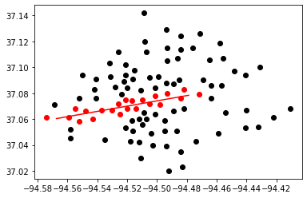
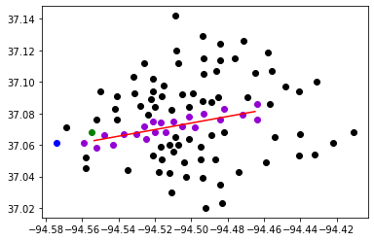

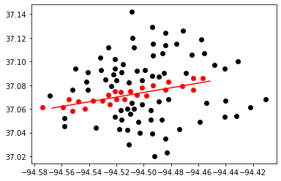
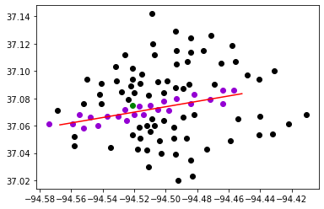
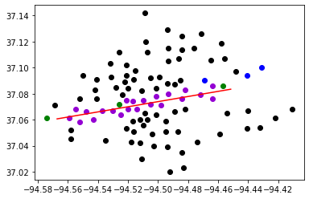
100 clusters | delta 0.375

length | budget $ | Best Bound | Best Objective | Gap | CCG Run time | CCG Iteration | Subproblem Run time | Number of Subproblem Callbacks | Subproblem Callbacks Run Time | Number of Uncertainty Set Check Call | Uncertainty Set Check Run Time
5 | 0 M | 16318 | 16318 | 0 | 152.17 | 2 | 152.01 | 36 | 9.88 | 26 | 7.28
 | 15 M | 13312 | 13408 | 0.01 | 332.99 | 3 | 332.64 | 69 | 24.73 | 50 | 19.14
 | 30 M | 13013 | 13091 | 0.01 | 332.07 | 3 | 331.69 | 63 | 20.38 | 49 | 14.7
unlimited | 0 M | 17293 | 17293 | 0 | 567.88 | 2 | 567.66 | 24 | 3.1 | 0 | 0
 | 15 M | 14114 | 14236 | 0.01 | 716.36 | 2 | 716.12 | 33 | 4.66 | 0 | 0
 | 30 M | 13825 | 13839 | 0 | 985.83 | 3 | 985.27 | 40 | 5.23 | 0 | 0

