Sheet1
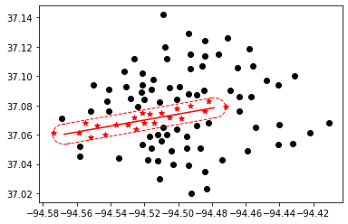
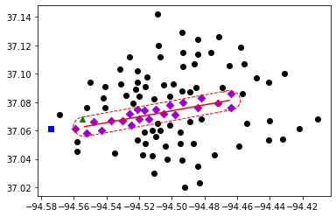
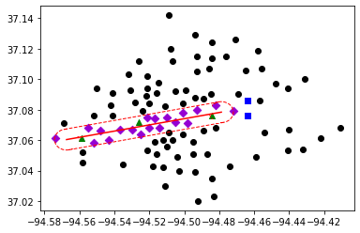
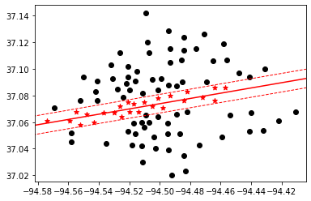
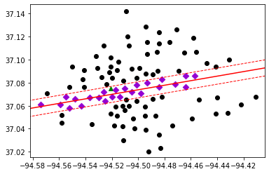
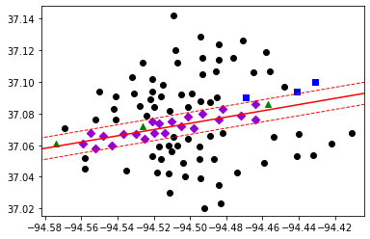
100 clusters | delta 0.375

length | budget $ | Best Bound | Best Objective | Gap | CCG Run time | CCG Iteration | Subproblem Run time | Number of Subproblem Callbacks | Subproblem Callbacks Run Time | Number of Uncertainty Set Check Call | Uncertainty Set Check Run Time | Retrofitting cost/Total % | Recovery cost/Total %
5 | 0 M | 16318 | 16318 | 0 | 126.59 | 2 | 126.45 | 36 | 3.49 | 14 | 1.16 | - | -
 | 15 M | 13312 | 13408 | 0.01 | 306.77 | 3 | 306.41 | 69 | 11.23 | 29 | 5.74 | 60% | 40%
 | 30 M | 13013 | 13091 | 0.01 | 300.22 | 3 | 299.87 | 63 | 10.6 | 33 | 5 | 30% | 67%
unlimited | 0 M | 17293 | 17293 | 0 | 567.88 | 2 | 567.66 | 24 | 3.1 | 0 | 0 | - | -
 | 15 M | 14114 | 14236 | 0.01 | 716.36 | 2 | 716.12 | 33 | 4.66 | 0 | 0 | 62% | 37%
 | 30 M | 13825 | 13839 | 0 | 985.83 | 3 | 985.27 | 40 | 5.23 | 0 | 0 | 35% | 62%

Enhanced Results by generating triple cuts only for the top %20 areas with the most population
length | budget $ | Best Bound | Best Objective | Gap | CCG Run time | CCG Iteration | Subproblem Run time | Number of Subproblem Callbacks | Subproblem Callbacks Run Time | Number of Uncertainty Set Check Call | Uncertainty Set Check Run Time | Retrofitting cost/Total % | Recovery cost/Total %
5 | 0 M | 16318 | 16318 | 0 | 93.97 | 2 | 93.65 | 50 | 9.6 | 14 | 1.93 | - | -
 | 15 M | 13302 | 13435 | 0.01 | 130.79 | 2 | 130.51 | 51 | 9.19 | 13 | 2.92 | 60% | 40%
 | 30 M | 13013 | 13091 | 0.01 | 275.82 | 3 | 274.93 | 85 | 22.21 | 17 | 9.17 | 30% | 67%
unlimited | 0 M | 17293 | 17293 | 0 | 70.75 | 2 | 70.39 | 39 | 5.99 | 0 | 0 | - | -
 | 15 M | 14139 | 14201 | 0 | 157.82 | 3 | 157.17 | 39 | 8.92 | 0 | 0 | 62% | 37%
 | 30 M | 13825 | 13851 | 0 | 145.58 | 3 | 144.83 | 73 | 10.6 | 0 | 0 | 35% | 62%

