Sheet1
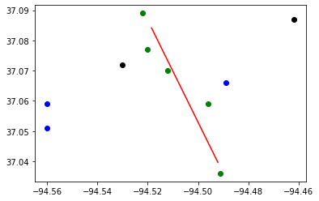
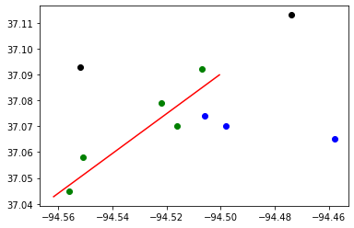
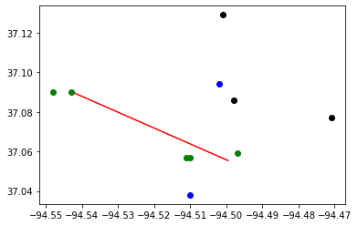
Budget : | 30000000 | Tornado Length: | 5
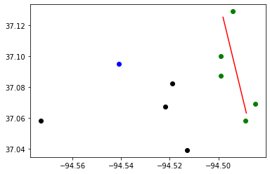
 | # | Subproblem method | Best Bound | Best Objective | Gap | CCG Run time | CCG Iteration | Subproblem Run time | Number of Subproblem Callbacks | Subproblem Callbacks Run Time | Number of Uncertainty Set Check Call | Uncertainty Set Check Run Time
10 Random Blocks in Joplin | Sample1 | Original | 0 | 365 | - | 3600 | 1 | 3600 | 7 | 42 | 0 | 0
 |  | Original + valid cuts | 185 | 185 | 0 | 6.1 | 3 | 6.01 | 11 | 0.31 | 0 | 0
 |  | Decomposed | 185 | 185 | 0 | 0.88 | 3 | 0.77 | 15 | 0.53 | 1 | 0.12
 | Sample2 | Original | 153 | 161 | 0.05 | 4012.14 | 2 | 4012.01 | 12 | 0.76 | 0 | 0
 |  | Original + valid cuts | 153 | 153 | 0 | 25.72 | 3 | 25.52 | 22 | 1.01 | 0 | 0
 |  | Decomposed | 153 | 153 | 0 | 0.68 | 3 | 0.57 | 11 | 0.33 | 0 | 0
 | Sample3 | Original | 178 | 178 | 0 | 4483.95 | 3 | 4483.78 | 18 | 0.92 | 0 | 0
 |  | Original + valid cuts | 178 | 178 | 0 | 9.32 | 3 | 9.2 | 12 | 0.39 | 0 | 0
 |  | Decomposed | 178 | 178 | 0 | 1.5 | 3 | 1.39 | 28 | 0.95 | 0 | 0
 | Sample4 | Original
 |  | Original + valid cuts
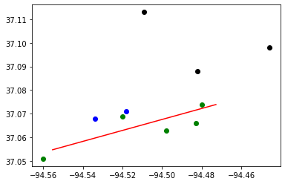
 |  | Decomposed | 75 | 75 | 0 | 1.04 | 3 | 0.94 | 25 | 0.69 | 0 | 0
 | Sample5 | Original | 0 | 103 | - | 3600.26 | 1 | 3600.22 | 5 | 0.21 | 0 | 0
 |  | Original + valid cuts | 65 | 65 | 0 | 36.39 | 3 | 36.27 | 15 | 0.61 | 0 | 0
 |  | Decomposed | 65 | 65 | 0 | 0.88 | 3 | 0.77 | 16 | 0.49 | 0 | 0

