Sheet1
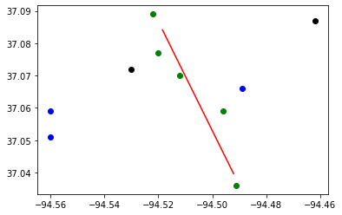
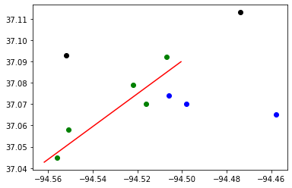
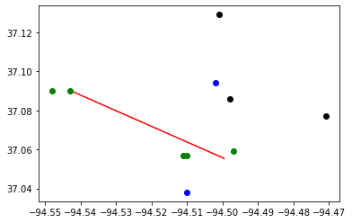
Budget : | 30000000 | Tornado Length: | 5
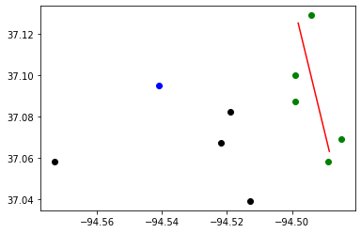
 | # | Subproblem method | Best Objective | Best Bound | Gap | CCG Run time | CCG Iteration | Subproblem Run time | Number of Subproblem Callbacks | Subproblem Callbacks Run Time | Number of Uncertainty Set Check Call | Uncertainty Set Check Run Time
10 Random Blocks in Joplin | Sample1 | Original | 365 | - | - | 3600 | 1 | 3600 | 7 | 42 | 0 | 0
 |  | Original + valid cuts | 185 | 185 | 0% | 6 | 3 | 6 | 11 | 0.31 | 0 | 0
 |  | Decomposed | 185 | 185 | 0% | 1 | 3 | 1 | 15 | 0.53 | 1 | 0.12
 | Sample2 | Original | 161 | 153 | 5% | 4012 | 2 | 4012 | 12 | 0.76 | 0 | 0
 |  | Original + valid cuts | 153 | 153 | 0% | 26 | 3 | 26 | 22 | 1.01 | 0 | 0
 |  | Decomposed | 153 | 153 | 0% | 1 | 3 | 1 | 11 | 0.33 | 0 | 0
 | Sample3 | Original | 178 | 178 | 0% | 4484 | 3 | 4484 | 18 | 0.92 | 0 | 0
 |  | Original + valid cuts | 178 | 178 | 0% | 9 | 3 | 9 | 12 | 0.39 | 0 | 0
 |  | Decomposed | 178 | 178 | 0% | 2 | 3 | 1 | 28 | 0.95 | 0 | 0
 | Sample4 | Original | 56 | - | - | 3600 | 1 | 3600 | 2 | 0.08 | 0 | 0
 |  | Original + valid cuts | 75 | 75 | 0% | 3549 | 3 | 3549 | 26 | 1.33 | 0 | 0
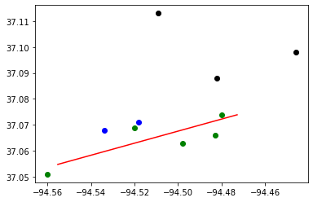
 |  | Decomposed | 75 | 75 | 0% | 1 | 3 | 1 | 25 | 0.69 | 1 | 0.11
 | Sample5 | Original | 103 | - | - | 3600 | 1 | 3600 | 5 | 0.21 | 0 | 0
 |  | Original + valid cuts | 65 | 65 | 0% | 36 | 3 | 36 | 15 | 0.61 | 0 | 0
 |  | Decomposed | 65 | 65 | 0% | 1 | 3 | 1 | 16 | 0.49 | 0 | 0

