IBIZ
WINDY GROUP
SAMPLE REQUISITION FORM

From |  | Md. RAJIB |  |  |  |  |  | Image
Buyer |  | Mango |  |  |  |  |  | 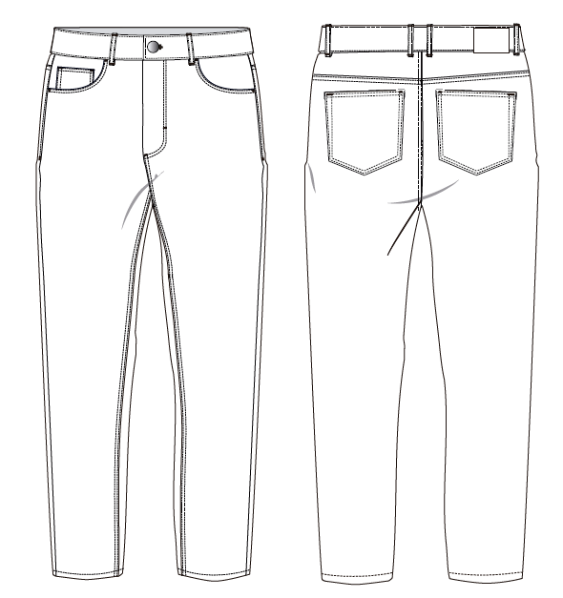
Style |  | IBIZ
Items |  | MEN'S LONG PANT
Type of Sample |  | DV SAMPLE
Sample Requisition Date |  | 30 .09.2022
Sample Required Date |  | 30.07.2022
Techpeck Issue Date
Comments Issue Date
Measure Chart
Ref. Sample Issue Date
Color |  |  |  |  |  |  | PETTREN
Size & Styling |  |  |  | 42 |  |  | B1095HPJ SLIM J
Quantity |  |  |  | 2 PCS
THREAD COLOR
ZIPPER
Part - 1 |  |  |  |  | Part - 2
Fabric & Trims | Issue Date | Yes / No | Remarks |  | Fabric & Trims |  | Issue Date | Yes / No | Remarks
Shell Fabric 1 |  |  | SD-4186 |  | Care Label |  |  | N/a
Pocketing |  |  | white SHEETING pocketing |  | Button |  |  | yes
Weist Contrast
Thread color |  |  |  |  | Buckle |  |  | N/a
THREAD WILL BE | CTN THREAD |  | Thread 20/2 |  | Rivet |  |  | yes
 |  |  | Thread 20/3 |  | Adjst. Elastic |  |  | N/a
 |  |  | Thread 40/2 |  | Plain Elastic |  |  | N/a
 |  | N/a |  |  | Twill Tape: |  |  | N/a
Zipper |  | no | COTTON ZIPPER |  | Print |  |  | N/a
Contrast 1 |  | N/a |  |  | Embroidary |  |  | N/a
Contrast 2 |  | N/a |  |  | Leather Patch |  |  | N/a
Contrast 3 |  | N/a
Padding |  | N/a
Lining |  | N/a
Binding |  | N/a
Sherpa |  | N/a
Quilting |  | N/a
Interlining |  | N/a
Main Label |  | N/a
Size Label |  | N/a
 |  |  |  | Fabric Swatch |  | Pocketing Swatch |  |  |  | Thread Swatch
Note: Sampling Target

* 07 Days for fit sample submission
* 10 Days for Size-set sample submission
* 07 Days for PP sample submission
Any comments must get by 07 days.

 |  |  |  |  |  |  |  |  |  |  | Sample Checked By

