WM -17
WINDY GROUP
SAMPLE REQUISITION FORM

Merchandiser Name |  | MR. RAJIB |  |  |  |  |  | 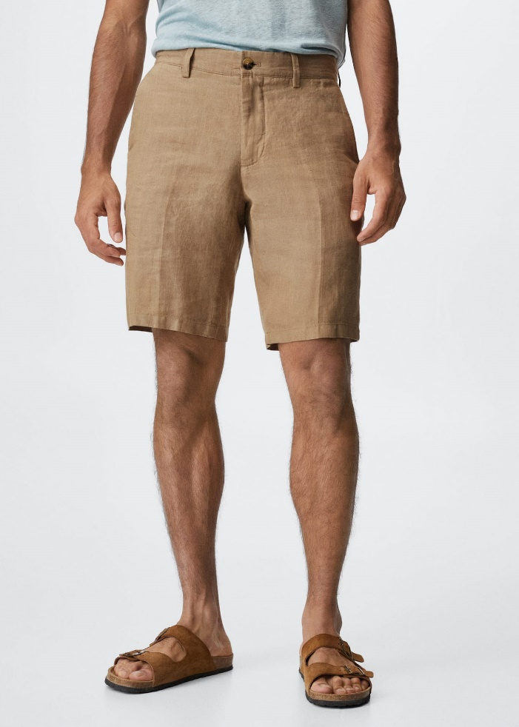 Item Picture
Buyer |  | MANGO
Style |  | WM-40
Item |  | Mens Shorts
Sample Type |  | DEVELOPMENT SAMPLE
Sample Requisition Date |  | 2-Oct-22
Sample Required Date |  | 2-Oct-22
Techpeck Issue Date
Comments Issue Date
PATTERN |  | AS ATTACHED
Styling
Option
Size |  |  | 42
Quantity |  |  | 2
Type of Wash
Part - 1 |  |  |  |  | Part - 2
Fabric & Trims | Issue Date | Yes / No | Remarks |  | Fabric & Trims |  | Issue Date | Yes / No | Remarks
Shell Fabric |  |  | TBA |  | Back Label
 |  |  | Cotton Shedding |  | Back Label
Pocketing
TOP |  | 20/3 | AS PER PICTURE
INSIDE STITCH THREAD |  | 20/2 | AS PER PICTURE
BARTACK |  | 40/2 | AS PER PICTURE
Overlock |  | 40/2
 |  |  |  | Fabric Swatch |  | Pocketing Swatch |  |  |  | Thread Swatch
Note: Sampling Target

* 07 Days for fit sample submission
* 10 Days for Size-set sample submission
* 07 Days for PP sample submission
Any comments must be get by 07 days.

 |  |  |  |  |  | Merchandiser |  |  |  |  | Sample Checked By

