Sheet9
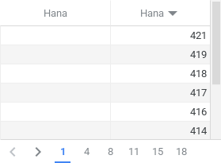
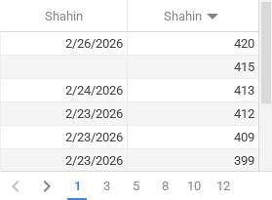
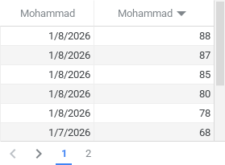
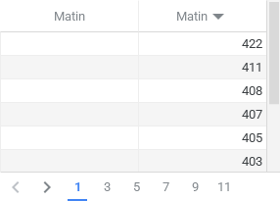
Hana | Shahin | Mohammad | Matin
شماره تسک هایی که به این شخص اساین شده | شماره تسک هایی که به این شخص اساین شده | شماره تسک هایی که به این شخص اساین شده | شماره تسک هایی که به این شخص اساین شده

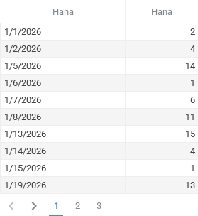
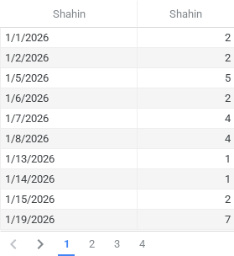
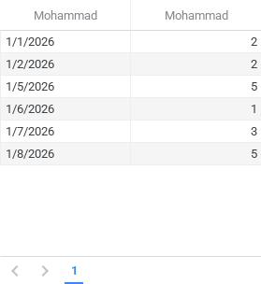
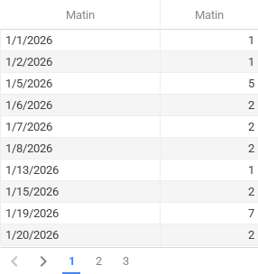
تعداد تسک هایی که به این شخص اساین شده | تعداد تسک هایی که به این شخص اساین شده | تعداد تسک هایی که به این شخص اساین شده | تعداد تسک هایی که به این شخص اساین شده

