Results
Assay Acceptance Criteria |  |  |  | 9-Aug-23 | Eduard Meier

System Suitability- Molecular weight standard

# | Result ID | Rs IgG/ Ovalb. (Resolution) | N IgG (No. of Stages)
MW1 | 10578 | 2.13 | 1539

 | acc. Criteria | ≥ 1.5 | ≥ 1200
 | result | pass | pass

Blank 3
Result ID: 10577
Area of largest Peak in the blank 3: | 0 | (no peak detected) |  |  | RT (min) | Area | % Area (calculated as per method, section 15.1.3)
% Area of largest Peak | 0.00% |  |  | Peak 1 | NA | NA | #VALUE!
Acceptance criterion: |  | no peaks greater than 0.05% |  | Peak 2 | NA | NA | #VALUE!
result: | pass |  |  | Peak 3 | NA | NA | #VALUE!

Reference Material |  |  |  |  |  |  |  |  |  |  |  |  |  |  |  | Reference and Sample Concentration Correction

 |  | Area | Purity | Ret. Time |  |  |  |  |  |  |  |  | HMWS | LMWS |  | Sample | Conc. | Corr. Mean Ref. Total Area | Corr. % Diff. Peak Area
# | Res ID | Main Component | Area% main comp. | [min] | Area HMWS1 | Area HMWS2 | Area HMWS3 | Area HMWS4 | Area LMWS1 | Area LMWS2 | Total Peak Area | Resolution | area % | area % |  |  | [mg/mL]
1 | 10579 | 21000599 | 98.4 | 12.7 | 316968 | 11791 | 9274 | 0 | 0 | 4379 | 21343011 | 2.1 | 1.58% | 0.02% |  | U1 | 12.20255 | 26009559 | -7%
2 | 10580 | 21024426 | 98.4 | 12.7 | 317911 | 10938 | 10357 | 0 | 0 | 5576 | 21369208 | 2.1 | 1.59% | 0.03% |  | U2 | 12.4152 | 26462819 | -5%
3 | 10592 | 20942047 | 98.4 | 12.7 | 312030 | 11246 | 9878 | 0 | 0 | 4070 | 21279271 | 2.1 | 1.57% | 0.02% |  | U3 | 13.16743 | 28066187 | -1%
4 | 10593 | 20925669 | 98.4 | 12.7 | 312822 | 14324 | 9326 | 0 | 0 | 5791 | 21267932 | 2.1 | 1.58% | 0.03% |  | U4 | 13.18273 | 28098799 | -1%
 |  |  |  |  |  |  |  |  |  |  |  |  |  |  |  | U5 | 13.47731 | 28726692 | -3%
%RSD |  | 0.2% |  |  |  |  |  |  |  |  |  |  |  |  |  | U6 | 13.19162 | 28117747 | -1%
average |  | 20973185 | 0.01% | 12.7 |  |  |  |  |  |  | 21314856 |  |  |  |  | U7 | 13.29565 | 28339486 | 0%
 |  |  | acc. Criterion ≤ 0,72% |  |  |  |  |  |  |  |  |  |  |  |  | U8 | 14.72448 | 31385016 | -1%
 |  |  | pass |  |  |  |  |  |  |  |  |  |  |  |  | U9 | 13.25501 | 28252862 | 0%
 | acc. Criteria | ≤ 2% | ≥ 95 % monomer |  |  |  |  |  |  |  |  |  |  |  |  | U10 | 13.46674 | 28704162 | -1%
 | result | pass | pass |  |  |  |  |  |  |  |  | pass |  |  |  |  |  |  | Pass: < 10%

Samples |  |  |  |  |  |  |  |  |  |  |  |  |  |  |  |  | Sample Concentration Correction
JJmAb1 (10 mg/mL)
 |  | Ret. Time | Ret. Time | total | % diff. | Peak Areas |  |  |  |  |  |  |  |  |  |  | Conc. | Corr. Total Area | Corr. Area (Main Peak)
Sample name | Res ID | main comp. | Diff. To DPC | peak area | peak area | HMWS1 | HMWS2 | HMWS3 | HMWS4 | LMWS1 | LMWS2 | Main comp. | HMWS | Main comp. | LMWS |  | [mg/mL]
 |  | [min] | [min] |  |  |  |  |  |  |  |  |  | area % | area % | area %
 |  |  |  |  |  |  |  |  |  |  |  |  |  |  |  |  | 12.20255 | 27722627 | 26984967
U1 (unsheared) | 10581 | 12.7 | 0.0 | 27722627 | -30% | 641202 | 25945 | 5943 | 0 | 25986 | 38584 | 26984967 | 2.43% | 97.3% | 0.23% |  | 12.4152 | 27831991 | 27097200
U2 (unsheared) | 10582 | 12.7 | 0.0 | 27831991 | -31% | 643998 | 23949 | 5302 | 0 | 22783 | 38759 | 27097200 | 2.31% | 97.4% | 0.22% |  | 13.16743 | 26624988 | 25926175
U3 (sheared, PMMA) | 10583 | 12.7 | 0.0 | 28482105 | -34% | 647495 | 28410 | 4504 | 0 | 26949 | 40198 | 27734549 | 2.27% | 97.4% | 0.24% |  | 13.18273 | 26574295 | 25838497
U4 (sheared, Steel) | 10584 | 12.7 | 0.0 | 28460908 | -34% | 654090 | 25307 | 6436 | 34764 | 27062 | 40376 | 27672873 | 2.30% | 97.2% | 0.24% |  | 13.47731 | 26971005 | 26267391
U5 (sheared, PMMA) | 10585 | 12.7 | 0.0 | 29531261 | -39% | 679874 | 22256 | 0 | 0 | 25803 | 42473 | 28760855 | 2.30% | 97.4% | 0.23% |  | 13.19162 | 26547994 | 25845291
U6 (sheared, Steel) | 10586 | 12.7 | 0.0 | 28451914 | -33% | 644599 | 22572 | 0 | 19398 | 25578 | 40952 | 27698815 | 2.27% | 97.4% | 0.23% |  | 13.29565 | 26301874 | 25615213
U7 (worst case, PMMA) | 10587 | 12.7 | 0.0 | 28410436 | -33% | 655880 | 18396 | 0 | 0 | 27510 | 39923 | 27668727 | 2.31% | 97.4% | 0.24% |  | 14.72448 | 26613087 | 25909505
U8 (worst case, Steel) | 10588 | 12.7 | 0.0 | 31835880 | -49% | 729377 | 25017 | 0 | 12964 | 29104 | 45197 | 30994221 | 2.29% | 97.4% | 0.23% |  | 13.25501 | 26159178 | 25476568
U9 (worst case, PMMA) | 10589 | 12.7 | 0.0 | 28169931 | -32% | 646594 | 20175 | 0 | 0 | 27805 | 40505 | 27434852 | 2.30% | 97.4% | 0.24% |  | 13.46674 | 26462866 | 25686976
U10 (worst case, Steel) | 10590 | 12.7 | 0.0 | 28952161 | -36% | 650113 | 23720 | 0 | 106569 | 27087 | 41387 | 28103285 | 2.25% | 97.1% | 0.24%

Acceptance criteria |  |  | 0.0 |  | < 10 %
Result |  |  | pass |  | pass | (see corr. box)

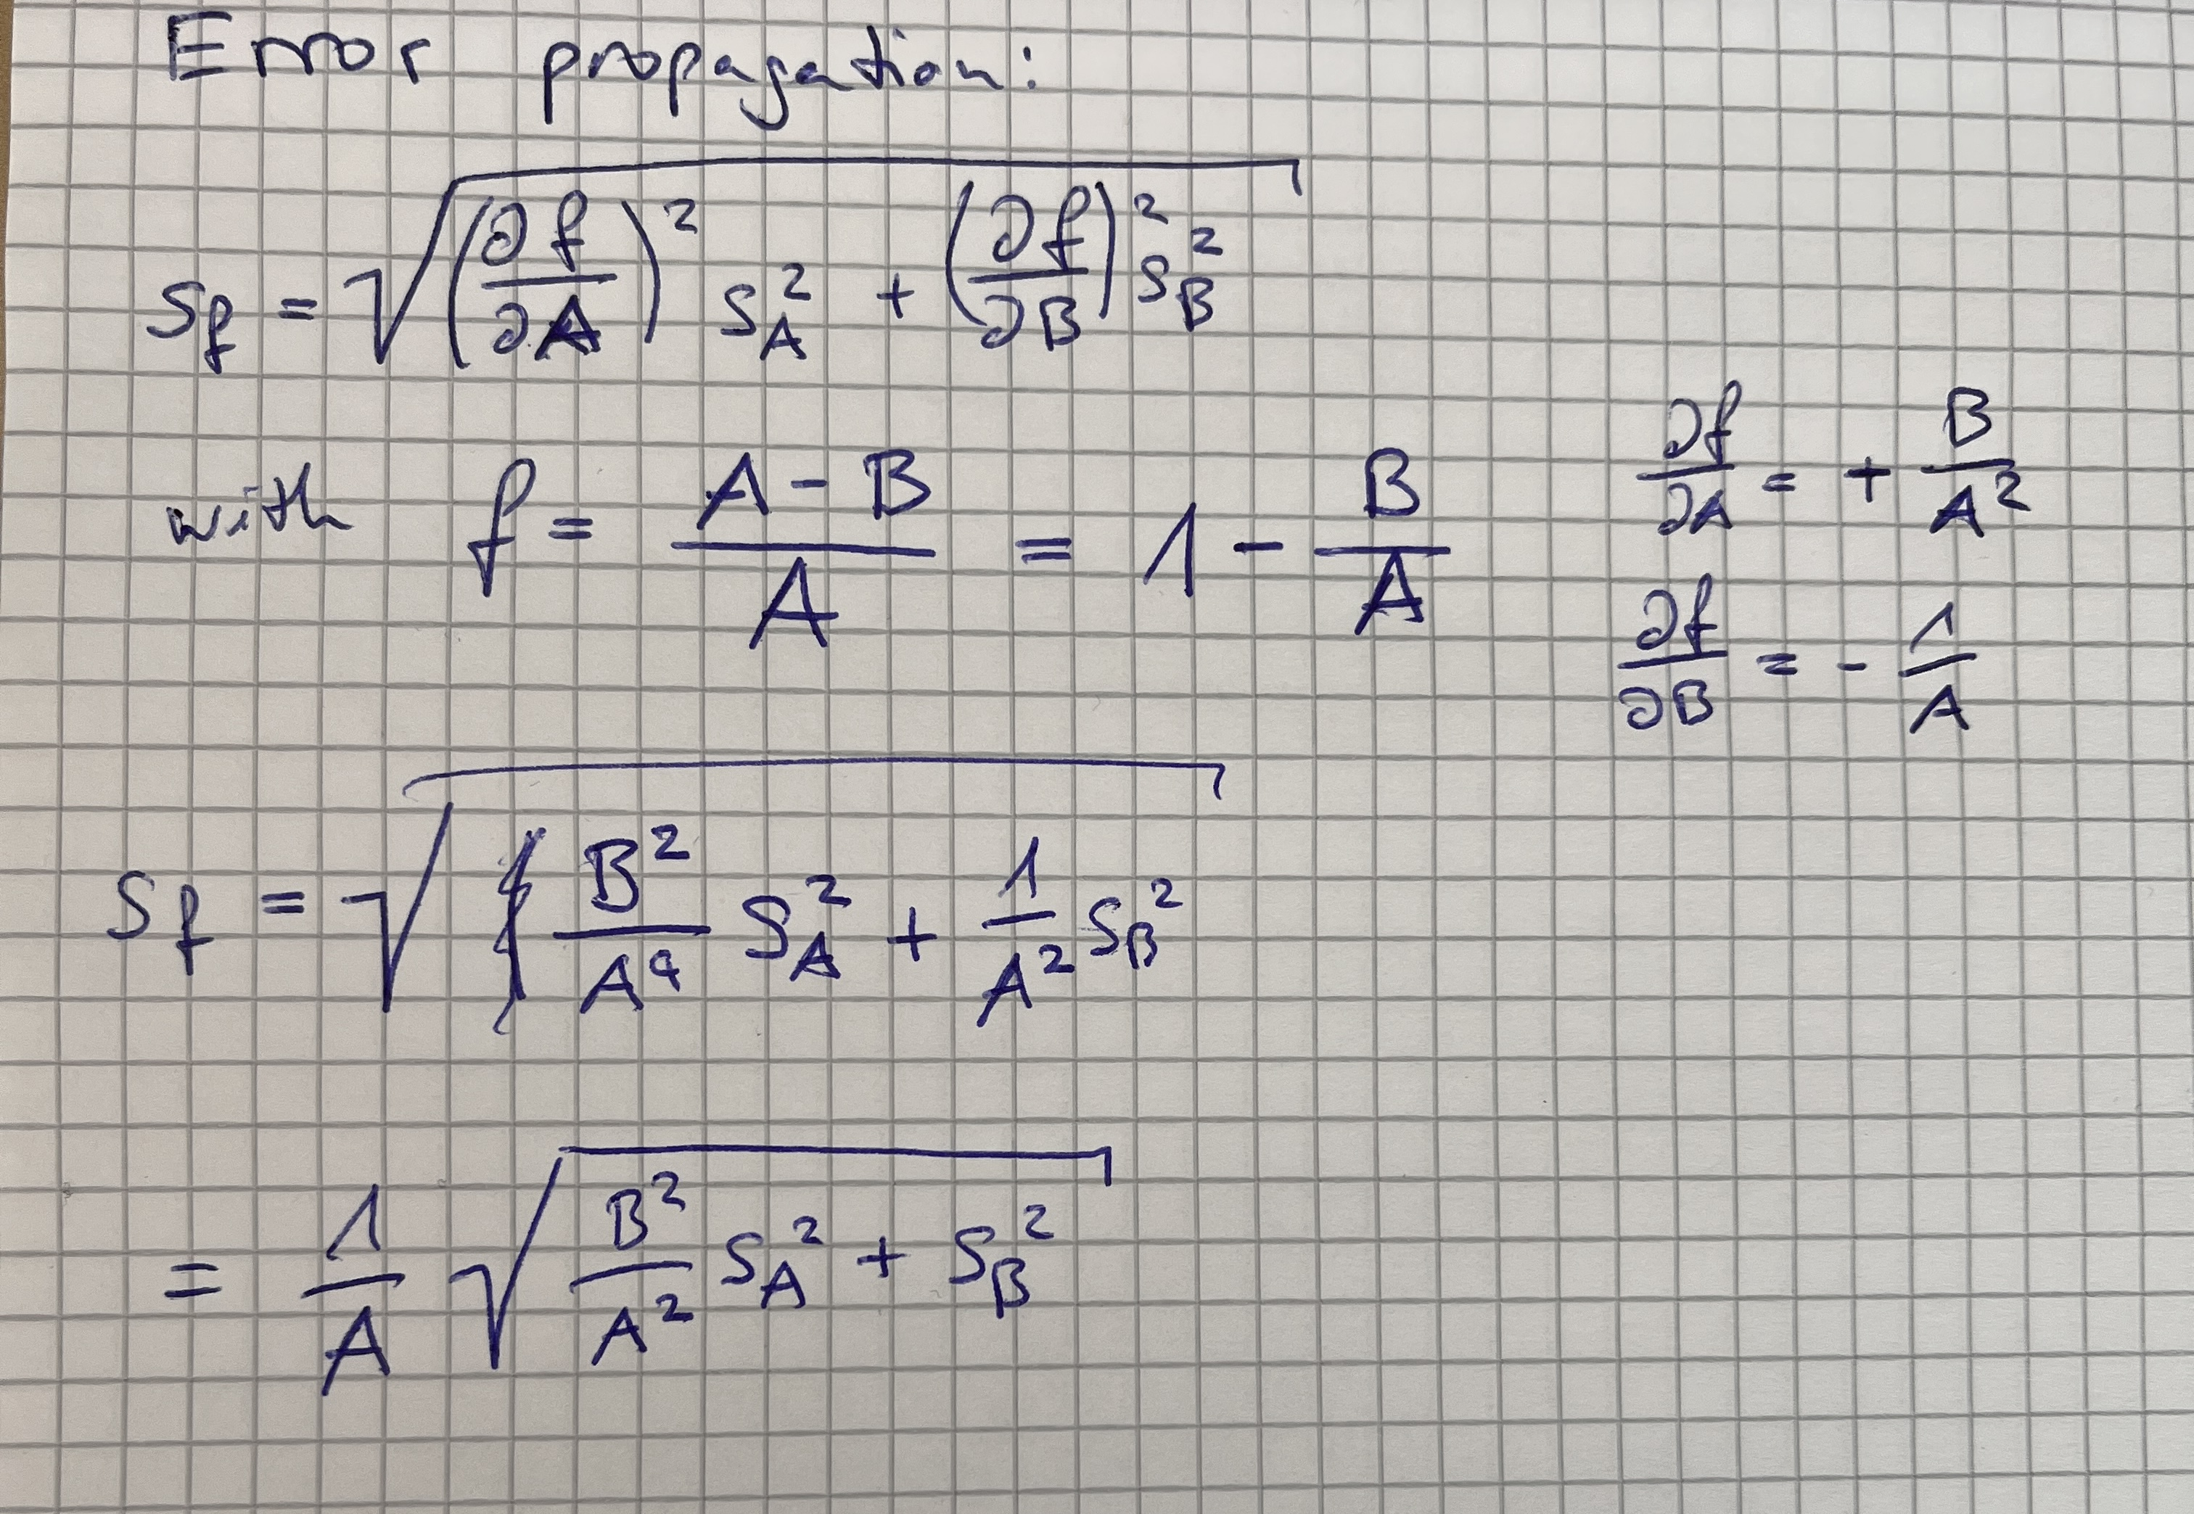
Monomer Loss Calculation

 |  | Avg. Main Comp. Uncorr. | Avg. Main Comp. Corr. | Std. Dev. Main Comp.
Average Unsheared |  | 27041084 | 27041084 | 79361
Average Sheared PMMA |  | 28247702 | 26096783 | 241276
Average Sheared Steel |  | 27685844 | 25841894 | 4803
Average Worst Case PMMA |  | 27551790 | 25545890 | 98037
Average Worst Case Steel |  | 29548753 | 25798240 | 157352

Monomer Loss PMMA Sheared |  | -4.5% | 3.5% | 0.9%
Monomer Loss Steel Sheared |  | -2.4% | 4.4% | 0.3%
Monomer Loss PMMA Worst Case |  | -1.9% | 5.5% | 0.5%
Monomer Loss Steel Worst Case |  | -9.3% | 4.6% | 0.6%
 |  |  |  | (see error prop. calc.)

