(1) Q1_Components
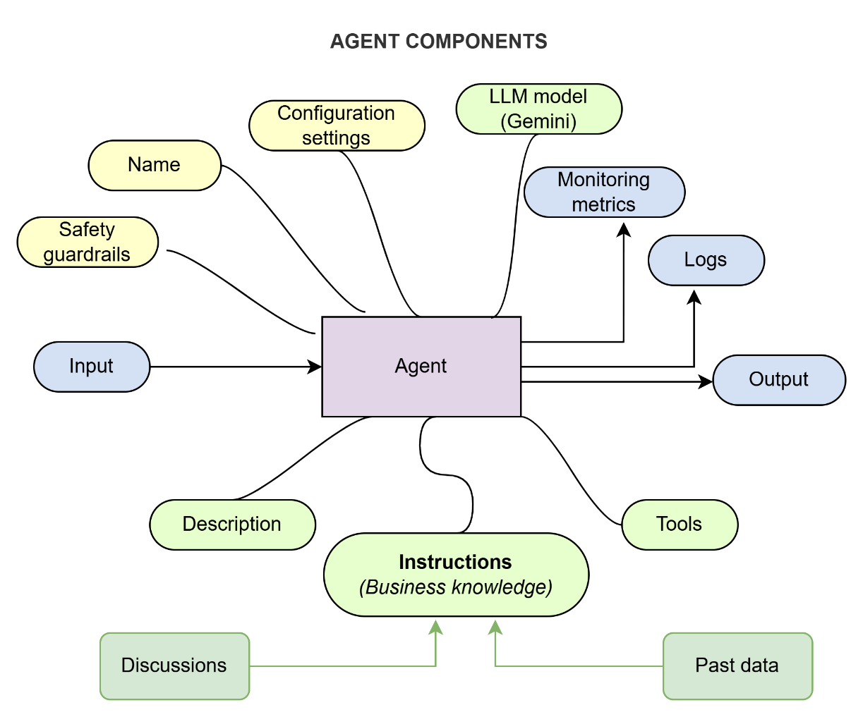
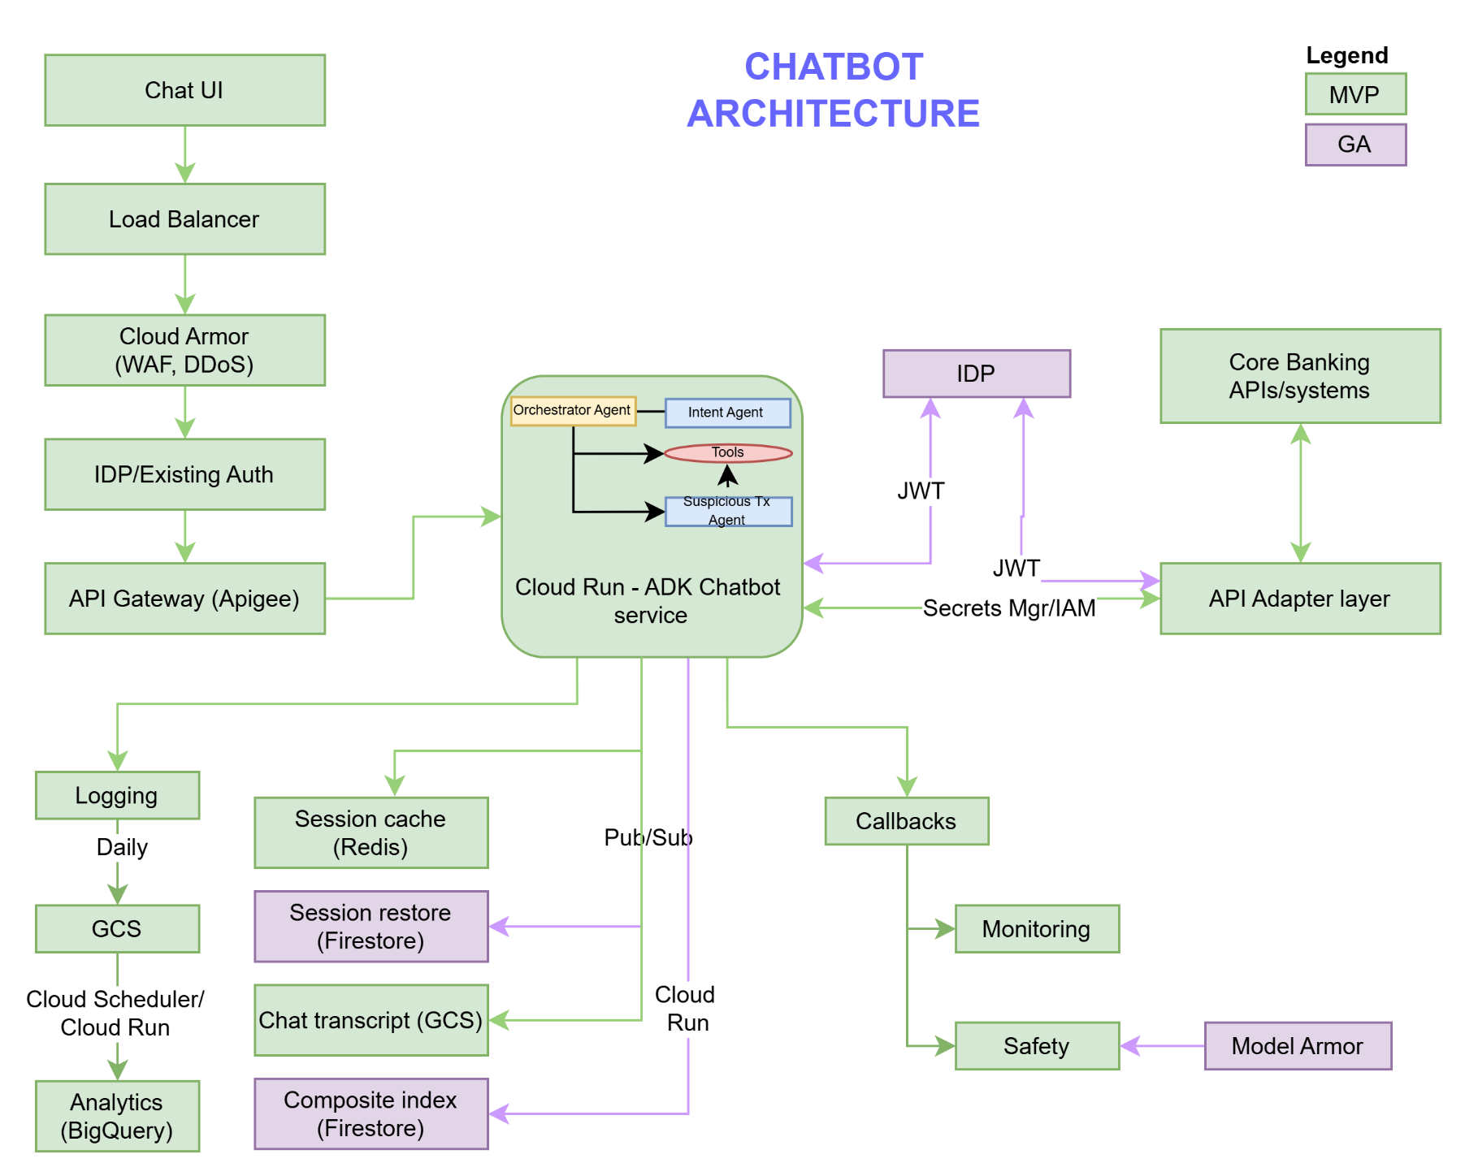
Sl. | Components | Type
1 | Multi-agents based on prompt templates built with Google ADK | Agent
2 | Agent with instructions, tools and config parameters | Agent
3 | Session caching with Redis | Caching
4 | Tool and Semantic cache | Caching
5 | Session restoration with Firestore (definitely in GA) | Caching
6 | Session single source of truth on GCS | Memory
7 | Session retrieval from GCS with Firestore componsite index ( potentially in GA) | Memory
8 | Pub/Sub for session restoration and archival | Memory
9 | Logging - 3 types | Monitoring
10 | Model callbacks/Cloud Traces integration for monitoring | Monitoring
11 | Transactiong analytics on BQ | Monitoring
12 | Cloud Run for daily analytics into BigQuery | Monitoring
13 | Cloud Scheduler for daily analytics | Monitoring
14 | Load balancer | Networking
15 | API Gateway/APIGEE | Networking
16 | Authentication with existing tech | Security
17 | Cloud Armor for WAF and DDoS | Security
18 | Model callbacks for safety guardrails | Safety
19 | Model Armor for safety guardrails (potentially in GA) | Safety
20 | Cloud Run for agent deployment | Deployment
21 | CICD pipelines | Deployment
22 | Data adapter layer | Data
23 | Core banking system encapsulated via Adapter layer | Data

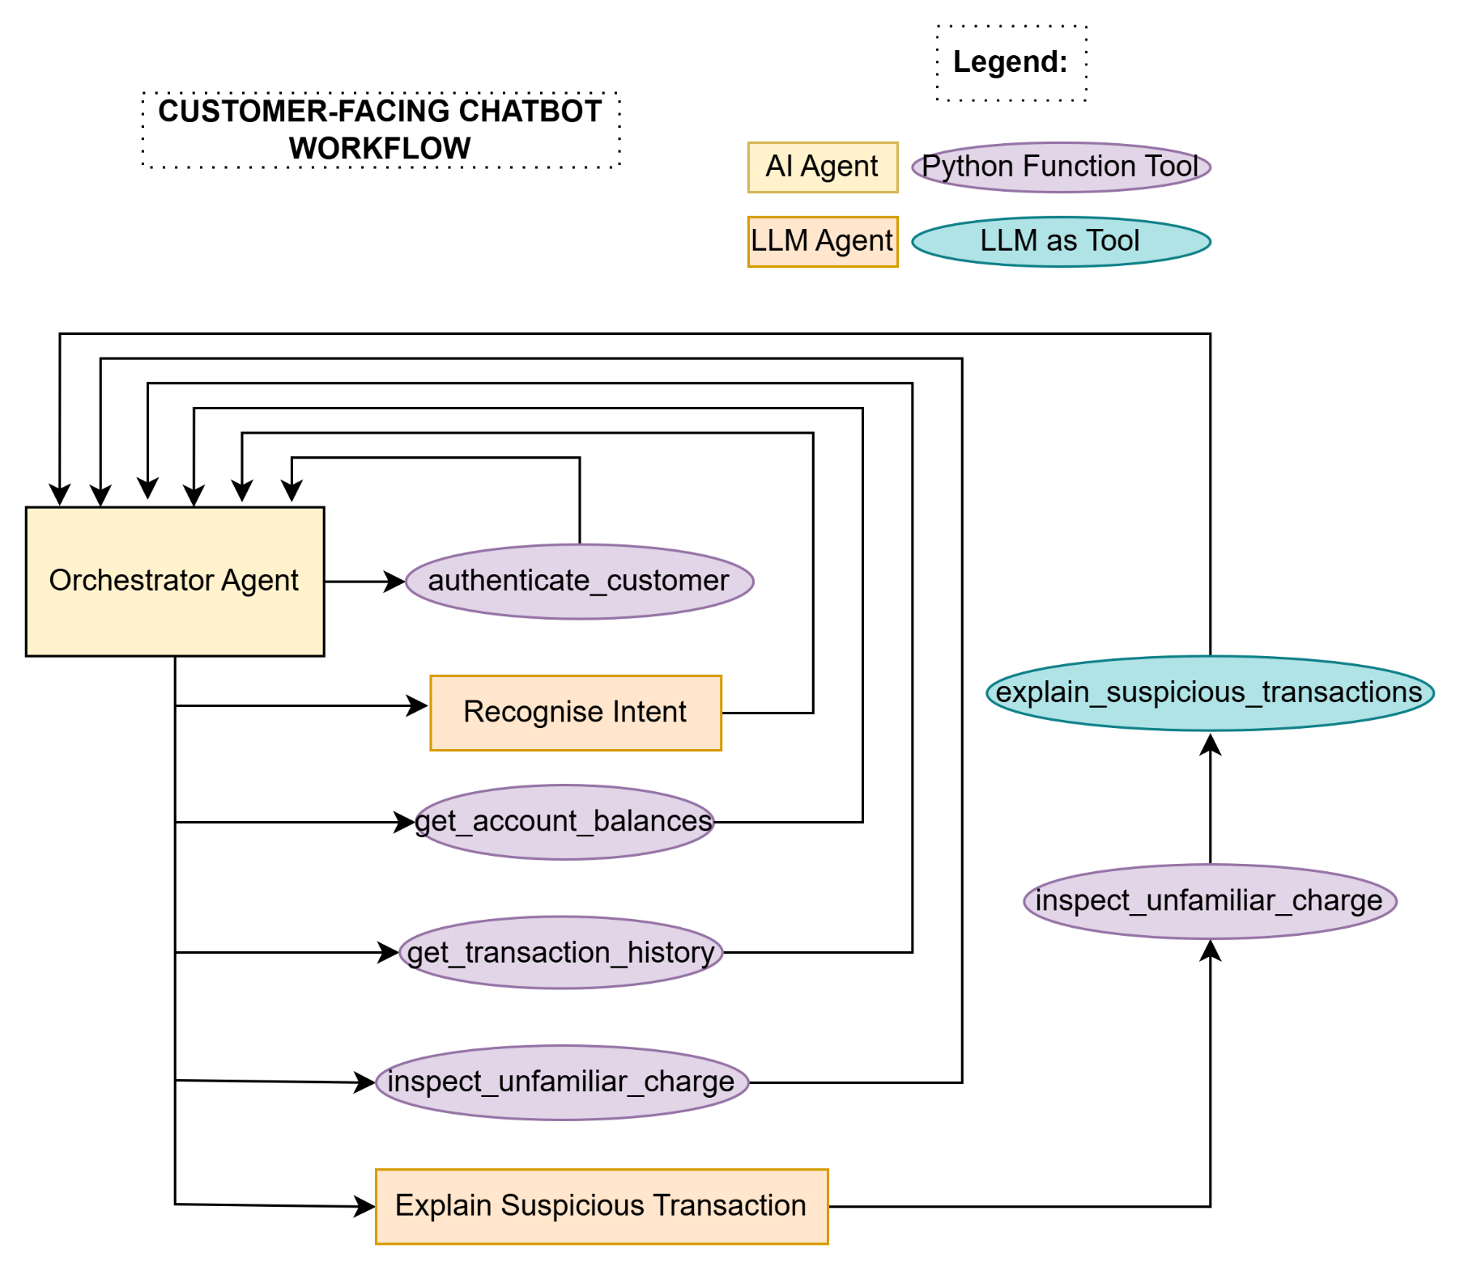
 | Architectural assumption: - Chat UI can be standalone or embedded in existing application. The subsequent flow and components have been considered. - Google ADK is deployed with Cloud Run and existing bank authentication is used to authenticate users.
 | Other teams and systems: - Core banking application and team - Existing bank security method and security team - Architecture, Networking, Application support, Cloud Engg teams - CAB and business

(5) Deliverable_2_Output
