EDA Task Type
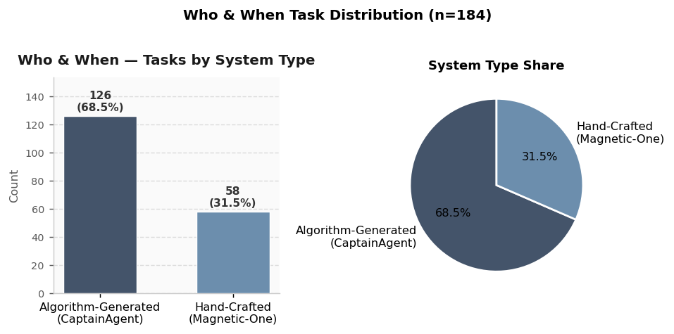
EDA: Task Type Distributions — All Databases
Each chart shows how trajectories / tasks are distributed across task types within each database. Counts reflect total annotated examples (not unique tasks). MAST n=1,242 | AgentRx n=73 | AgentErrorBench n=200 | Who & When n=184.
Dataset Scale Overview
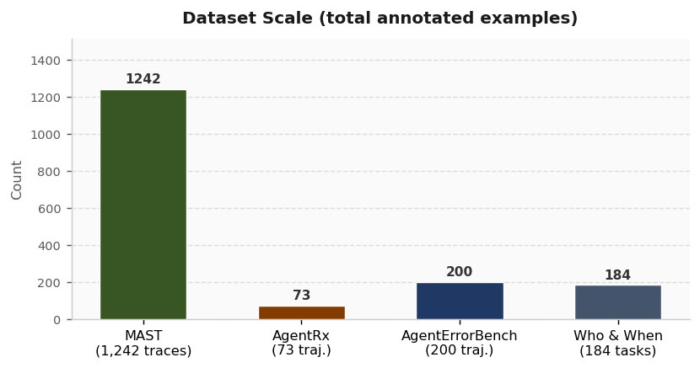

MAST (n = 1,242 traces)
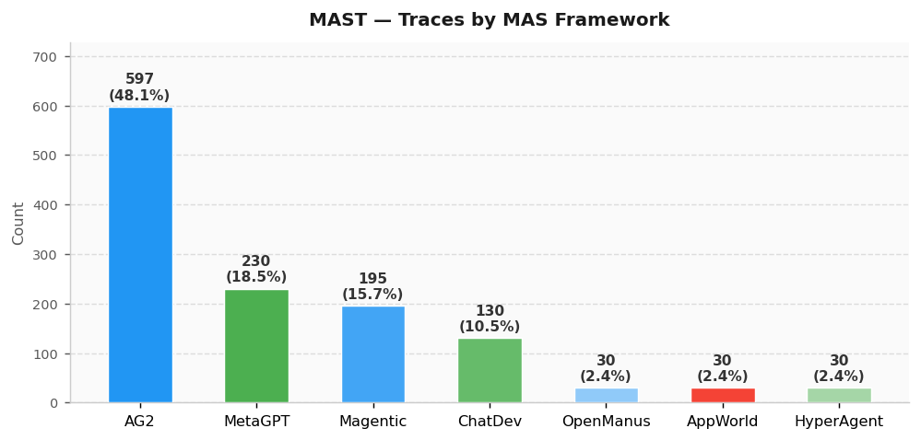
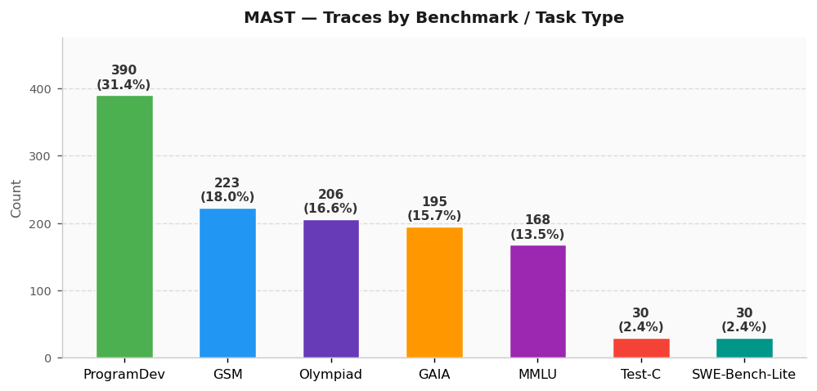

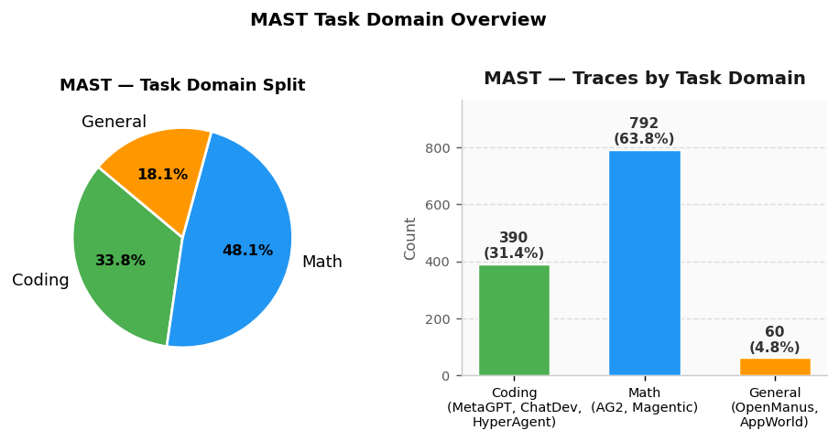
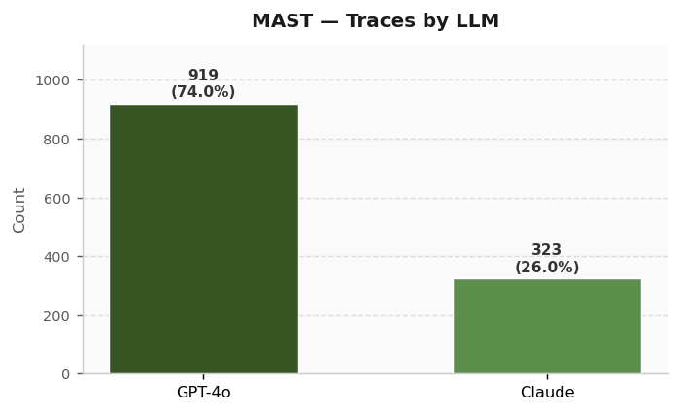

AgentRx (n = 73 trajectories)
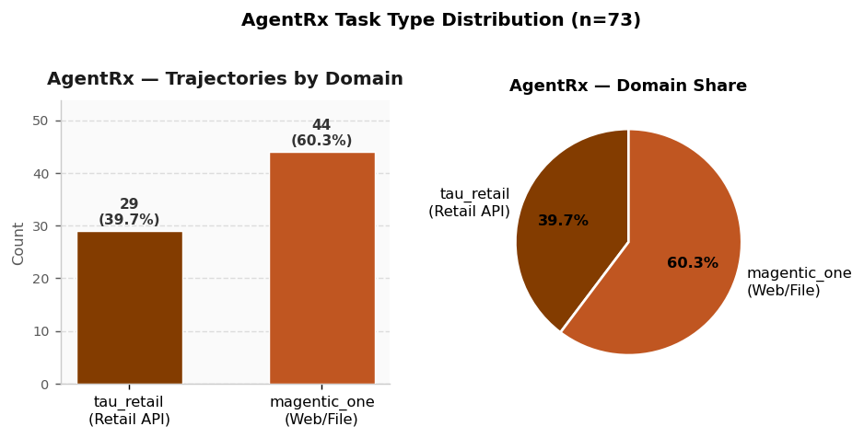

AgentErrorBench (n = 200 trajectories)
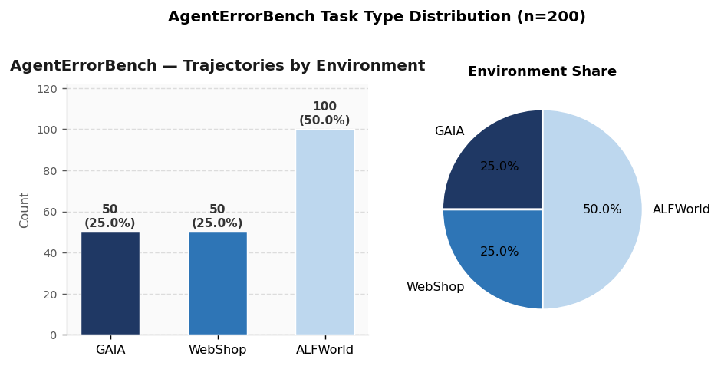
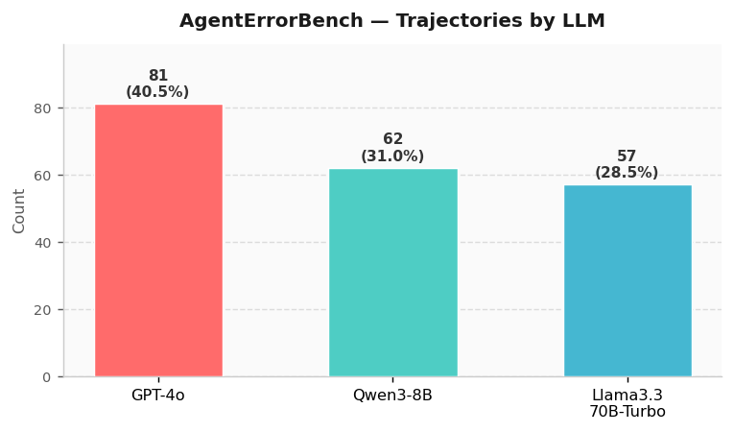

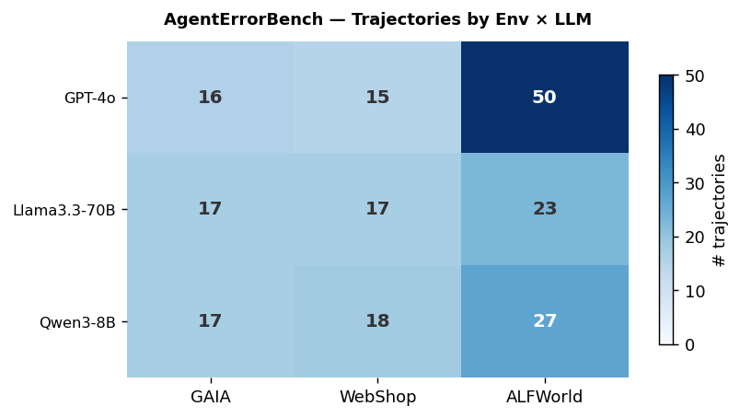

Who & When (n = 184 tasks)

