Sheet1
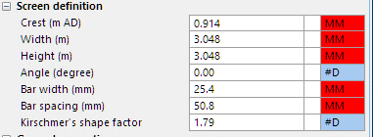
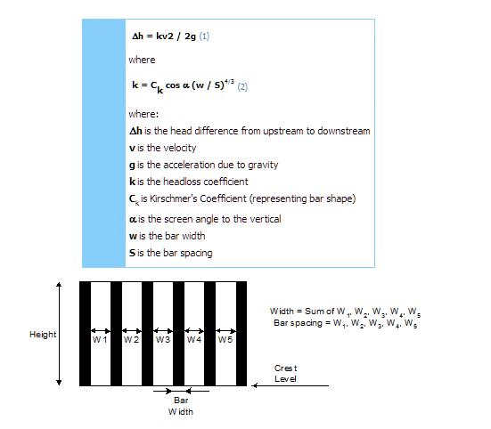
0.71036197076 | k
 | 0.00517577012 |  | crest | 0.914 | m
 |  |  | us head | 1.017 | m
 |  |  | ds head | 0.828 | m
g | 32.26 | ft/sec | g | 9.81 | m/s2
ck | 1.79 | na | ck | 1.79 | na
alpha | 0 | degree | alpha | 0 | degree
w | 1 | in | w | 25.4 | mm
s | 2 | in | s | 50.8 | mm
k | 0.71036197076 | na | k | 0.71036197076 | na
v | 0.685 | ft/sec | v | 1.086 | m/s
dh | 0.0051661437652 | ft | dh | 0.042701226649 | m
 |  |  | h1-h2 | 0.189 | m
 |  |  | q | 0.14158 | m3/s

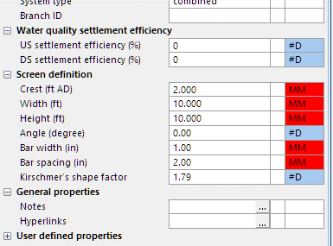

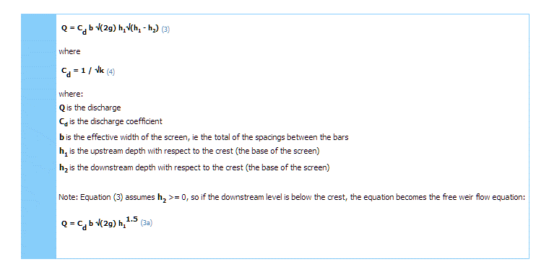
 |  |  | cd | 1.1864792525 | na
 |  |  | b | 2.032 | m
 |  |  | w | 3.048 | m
 |  |  | h1 | 0.103 | m | 40
 |  |  | h2 | -0.086 | m
 |  |  | q | 0.35301177386

