README_Instructions
RJK CONSTRUCTION - BUDGET TRACKER | 
Purpose:
This workbook is the new required standard for all budgeting, estimating, job tracking, and forecasting of any kind for construction projects at RJ Kelly.

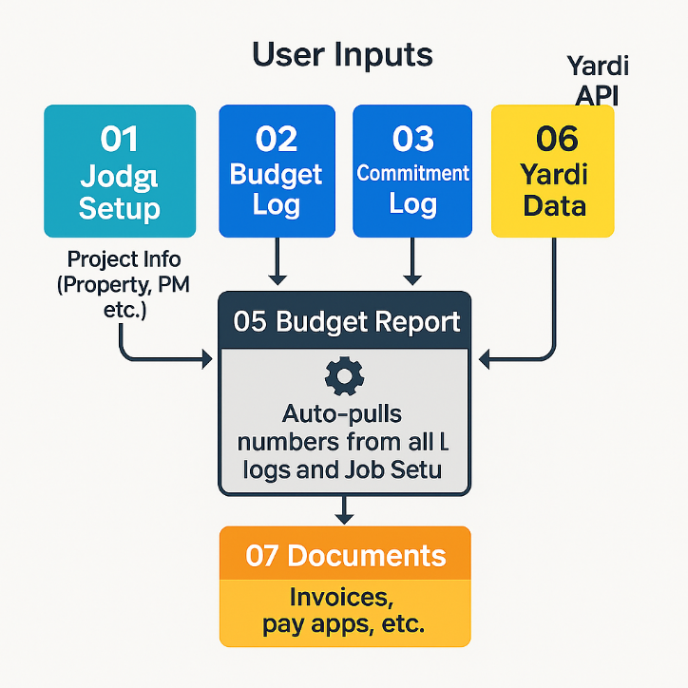
Color Legend:
Cells in blue font are for manual input by Project Managers. All other cells are locked.
Cells in black font are formula's and are not able to be edited

Workflow:
Step 1: Job Setup: Navigate to '01_Job Setup' tab and fill in the project's high-level details and scope of work.
Step 2: Build Forecast & Budget: Use Commitment, Estimate, and Budget Logs to create Forecast and Budget amounts that populate in '05_Budget_Report'. Based on Cost Code Category and Vendor. -'02_Commitment_Log' : Record Subcontracts, Subcontract Change Orders, and Material Purchase Orders. Feeds into PM Forecast when 'Approved' status. -'03_PCC_Log' : Record Probably Construction Cost (PCC) estimates. Feeds into PM Forecast when 'Approved' status. -'04_Budget_Log' : Record Original Budget and any Budget changes. Feeds into Original and Revised Budget.

Step 3: Tracking and Updating Budget: Track & Forecast: As the job progresses: - Log all contracts and POs in the '03_Commitment_Log'. - Log all budget changes in the '04_Change_Order_Log'. - Regularly update the 'Invoiced Cost' and 'PM Forecasted Final Cost' columns on the '02_Budget_Forecast' sheet to maintain an accurate projection.

 |  | PROJECT COST MANAGEMENT WORKBOOK - COMPREHENSIVE README
 |  | Generated: 2025-07-20 00:29 UTC

 |  | OVERVIEW
 |  | This workbook is RJK Construction's standardized project cost management system for budget tracking, forecasting, and financial reporting of construction projects. It integrates job setup parameters, commitment logging, potential cost tracking, and budget management into a comprehensive dashboard that provides real-time budget vs. actual analysis with Power Pivot data model integration for historical invoice tracking.

 |  | WORKBOOK STRUCTURE
 |  | • Total Sheets: 11
 |  | • Structured Tables: 8 (tblCommitments, tblPotentialCosts, tblBudetLog, tblBudget, tblProperties, tblVendors, tblCostCodes, tblLookups, ProjectManagers)
 |  | • Power Pivot Data Model: Yes (ThisWorkbookDataModel with CUBE formulas)
 |  | • VBA Macros: None
 |  | • Charts: None currently

 |  | SHEET-BY-SHEET GUIDE
 |  | 1. README_Instructions
 |  | • Purpose: Basic user instructions and color legend
 |  | • Key Info: Blue font = manual input by PMs, Black font = locked formulas
 |  | • Workflow: Job Setup → Build Forecast & Budget using logs

 |  | 2. 01_Job_Setup (INPUT SHEET)
 |  | • Purpose: Project configuration and high-level parameters
 |  | • Key Fields: Property (12inno), Job Name (12Inno Bldg Demise), PM (Doug Malone), Status (BUDGETING), Type (CAPEX)
 |  | • Dependencies: Feeds project info to all other sheets via cell references
 |  | • User Action: Complete all blue font fields before proceeding to logs

 |  | 3. 02_Commitment_Log (INPUT SHEET)
 |  | • Purpose: Record subcontracts, change orders, and purchase orders
 |  | • Table: tblCommitments (linked to Budget Forecast)
 |  | • Key Fields: Category, Vendor, Commitment Amount, Status
 |  | • Formula Logic: Only 'Approved' status commitments feed into forecast

 |  | 4. 03_PCC_Log (INPUT SHEET)
 |  | • Purpose: Track Probable Construction Cost estimates
 |  | • Table: tblPotentialCosts (linked to Budget Forecast)
 |  | • Key Fields: Category, PCC Amount, Status
 |  | • Formula Logic: Only 'Approved' status PCCs feed into forecast

 |  | 5. ErrorLog (SYSTEM SHEET)
 |  | • Purpose: Tracks system errors and validation issues
 |  | • Usage: Monitor for data integrity problems

 |  | 6. 04_Budget_Log (INPUT SHEET)
 |  | • Purpose: Record original budgets and budget adjustments
 |  | • Table: tblBudetLog (feeds Budget Forecast)
 |  | • Key Fields: Category, Budget Type (Original Budget/Budget Adjustment), Budget Amount

 |  | 7. 05_Budget_Forecast (OUTPUT DASHBOARD)
 |  | • Purpose: Main reporting dashboard with comprehensive budget analysis
 |  | • Table: tblBudget (calculated output table)
 |  | • Key Calculations:
 |  | - Revised Budget = Original Budget + Approved Changes
 |  | - Forecasted Final Cost = Committed Cost + PCC
 |  | - Forecasted (Over)/Under = Revised Budget - Forecasted Final Cost
 |  | • Advanced Features: Dynamic category list with LET formulas, CUBE formulas for historical data

 |  | 8. zz_data (REFERENCE DATA)
 |  | • Purpose: Master data tables for lookups and validation
 |  | • Tables: tblProperties, tblVendors, tblCostCodes, tblLookups, ProjectManagers
 |  | • Largest dataset: 123 rows × 19 columns

 |  | 9. zzz_yardi import (DATA IMPORT)
 |  | • Purpose: Staging area for Yardi system data imports
 |  | • Size: 27 rows × 6 columns

 |  | 10. TENANT_ESTIMATE (CALCULATION SHEET)
 |  | • Purpose: Tenant-specific cost estimates and allocations
 |  | • Size: 25 rows × 4 columns

 |  | 11. PAY_APP (PAYMENT APPLICATION)
 |  | • Purpose: Payment application processing and tracking
 |  | • Size: 49 rows × 31 columns
 |  | • Known Issues: Multiple #VALUE! errors in calculated columns V, Y, Z

 |  | DATA FLOW WORKFLOW
 |  | ┌─────────────────┐ ┌──────────────────┐ ┌─────────────────┐
 |  | │ 01_Job_Setup │───▶│ Log Sheets │───▶│ 05_Budget_ │
 |  | │ (Parameters) │ │ • Commitment Log │ │ Forecast │
 |  | │ │ │ • PCC Log │ │ (Dashboard) │
 |  | │ │ │ • Budget Log │ │ │
 |  | └─────────────────┘ └──────────────────┘ └─────────────────┘
 |  | │ │ ▲
 |  | │ ┌────────▼────────┐ │
 |  | │ │ zz_data │ │
 |  | │ │ (Reference │ │
 |  | │ │ Tables) │ │
 |  | │ └─────────────────┘ │
 |  | │ │
 |  | ▼ │
 |  | ┌─────────────────┐ ┌─────────────────────────┘
 |  | │ Power Pivot │ │ CUBE Formulas
 |  | │ Data Model │◀─────────────┤ (Historical Data)
 |  | │ (Historical) │ │
 |  | └─────────────────┘ └

 |  | USER INSTRUCTIONS
 |  | STEP 1: Initial Project Setup
 |  | • Navigate to '01_Job_Setup' tab
 |  | • Complete all fields with blue font (manual input)
 |  | • Critical fields: Property code, Job name, Project Manager, Status, Type
 |  | • Ensure Yardi Job Code is accurate for system integration

 |  | STEP 2: Budget Entry
 |  | • Use '04_Budget_Log' to enter original budget amounts by category
 |  | • Budget Type options: 'Original Budget' or 'Budget Adjustment'
 |  | • Categories must match reference data in zz_data sheet

 |  | STEP 3: Commitment Tracking
 |  | • Record all subcontracts and purchase orders in '02_Commitment_Log'
 |  | • Set Status to 'Approved' only when commitment is finalized
 |  | • Link to vendors in tblVendors for consistency

 |  | STEP 4: Potential Cost Estimates
 |  | • Use '03_PCC_Log' for probable construction cost estimates
 |  | • Only set Status to 'Approved' for realistic estimates
 |  | • PCC amounts help project final costs before commitments

 |  | STEP 5: Monitor Dashboard
 |  | • Review '05_Budget_Forecast' for real-time budget analysis
 |  | • Key metrics: Forecasted (Over)/Under budget by category
 |  | • Monitor categories showing potential overruns

 |  | DATA REFRESH INSTRUCTIONS
 |  | • Budget Forecast updates automatically when log data changes
 |  | • Power Pivot refresh: Data > Refresh All (for historical CUBE data)
 |  | • Manual calculation: Ctrl+Alt+F9 (if calculation mode is manual)

 |  | KEY FORMULAS & TECHNICAL FEATURES
 |  | ADVANCED FORMULAS IN BUDGET FORECAST:
 |  | • Dynamic Category List (Column B):
 |  | LET formula combining table categories with Power Pivot members
 |  | - Aggregates categories from: tblPotentialCosts, tblCommitments, tblBudetLog
 |  | - Merges with CUBE data model categories using CUBESET/CUBERANKEDMEMBER
 |  | - Eliminates duplicates and sorts alphabetically

 |  | • Budget Calculations (Columns C-I):
 |  | - SUMIFS formulas linking to structured table references
 |  | - Status-dependent logic (only 'Approved' items included)
 |  | - Table references: [@Category] for dynamic row context

 |  | • Historical Data Integration (Column J):
 |  | - CUBEVALUE formulas accessing ThisWorkbookDataModel
 |  | - Measure: [Amount by _Category] for invoice history
 |  | - Dynamic member reference using CUBEMEMBER function
 |  | - IFNA error handling for missing categories

 |  | STRUCTURED TABLE RELATIONSHIPS:
 |  | • tblCommitments → Budget Forecast (Committed Cost column)
 |  | • tblPotentialCosts → Budget Forecast (PCC column)
 |  | • tblBudetLog → Budget Forecast (Original Budget & Approved Changes)
 |  | • tblProperties → Job Setup validation and display names
 |  | • Power Pivot Model → Historical invoice data via CUBE formulas

 |  | KNOWN ISSUES & RISK AREAS
 |  | IMMEDIATE ATTENTION REQUIRED:
 |  | • PAY_APP Sheet: Multiple #VALUE! errors in calculation columns V, Y, Z
 |  | - Affects payment application accuracy
 |  | - Requires formula review and correction

 |  | • CUBE Formula Errors: #NAME? errors in Budget Forecast Column J
 |  | - Power Pivot data model may need refresh
 |  | - Check Power Pivot connection and measures

 |  | PERFORMANCE CONSIDERATIONS:
 |  | • Complex LET formulas in Budget Forecast may slow recalculation
 |  | • CUBE formulas are volatile and recalculate frequently
 |  | • Large dataset in zz_data (123×19) affects lookup performance
 |  | • Consider manual calculation mode during heavy data entry

 |  | DATA INTEGRITY RISKS:
 |  | • Category consistency across all log tables critical for accurate reporting
 |  | • Status field validation needed (should be dropdown with Approved/Pending)
 |  | • No data validation on numeric fields (budget amounts, costs)
 |  | • Missing error handling for deleted reference data

 |  | IMPROVEMENT RECOMMENDATIONS
 |  | IMMEDIATE IMPROVEMENTS (High Priority):
 |  | 1. Fix PAY_APP calculation errors - resolve #VALUE! errors
 |  | 2. Repair Power Pivot connection - resolve #NAME? errors in CUBE formulas
 |  | 3. Add data validation dropdowns:
 |  | • Status fields: Approved, Pending, Cancelled
 |  | • Categories: Link to zz_data cost code list
 |  | • Vendors: Link to tblVendors

 |  | FORMULA OPTIMIZATION (Medium Priority):
 |  | 4. Convert complex LET formulas to named ranges or LAMBDA functions
 |  | 5. Replace CUBE formulas with direct table relationships where possible
 |  | 6. Implement structured references consistently across all sheets
 |  | 7. Add error handling with IFERROR wrapping for critical calculations

 |  | USER EXPERIENCE ENHANCEMENTS (Lower Priority):
 |  | 8. Add charts to Budget Forecast for visual budget vs. actual analysis
 |  | 9. Create summary dashboard with KPI metrics
 |  | 10. Implement conditional formatting for over-budget categories
 |  | 11. Add print-friendly formatting and page breaks
 |  | 12. Create user input forms with VBA for easier data entry

 |  | VERSION CONTROL & MAINTENANCE
 |  | • Save incremental versions when making structural changes
 |  | • Recommended naming: ProjectName_BudgetTracker_v1.0.xlsx

