Theatre Outcomes by Launch Date
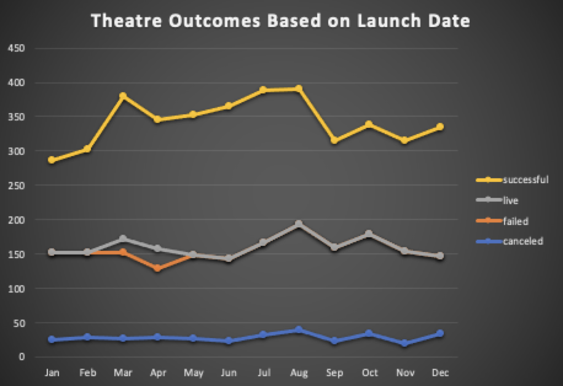
Parent Category | (All)
Year | (All)

Count of outcomes | Column Labels
Row Labels | canceled | failed | live | successful | Grand Total
Jan | 26 | 127 |  | 133 | 286
Feb | 29 | 124 |  | 150 | 303
Mar | 28 | 124 | 20 | 207 | 379
Apr | 29 | 100 | 29 | 187 | 345
May | 28 | 120 | 1 | 204 | 353
Jun | 23 | 120 |  | 222 | 365
Jul | 33 | 134 |  | 222 | 389
Aug | 39 | 155 |  | 196 | 390
Sep | 24 | 136 |  | 156 | 316
Oct | 34 | 145 |  | 160 | 339
Nov | 21 | 133 |  | 161 | 315
Dec | 35 | 112 |  | 187 | 334
Grand Total | 349 | 1530 | 50 | 2185 | 4114

Outcomes Based on Goals
Goal | Number Successful | Number Failed | Number Canceled | Total Projects | Percentage Successful | Percentage Failed | Percentage Canceled
Less than 1000 | 141 | 45 | 0 | 186 | 0.75806451613 | 0.24193548387 | 0 | 141
1000-4999 | 388 | 128 | 0 | 516 | 0.7519379845 | 0.2480620155 | 0
5000-9999 | 93 | 76 | 0 | 169 | 0.55029585799 | 0.44970414201 | 0
10000-14999 | 39 | 33 | 0 | 72 | 0.54166666667 | 0.45833333333 | 0
15000-19999 | 12 | 12 | 0 | 24 | 0.5 | 0.5 | 0
20000-24999 | 9 | 11 | 0 | 20 | 0.45 | 0.55 | 0
25000-29999 | 1 | 4 | 0 | 5 | 0.2 | 1 | 0
30000-34999 | 3 | 8 | 0 | 11 | 0.27272727273 | 0.72727272727 | 0
35000-39999 | 4 | 2 | 0 | 6 | 0.66666666667 | 0.33333333333 | 0
40000-44999 | 2 | 1 | 0 | 3 | 0.66666666667 | 0.33333333333 | 0
45000-49999 | 0 | 1 | 0 | 1 | 0 | 1 | 0
50000 or More | 2 | 14 | 0 | 16 | 0.125 | 0.875 | 0
Sum | 694 | 335 | 0 | 1029 | 0.67444120505 | 0.32555879495 | 0

Outcomes vs. Goals

Goal | Percentage Successful | Percentage Failed | Percentage Canceled
Less than 1000 | 0.75806451613 | 0.24193548387 | 0
1000-4999 | 0.7519379845 | 0.2480620155 | 0
5000-9999 | 0.55029585799 | 0.44970414201 | 0
10000-14999 | 0.54166666667 | 0.45833333333 | 0
15000-19999 | 0.5 | 0.5 | 0
20000-24999 | 0.45 | 0.55 | 0
25000-29999 | 0.2 | 1 | 0
30000-34999 | 0.27272727273 | 0.72727272727 | 0
35000-39999 | 0.66666666667 | 0.33333333333 | 0
40000-44999 | 0.66666666667 | 0.33333333333 | 0
45000-49999 | 0 | 1 | 0
50000 or More | 0.125 | 0.875 | 0

