Example
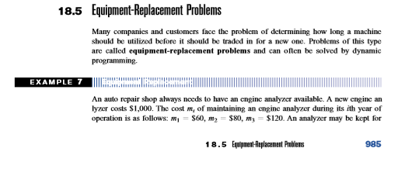
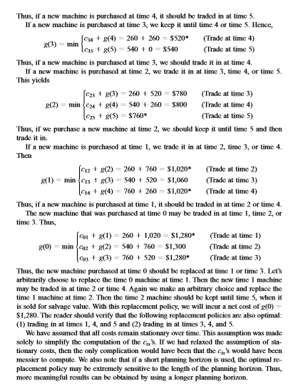

New engine analyzer cost | 1000

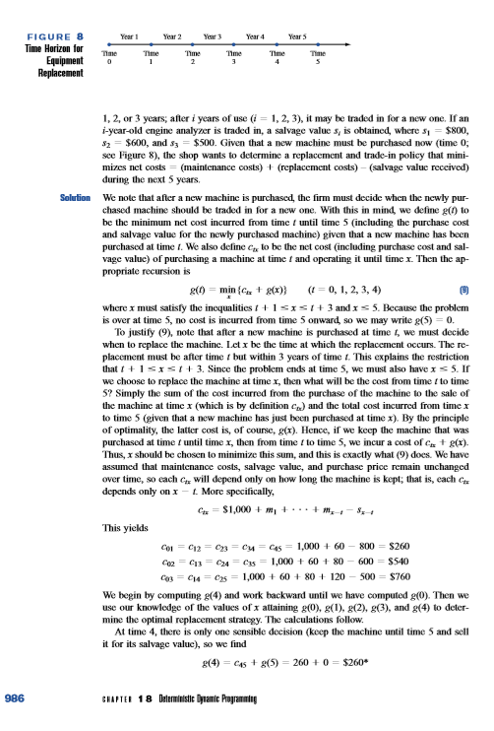
Maintain Years | 1 | 2 | 3
Cost | 60 | 80 | 120

Salvage Value | 1 | 2 | 3
Cost | 800 | 600 | 500

During Years | 5

