CLUSTER_FORMATION
SPLITTING SAMPLE INTO COHERENT CLUSTERS/GROUPS

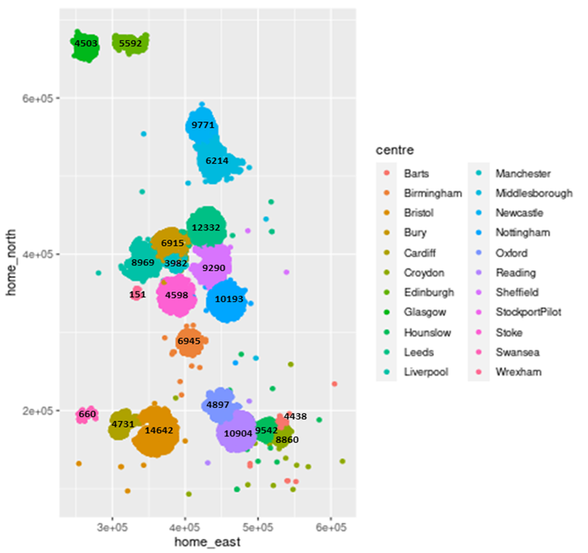
Info | Clusters | Centre | Sample Size
For our analyses it is important participants have trauma data available, thus, participants with no available trauma data are removed from analyses. To form clusters, we use the recruitment centres to form relativelty coherent geographical clusters. | NORTH | Glasgow | 4503
 |  | Edinburgh | 5592
 |  | Newcastle | 9771
 |  | Middlesborough | 6214
 | MIDNORTH | Leeds | 12332
 |  | Bury | 6915
 |  | Manchester | 3982
 |  | Liverpool | 8969
 | MIDSOUTH | Wrexham | 151
 |  | Stoke | 4304
 |  | StockportPilot | 294
 |  | Sheffield | 9290
 |  | Nottingham | 10193
 |  | Birmingham | 6945
 | SOUTHWEST | Swansea | 660
 |  | Cardiff | 4731
 |  | Bristol | 14642
 | SOUTHEAST | Oxford | 4897
 |  | Reading | 10904
 |  | Hounslow | 9542
 |  | Croydon | 8860
 |  | Barts | 4438

