SIMULATION1_PLOTS
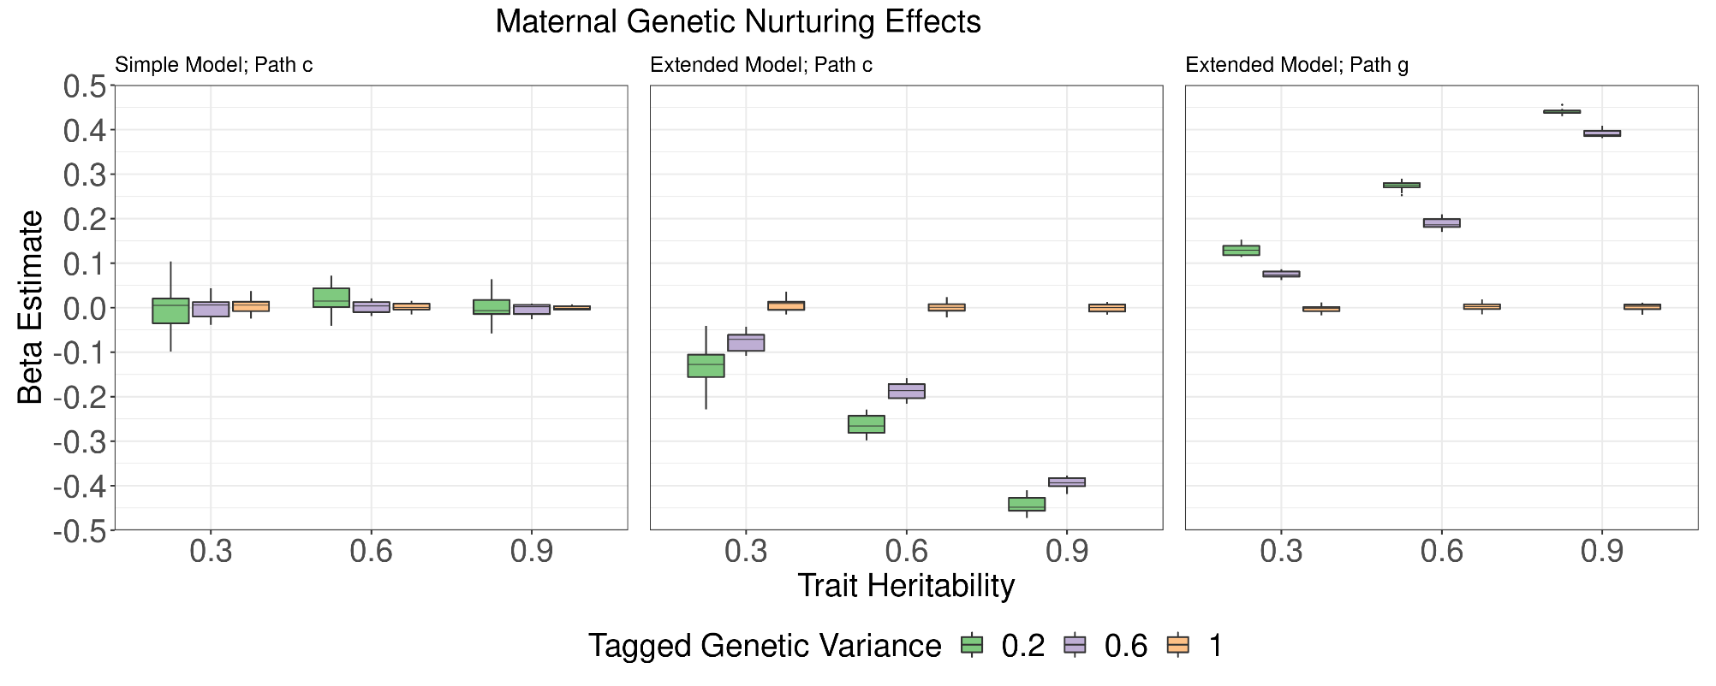
Simulated Data Regression Models (Maternal)
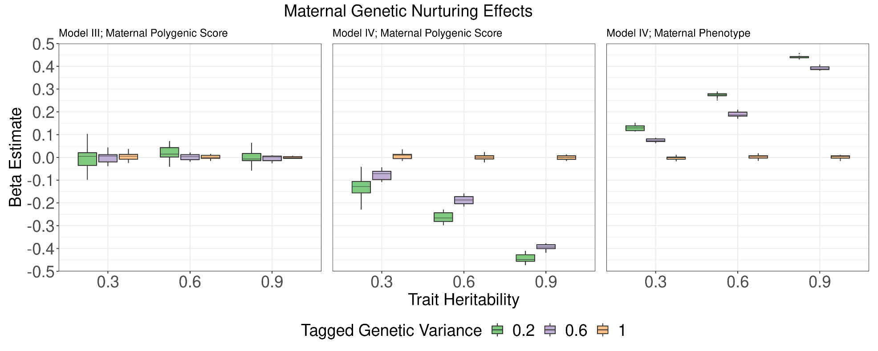

Simulated Data Regression Models (Paternal)
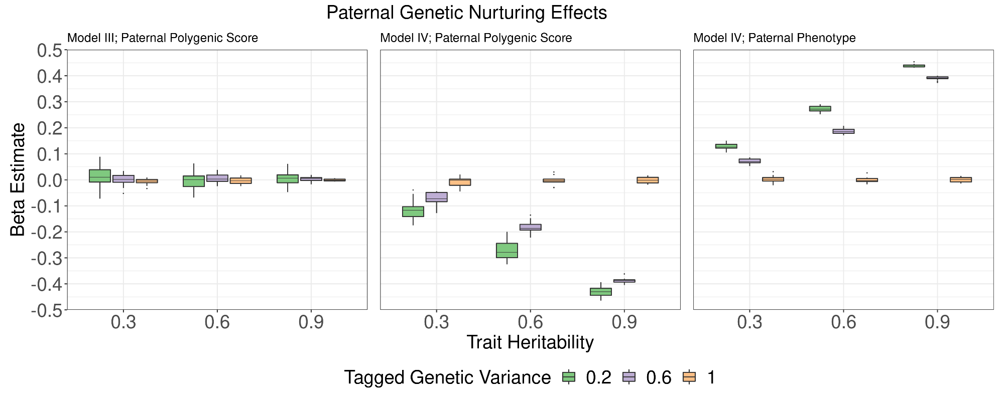

Simulated Data Pathway Models (Maternal Genetic Nurturing)

SIMULATION2_PLOTS
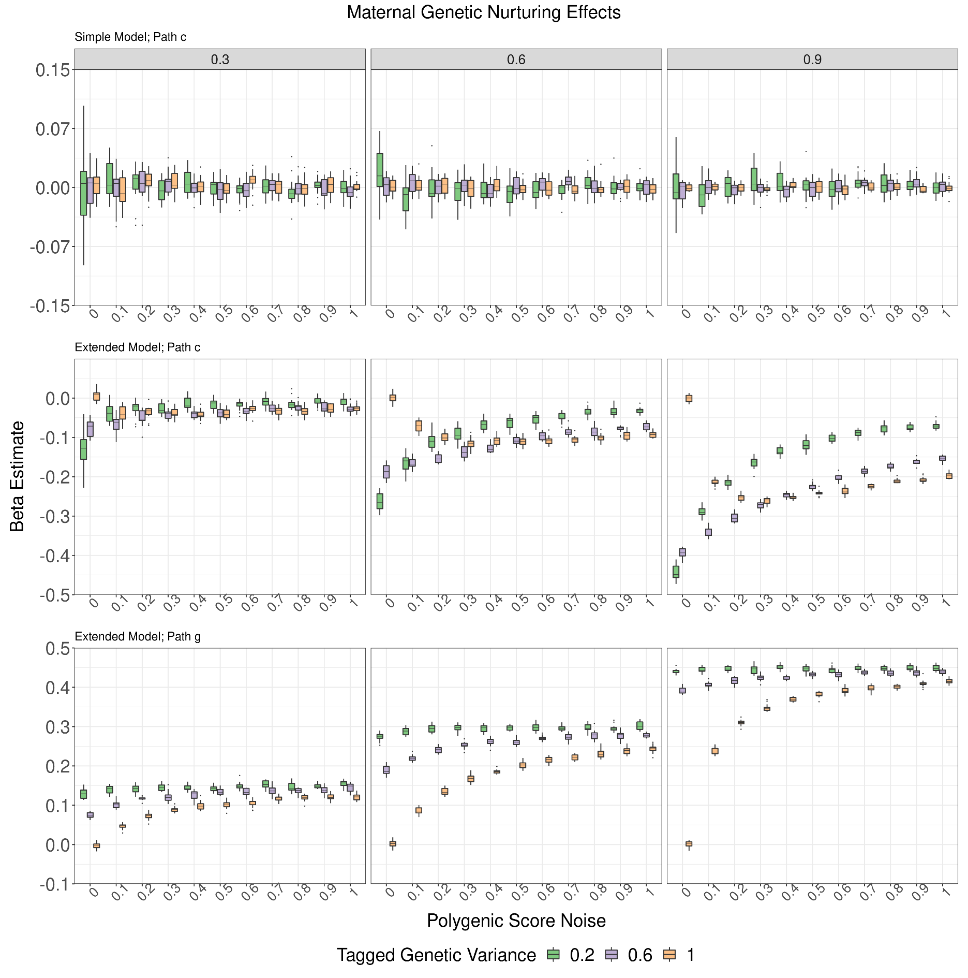
Simulated Data (II) Regression Models (Maternal)

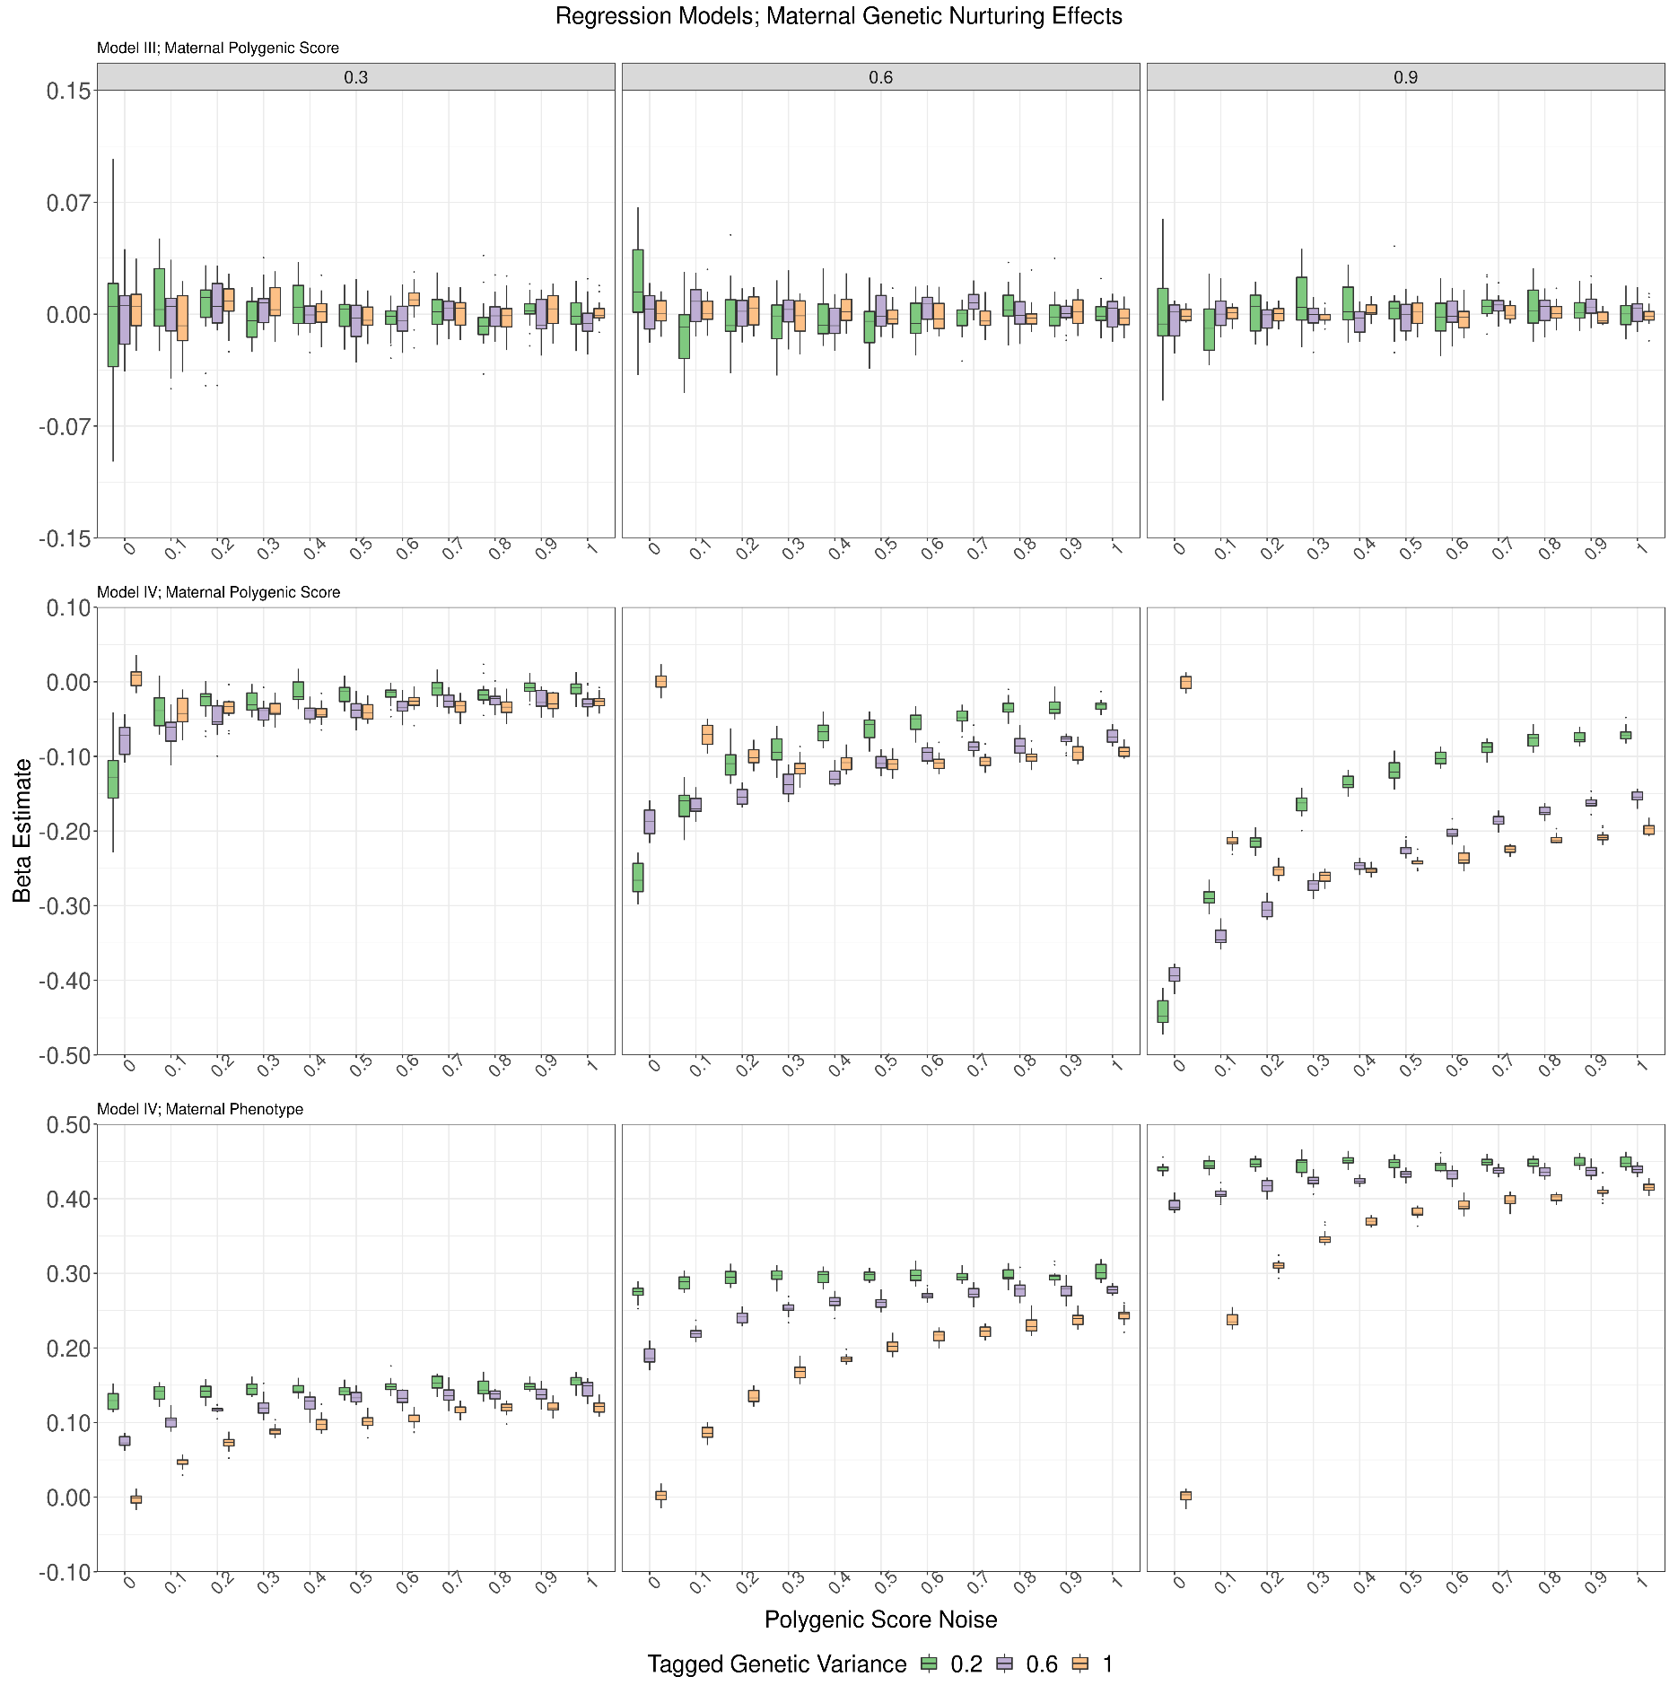

Simulated Data (II) Regression Models (Paternal)

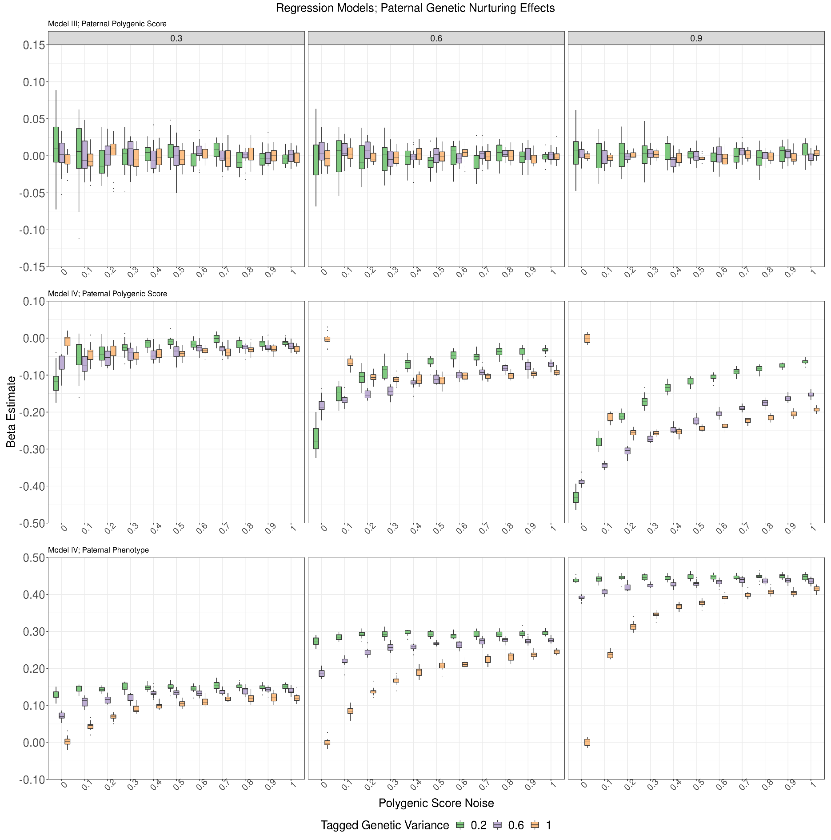

Simulated Data (II) Pathway Models (Maternal Genetic Nurturing)

