Sheet1
Assay Z-factor Calculation: |  |  |  | Screen Data | Inhibitor ID | Blanks | Abs 1 | Abs 2 | Abs 3 | Scaled Abs 1 | Scaled Abs 2 | Scaled Abs 3 | % Inhibition 1 | % Inhibition 2 | % Inhibition 3 | Average % Inhibition | St. Dev. of Values
 | Abs |  | Z factor |  | None | 0.270 | 1.354 | 1.226 | 1.213 | 1.084 | 0.956 | 0.943
No enzyme 1 | 0.264 |  | 0.7500929806 |  | A9 | 0.268 | 0.42 | 0.6 | 0.567 | 0.152 | 0.332 | 0.299 | 85.9821703 | 65.2840711 | 68.30388693 | 73.19004278 | 11.18072971
No enzyme 2 | 0.272 |  |  |  | D3 | 0.268 | 0.645 | 0.704 | 0.659 | 0.377 | 0.436 | 0.391 | 65.23209345 | 54.40920181 | 58.55123675 | 59.39751067 | 5.460849799
No enzyme 3 | 0.273 |  |  |  | D7 | 0.268 | 1.226 | 1.19 | 1.087 | 0.958 | 0.922 | 0.819 | 11.65078389 | 3.590101081 | 13.18021201 | 9.473698995 | 5.152410204
Average | 0.2696666667 |  |  |  | E1 | 0.546 | 1.333 | 1.231 | 1.188 | 0.787 | 0.685 | 0.642 | 27.4208423 | 28.37225514 | 31.9434629 | 29.24552011 | 2.384421953
Std Dev | 0.004932882862 | without blank |  |  | G5 | 0.268 | 1.073 | 1.278 | 0.603 | 0.805 | 1.010 | 0.335 | 25.76083615 | -5.611711398 | 64.48763251 | 28.21225242 | 35.11390872
No inhibitor 1 | 1.354 | 1.084 |  |  | G6 | 0.498 | 0.681 | 0.8 | 0.732 | 0.183 | 0.302 | 0.234 | 83.12327083 | 68.42105263 | 75.19434629 | 75.57955658 | 7.358674826
No inhibitor 2 | 1.226 | 0.956 |  |  | G7 | 0.398 | 0.405 | 0.518 | 0.448 | 0.007 | 0.120 | 0.050 | 99.35444205 | 87.45207389 | 94.69964664 | 93.83538753 | 5.99806634
No inhibitor 3 | 1.213 | 0.943 |  |  | H7 | 0.268 | 0.449 | 0.516 | 0.557 | 0.181 | 0.248 | 0.289 | 83.30771595 | 74.06761938 | 69.3639576 | 75.57976431 | 7.093802647
Average | 1.264333333 | 0.995 |  |  | I1 | 0.299 | 0.529 | 0.606 | 0.563 | 0.230 | 0.307 | 0.264 | 78.78881033 | 67.89822238 | 72.01413428 | 72.90038899 | 5.499119207
Std Dev | 0.07792517779 | 0.07792517779 |  |  | I2 | 0.268 | 0.892 | 0.911 | 0.871 | 0.624 | 0.643 | 0.603 | 42.4531202 | 32.76402928 | 36.07773852 | 37.098296 | 4.924507476
 |  |  |  |  | I9 | 0.295 | 0.62 | 0.766 | 0.656 | 0.325 | 0.471 | 0.361 | 70.02766677 | 50.74939003 | 61.73144876 | 60.83616852 | 9.670270603

Assay Info:
[pNPP] (mM) | 16 |  |  | Positive Control | Enzyme + Substrate + No inhibitor
[Enzyme] (µM) | 2 |  |  | Negative Control | No enzyme + Substrate |  |  | Inhibitor ID | Average % Inhibition
Reaction time (min) | 15 |  |  |  |  |  |  | A9 | 73.190042778 | 11.180729711
[Inhibitors] (µM) | 50 (except H7 and I9 which were 1000) |  |  |  |  |  |  | D3 | 59.397510671 | 5.4608497988
 |  |  |  |  |  |  |  | D7 | 9.4736989955 | 5.1524102044
 |  |  |  |  |  |  |  | E1 | 29.245520113 | 2.3844219533
 |  |  |  |  |  |  |  | G5 | 28.212252421 | 35.113908716
 |  |  |  |  |  |  |  | G6 | 75.579556583 | 7.3586748259
 |  |  |  |  |  |  |  | G7 | 93.83538753 | 5.9980663397
 |  |  |  |  |  |  |  | H7 | 75.57976431 | 7.0938026474
 |  |  |  |  |  |  |  | I1 | 72.900388994 | 5.499119207
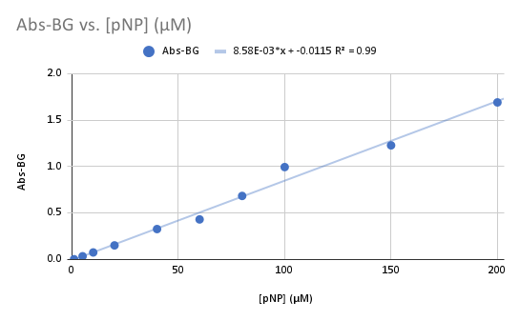
 |  |  |  |  |  |  |  | I2 | 37.098295997 | 4.9245074764
Slope of Abs vs [pNP] |  |  |  |  |  |  |  | I9 | 60.836168521 | 9.6702706026
0.0085

