Sheet1
Peptide | Peptide Sequence | Abs 1 | Abs 2 | Abs 3 | scaled abs1 | scaled abs2 | scaled abs3 | [Phosphate] 1 (uM) | [phosphate]2 (uM) | [Phosphate] 3 (uM) | Rate 1 (uM/sec) | Rate 2 (uM/sec) | Rate 3 (uM/sec) | Average Rate (uM/sec) | group | Std. Dev. | T-Test
1 | HT{pS}PIKSIG | 0.257 | 0.215 | 0.214 | 0.193 | 0.151 | 0.15 | 18.38095238 | 14.38095238 | 14.28571429 | 0.03063492063 | 0.02396825397 | 0.02380952381 | 0.02613756614 | 1 | 0.003895631774
2 | HT{pT}PIKSIG | 0.046 | 0.058 | 0.069 | -0.018 | -0.006 | 0.005 | -1.714285714 | -0.5714285714 | 0.4761904762 | -0.002857142857 | -0.0009523809524 | 0.0007936507937 | -0.001005291005 | 4 | 0.001825971844 | 0.002097438161
3 | HT{pY}PIKSIG | 0.048 | 0.055 | 0.124 | -0.016 | -0.009 | 0.06 | -1.523809524 | -0.8571428571 | 5.714285714 | -0.00253968254 | -0.001428571429 | 0.009523809524 | 0.001851851852 | 3 | 0.006667296518 | 0.01005624129 | Green (if rate > 0.019) -- Group 1
4 | HT{pS}AIKSIG | 0.047 | 0.055 | 0.06 | -0.017 | -0.009 | -0.004 | -1.619047619 | -0.8571428571 | -0.380952381 | -0.002698412698 | -0.001428571429 | -0.0006349206349 | -0.001587301587 | 4 | 0.001040863258 | 0.004192750641 | Yellow (if rate > 0.01) -- Group 2
5 | HT{pS}PIASIG | 0.047 | 0.055 | 0.061 | -0.017 | -0.009 | -0.003 | -1.619047619 | -0.8571428571 | -0.2857142857 | -0.002698412698 | -0.001428571429 | -0.0004761904762 | -0.001534391534 | 4 | 0.001114883995 | 0.003962154122 | Orange (if 0.01 > rate > 0) -- Group 3
6 | HT{pS}PIRSIG | 0.07 | 0.093 |  | 0.006 | 0.029 |  | 0.5714285714 | 2.761904762 |  | 0.0009523809524 | 0.004603174603 |  | 0.002777777778 | 3 | 0.002581500947 | 0.004254518259 | Red (if rate < 0) - Group 4
7 | HT{pS}PIKKIG | 0.32 | 0.363 | 0.378 | 0.256 | 0.299 | 0.314 | 24.38095238 | 28.47619048 | 29.9047619 | 0.04063492063 | 0.04746031746 | 0.04984126984 | 0.04597883598 | 1 | 0.004778630239 | 0.00570658342
8 | HT{pS}PKKSIG | 0.126 | 0.137 | 0.123 | 0.062 | 0.073 | 0.059 | 5.904761905 | 6.952380952 | 5.619047619 | 0.009841269841 | 0.01158730159 | 0.009365079365 | 0.01026455026 | 2 | 0.001170018222 | 0.01359268851 | Only Group 1 inhibitors have good activity (comparable to Substrate 1).
9 | HT{pS}PIKSKG | 0.239 | 0.212 | 0.216 | 0.175 | 0.148 | 0.152 | 16.66666667 | 14.0952381 | 14.47619048 | 0.02777777778 | 0.02349206349 | 0.02412698413 | 0.02513227513 | 1 | 0.002312962222 | 0.7244896707
10 | HT{pS}PKASIG | 0.047 | 0.058 | 0.079 | -0.017 | -0.006 | 0.015 | -1.619047619 | -0.5714285714 | 1.428571429 | -0.002698412698 | -0.0009523809524 | 0.002380952381 | -0.0004232804233 | 4 | 0.002580687492 | 0.00117250301
11 | HT{pS}PIAKIG | 0.051 | 0.06 | 0.06 | -0.013 | -0.004 | -0.004 | -1.238095238 | -0.380952381 | -0.380952381 | -0.002063492063 | -0.0006349206349 | -0.0006349206349 | -0.001111111111 | 4 | 0.0008247860988 | 0.005100890039
12 | HT{pS}PIASKG | 0.058 | 0.056 | 0.057 | -0.006 | -0.008 | -0.007 | -0.5714285714 | -0.7619047619 | -0.6666666667 | -0.0009523809524 | -0.00126984127 | -0.001111111111 | -0.001111111111 | 4 | 0.0001587301587 | 0.006672830006
13 | HT{pS}PIASIK | 0.049 | 0.064 | 0.06 | -0.015 | 0 | -0.004 | -1.428571429 | 0 | -0.380952381 | -0.002380952381 | 0 | -0.0006349206349 | -0.001005291005 | 4 | 0.001232929121 | 0.00374089173
14 | AT{pS}PIKSIG | 0.231 | 0.214 | 0.204 | 0.167 | 0.15 | 0.14 | 15.9047619 | 14.28571429 | 13.33333333 | 0.02650793651 | 0.02380952381 | 0.02222222222 | 0.02417989418 | 1 | 0.002166729654 | 0.5000793789
15 | HA{pS}PIKSIG | 0.139 | 0.144 | 0.136 | 0.075 | 0.08 | 0.072 | 7.142857143 | 7.619047619 | 6.857142857 | 0.0119047619 | 0.0126984127 | 0.01142857143 | 0.01201058201 | 2 | 0.0006415002991 | 0.0220142234
16 | HT{pS}KIKSIG | 0.074 | 0.057 | 0.062 | 0.01 | -0.007 | -0.002 | 0.9523809524 | -0.6666666667 | -0.1904761905 | 0.001587301587 | -0.001111111111 | -0.0003174603175 | 5.291005291E-05 | 3 | 0.001386808722 | 0.003579552092
17 | HT{pS}PEKSIG | 0.168 | 0.175 | 0.159 | 0.104 | 0.111 | 0.095 | 9.904761905 | 10.57142857 | 9.047619048 | 0.01650793651 | 0.01761904762 | 0.01507936508 | 0.0164021164 | 2 | 0.001273143853 | 0.03878767247
18 | HT{pS}PIKEIG | 0.14 | 0.133 | 0.129 | 0.076 | 0.069 | 0.065 | 7.238095238 | 6.571428571 | 6.19047619 | 0.01206349206 | 0.01095238095 | 0.01031746032 | 0.01111111111 | 2 | 0.0008837721211 | 0.01768425925
19 | HT{pS}PIKSEG | 0.16 | 0.154 | 0.13 | 0.096 | 0.09 | 0.066 | 9.142857143 | 8.571428571 | 6.285714286 | 0.01523809524 | 0.01428571429 | 0.01047619048 | 0.01333333333 | 2 | 0.002519763153 | 0.01279556343
20 | HT{pS}PIKSIE | 0.205 | 0.2 | 0.162 | 0.141 | 0.136 | 0.098 | 13.42857143 | 12.95238095 | 9.333333333 | 0.02238095238 | 0.02158730159 | 0.01555555556 | 0.01984126984 | 1 | 0.003732690799 | 0.1134567621
21 | HT{pS}PIKSIK | 0.258 | 0.216 | 0.221 | 0.194 | 0.152 | 0.157 | 18.47619048 | 14.47619048 | 14.95238095 | 0.03079365079 | 0.02412698413 | 0.02492063492 | 0.02661375661 | 1 | 0.003641580277 | 0.8846061925
22 | KT{pS}PIKSIG | 0.177 | 0.126 | 0.113 | 0.113 | 0.062 | 0.049 | 10.76190476 | 5.904761905 | 4.666666667 | 0.01793650794 | 0.009841269841 | 0.007777777778 | 0.01185185185 | 2 | 0.005369523221 | 0.02389765752
23 | HK{pS}PIKSIG | 0.16 | 0.15 | 0.144 | 0.096 | 0.086 | 0.08 | 9.142857143 | 8.19047619 | 7.619047619 | 0.01523809524 | 0.01365079365 | 0.0126984127 | 0.01386243386 | 2 | 0.001283000598 | 0.0230386628
24 | HT{pS}PIKKRG | 0.523 |  |  | 0.459 |  |  | 43.71428571 |  | 0 | 0.07285714286 | 0 |  | 0.07285714286 | 1 |  | N/A
Blank (no enzyme) |  | 0.064 | 0.064 | 0.064 | 0
BL= Blank | {} indicates phosphoamino acid
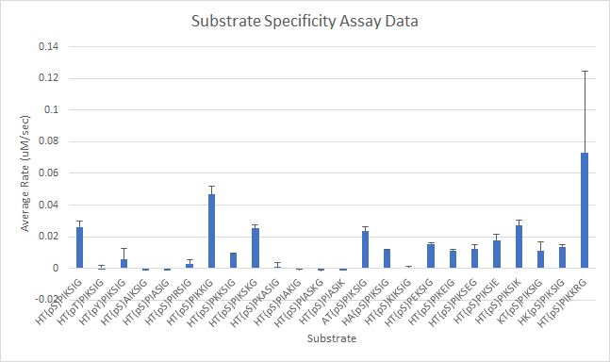
[Enzyme] (µM) | 0.5
Reaction time (sec) | 600
[Peptide] (M) | 0.0001
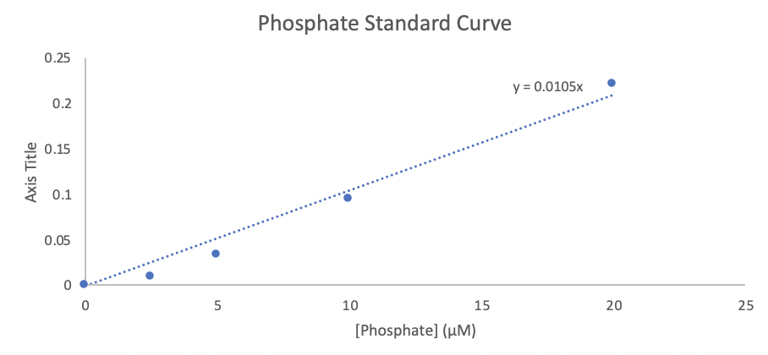
Standard Curve: | [Phosphate] (µM) | Abs at 640 nm | Abs-BL
 | 0 | 0.06 | 0
 | 2.5 | 0.07 | 0.01
 | 5 | 0.095 | 0.035
 | 10 | 0.155 | 0.095
 | 20 | 0.282 | 0.222
 | 40 |  | -0.06

Slope | 0.0105

