文献专利报道的活性升高位点
mutant | Gaussia luciferase (GLuc) | CTZ 突变体与不含信号肽野生型高斯荧光素酶发光强度比值
Gluc | I73L | 6 | Kim SB, Split Gaussia luciferase-based bioluminescence template for tracing protein dynamics in living cells. Analytical Chemistry. 2009;81(1):67-74
 | F72W,I73L | 10 | Kim, Sung Bae; Suzuki, Hideyuki; Sato, Moritoshi; Tao, Hiroaki (2011). Superluminescent Variants of Marine Luciferases for Bioassays. Analytical Chemistry, 83(22), 8732–8740. doi:10.1021/ac2021882
 | H78E | 3
 | Y80W | 2
 | Y80L | 1+
 | I91V | 1+
 | I73L, I98L | 5
 | F72W,I73L,H78E,Y80W | 5+

 |  |  | Novel luciferase–opsin combinations for improved luminopsins
1 | K33E, M43L, M110I, | 4+ | 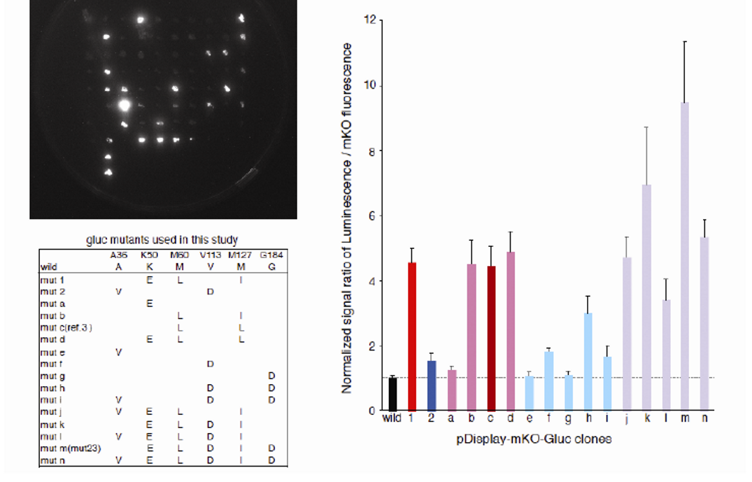
2 | A19V，V96D | 1.3+
a | K33E, | 1.2+
b | M43L, M110I, | 4+
c | M43L, M110L | 4+
d | K33E，M43L, M110L | 5
e | A19V | 1
f | V96D | 2
g | G167D | 1
h | V96D, G167D | 3
i | A19V ,V96D, G167D | 1.5+
j | A19V, K33E, M43L, M110I, | 4+
k | K33E, M43L, V96D, M110I, | 7+
l | A19V, K33E, M43L, V96D,M110I | 3+
m (M23) | K33E, M43L, V96D,M110I,G167D | 10
n | A19V, K33E, M43L, V96D,M110I,G167D | 5+

 |  |  | WO2018169317 - MUTANT GAUSSIA PRINCEPS LUCIFERASE HAVING AMPLIFIED BIOLUMINESCENCE INTENSITY
 | WT | 1.00 ± 0.00
1 | M43L,K71Q | 3.30 ± 0.57
2 | M43L,I73L | 3.25 ± 0.21
3 | K71Q,I73L | 2.55 ± 0.21
4 | M43L,K71Q,I73 | 6.83 ± 1.15
5 | M43L,K71Q,S86T | N/A
6 | K71Q,I73L,S86T | 3.00 ± 0.14
7 | M43L,K71Q,I73L,S86T | 3.70 ± 1.40
8 | M43L,K71Q,F72Y,I73L,S86T | 3.00 ± 0.40
9 | WT | 1.00 ± 0.00
10 | L35M, | 0.98 ± 0.29
11 | P36S, | 0.43 ± 0.20
12 | E42I, | 1.43 ± 0.22
13 | M43L, | 5.90 ± 0.87
14 | R48F, | 0.52 ± 0.10
15 | R48Q | 0.92 ± 0.20
16 | H62K | 0.53 ± 0.11
17 | P67A | 0.62 ± 0.02
18 | K71E | 1.33 ± 0.48
19 | K71N | 1.92 ± 0.63
20 | K71Q | 6.80 ± 0.62
21 | K71R | 0.82 ± 0.12
22 | F72Y | 4.33 ± 0.32
23 | I73L | 3.99 ± 0.28
24 | T79D | 1.42 ± 0.33
25 | T79S | 1.09 ± 0.13
26 | S86T | 1.43 ± 0.38

