EXAMPLE Customer Registration
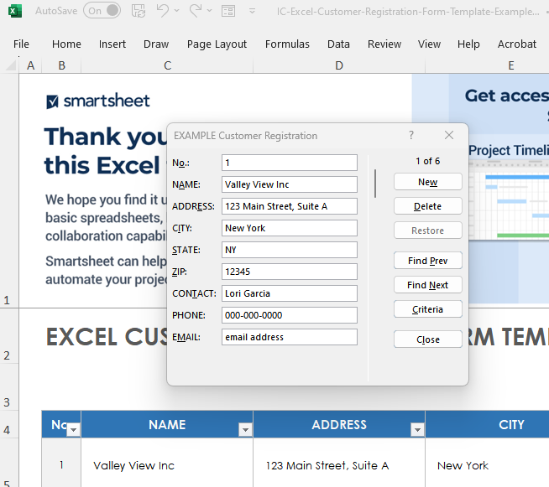
EXCEL CUSTOMER REGISTRATION FORM TEMPLATE for PC - EXAMPLE
To use the pop-up form for data entry, click inside the table. Then, click the form icon in the ribbon menu above. Next, add rows to your table by clicking New, typing in your content, and then clicking New again. Your new content will now appear in the form.
No. | NAME | ADDRESS | CITY | STATE | ZIP | CONTACT | PHONE | EMAIL
1 | Valley View Inc. | 123 Main Street, Suite A | New York | NY | 12345 | Lori Garcia | 000-000-0000 | email address
2 | Weller Corp. | 456 Main Street, Building 4 | New York | NY | 12345 | June Taylor | 000-000-0001 | email address
3 | KC Bert and Co. | 789 South Avenue | New York | NY | 12345 | Kirk Caskey | 000-000-0002 | email address
4
5
6

CLICK HERE TO CREATE IN SMARTSHEET

