CARS
Question | Flagged? | Preventable? Probability?
5 | y | No, I think I probably wouldve still got this wrong
6 |  | Yes, I think if I was more careful, I couldve got this right. Just needed to look at end of paragraph
12 |  | Yes, I think if I was more careful, I couldve got this right. This one I needed to understand to whole passage… maybe I was overthinking this one
14 |  | Here, I was too focused on the quotes and didn't focus on the overall meaning of the paragraph, the trend
19 |  | No, prob still get it wrong
20 |  | Yes, if I answered this question more carefully.
21 |  | No
22 |  | No
25 |  | Just was biased and didn't want to pick A. be irrelevant
30 |  | No, this question is bad. It argues "not that the small business owner was blameless in the situation as a whole"… the question literally asks about business owners duped by consultants not the owners in the situation as a whole??? | 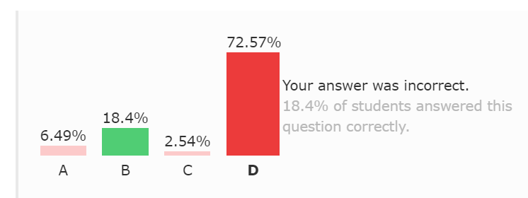 | Number | 22
32 |  | Didn't read the whole option carefully l o l
36 |  | Think most of the time, authors do not just explain/inform abt things
38 | y | Think here, two options were really similar so look at the other option…
41 |  | Didn't know what experiential was so I avoided this. Looking a theoretical now, all game playing is ig
45 |  | Oh woops shouldve got this
48 |  | Oh woops shouldve got this
49 |  | Oh woops changed my answer. 'impossible' was prob the key word for this being wrong
50 |  | Too focused on Amundsen…my bad
52 |  | idk, but I think I wouldve still got this wrong

