ChemPhys
Question | Flagged? | Incorrect? | Content Gap? | If so, what section? | Carelessness? | To Learn: | Should not have Flagged
2 | y | y | y | Chemistry: Electrochemistry |  | delta G = - nFE where F = 1e5
6 | n | y | y | Causation vs Correlation | n | Sometimes the correct answer is the one that uses the word "causes" https://www.reddit.com/r/Mcat/comments/4ej0gv/aamc_ps_sb_spoiler_q53_correlationcausation/
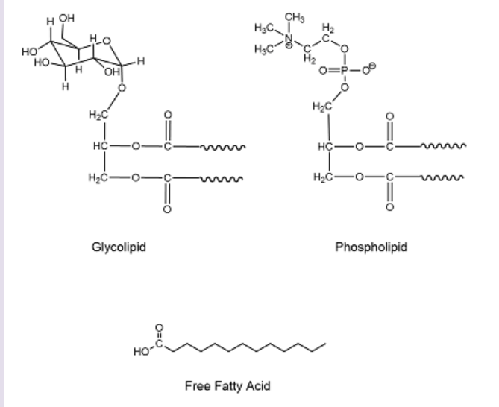
8 | n | y | n |  | n | bad question: .64 < .8 but .81 is not < .8
9 | n | y | n |  | y | Reading: study isn't affected by the retrospective opinion abt which were candidates
13 | n | y | y | Distillation | n | Distillation requires that low MW in gas phase is larger than low MW in liquid phase
17 | y | n | y | Colors | n | 400 ~ 700 nm = purple ~ red
18 | n | y | n |  | y | Reading: the TLC plates were run and then cut. I thought they were cut and then run…
20 | y | y | y | Structure of Phospholipid | n | ==>
21 | y | n |  |  |  |  | y
22 | y | y | y | Chemistry: Titration | n | I forgot the Hasselbalch equation and I forgot that @ half-equivalence, pKa = pH
24 | y | n | y | Chemistry: Titration | n | Indicators are used for equivalence points and not for half-equivalence points/pKas. Forgot… or ig learned…
27 | n | y | n |  | y | Shouldve read the question more carefully. I read it as sodium ion channels and not sodium potassium pumps. It was one sentence too… | Additional notes: I knew the info which is depolarization - voltage gated sodium channels, repolarization - voltage gated potassium channels, and maintanance - Na-K pump
29 | y | n | y | Doppler Effect | n | Didn't know the question was talking abt the doppler effect and didn't really remember the doppler effect either
34 | y | y | y | Focal Length equations | n | Got it right initially but forgot to convert to cm. Lens got it right 1/o+1/I = 1/f but mirrors can be 1/f+1/o = 1/i
36 | y | n |  |  |  |  | y
39 | n | y | y | SN1 reactions | n | Rate limiting step in SN1 reactions is carbocation formation, which I didn't know. That is why I only matters in increasing the rate.
40 | n | y | y | SN2 reactions | n | Chirality is inverted for SN2 reactions, which I forgot.
41 | n | y | n |  | y | Didn't read carefully… compound C contains a broad peak at 3300 cm-1, which I know, but didn't see/read
43 |  |  |  |  |  |  | didn't have enough time
44 |  |  |  |  |  | shit ton of math | didn't have enough time
45 |  |  |  |  |  | ez | didn't have enough time
46 |  |  |  |  |  | ez | didn't have enough time
47 |  |  |  |  |  | U = (3/2)RT | didn't have enough time
48 |  |  |  |  |  |  | didn't have enough time

BioBiochem
Question | Flagged? | Incorrect? | Content Gap? | If so, what section? | Carelessness? | To Learn: | Should not have Flagged
2 | y | n
3 | n | y | y, kinda? | Female hormones: Gestation | y | Mixed up progesterone and estrogen
5 |  | y | y | Size of Antibodies | n | Didn't know antibodies were ~150 kDa and massive
6 |  | y | n |  | y | fell for the trap answer which was abt the hypophyseal portal veins. Ig not really trap, but ez distraction
7 | y | n | y | Albumin | n | What is albumin? Liver protein to transport stuff
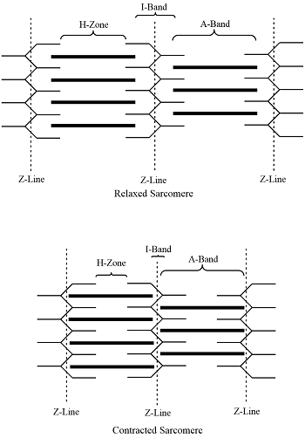
9 | y | n | y | Renal stuff | n | How are ions/glucose/aa tranported out of the filtrate?
10 | n | y | n |  | y | Bigger pKa means more basic / less acidic.
12 | y | y | y | Bands on Muscle | n | A band - always the same, myosin
18 | y | y | n |  | y, reading comp | "Based on the info in the passage"
21 | n | y | n |  | y | fatigue…just need to compare normal w dgm patient
24 | n | y | n |  | y | semi-conservative -> 2 cells will always have the radioactive dna
28 | y | y | y | Sliding Filament? Renal | n | The loop of Henle is an example of counter-current multiplier effect. The Sliding Filament is talking abt sarcomeric contractions
34 | y | y | y | Chemistry Bond Rotation | n | bond rotation not possible for double bond character
36 | y | y | y | transpulmonary pressure | n | idk, but as transpulmonary p increases, the volume also does
38 | n | y | y | Correlation vs causation again | n | biased towards correlation… shouldve chose caused

 |  |  |  |  |  | KNOW UR AMINO ACIDS

PsychSoc
Question | Flagged? | Incorrect? | Content Gap? | If so, what section? | Carelessness? | To Learn: | Should not have Flagged
6 |  | y | y | Psychology: Experimenter's bias | n | Observer-expectancy effect
9 |  | y | y | Psychology: Timing of Emotion | n | Two-Factor theory=Schacter-Singer theory, which is emotational stimulus will generate general autonomic arousal (the first factor), but then a cognitive component of the mind (the second factor) will label the arousal and interpret everything as a specific emotion. | James-Lange theory, stimulus -> physiological response -> emotion | Opponent-Process Theory-emotions come in pairs | Cannon-Bard theory- independence between emotion and physiological response
13 | y | y | n |  | y | Hard question but now know that diploma = house
15 | n | y | y | Stages of Illness | n | Symptom->sick role->intersection w healthcare professionals->being a dependent patient
16 | n | y | y | Sanction | n | Sanction is a penalty for disobeying a rule
18 | n | y | n |  | y | definitely just a careless mistake. Cuz no way pop levels off
20 | n | y | n |  | y | Had the right answer first, but changed it
21 | n | y | n |  | y | Increase the dependency ratio not decrease. Fatigue maybe
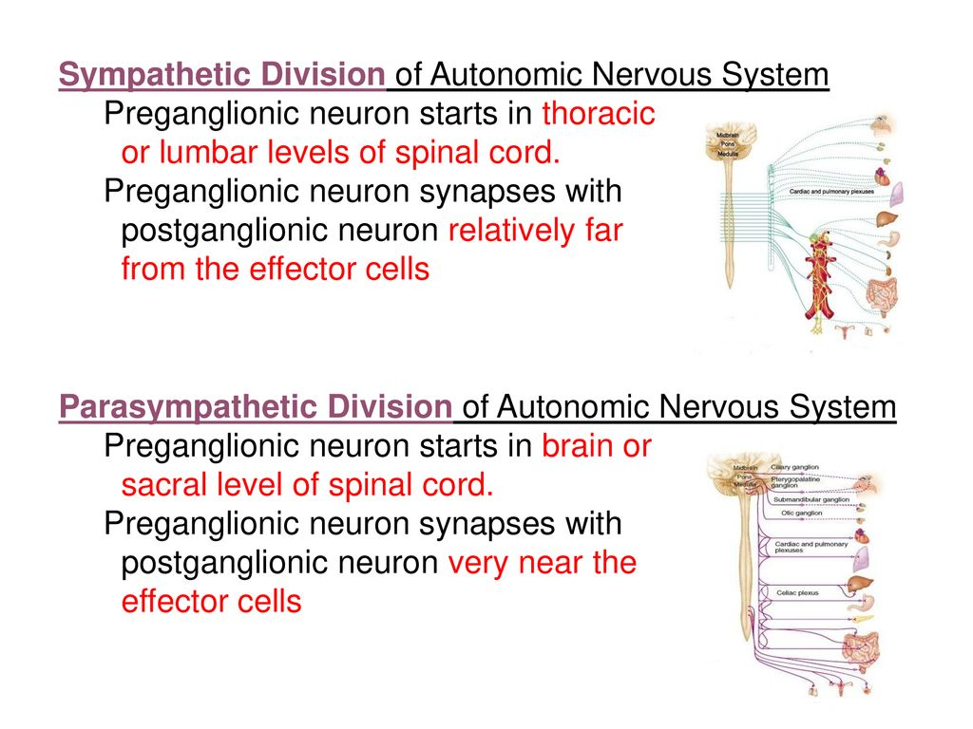
22 | y | y | y | Neurology | n | Look to right ->
25 | y | y | y | Definitions | n | Accommodation can also mean to accommodate the lens to the new light
26 | n | y | n |  | y | Reading: pay more attention to "this is impossible in practice"
30 | y | y | y | Psychoactive Drugs | n | Didn't know that Marijuana has the highest safety ratio considering it is illegal in most states, while alcohol has a safety ratio of 10
31 | y | y | n |  | y | I put the correct answer first. Shouldn’t have changed it.
32 | y | y | n |  | y | Fatigue? Enhanced activation of dopamine function -> sensitized to the effects of cocaine
35 | n | y | y | Processing | n | Didn't know bottom-up processing can be used for stuff that's not like problem solving
36 | n | y | y | Psychology Models | n | Elaboration likelihood model - how likely something elaborated is persuasive
37 | y | y | n |  | y | Marked this correct first. Not sure why I changed it
39 | n | y | n |  | y | Reading? I don’t really like the question cuz it doesn't say if rewards were actually given. Like after each session? Did the kids just not play w the markers cuz they were interested in the reward?
43 | y | y | y | Assimilation vs Accomodation | n | assimilate the new information into an existing schema, or accommodate the schema in order to make sense of the new information
 |  |  | KNOW PIAGETS

