Gantt Chart (Visual)
PICO Softmax Hardware Accelerator — Project Gantt Chart
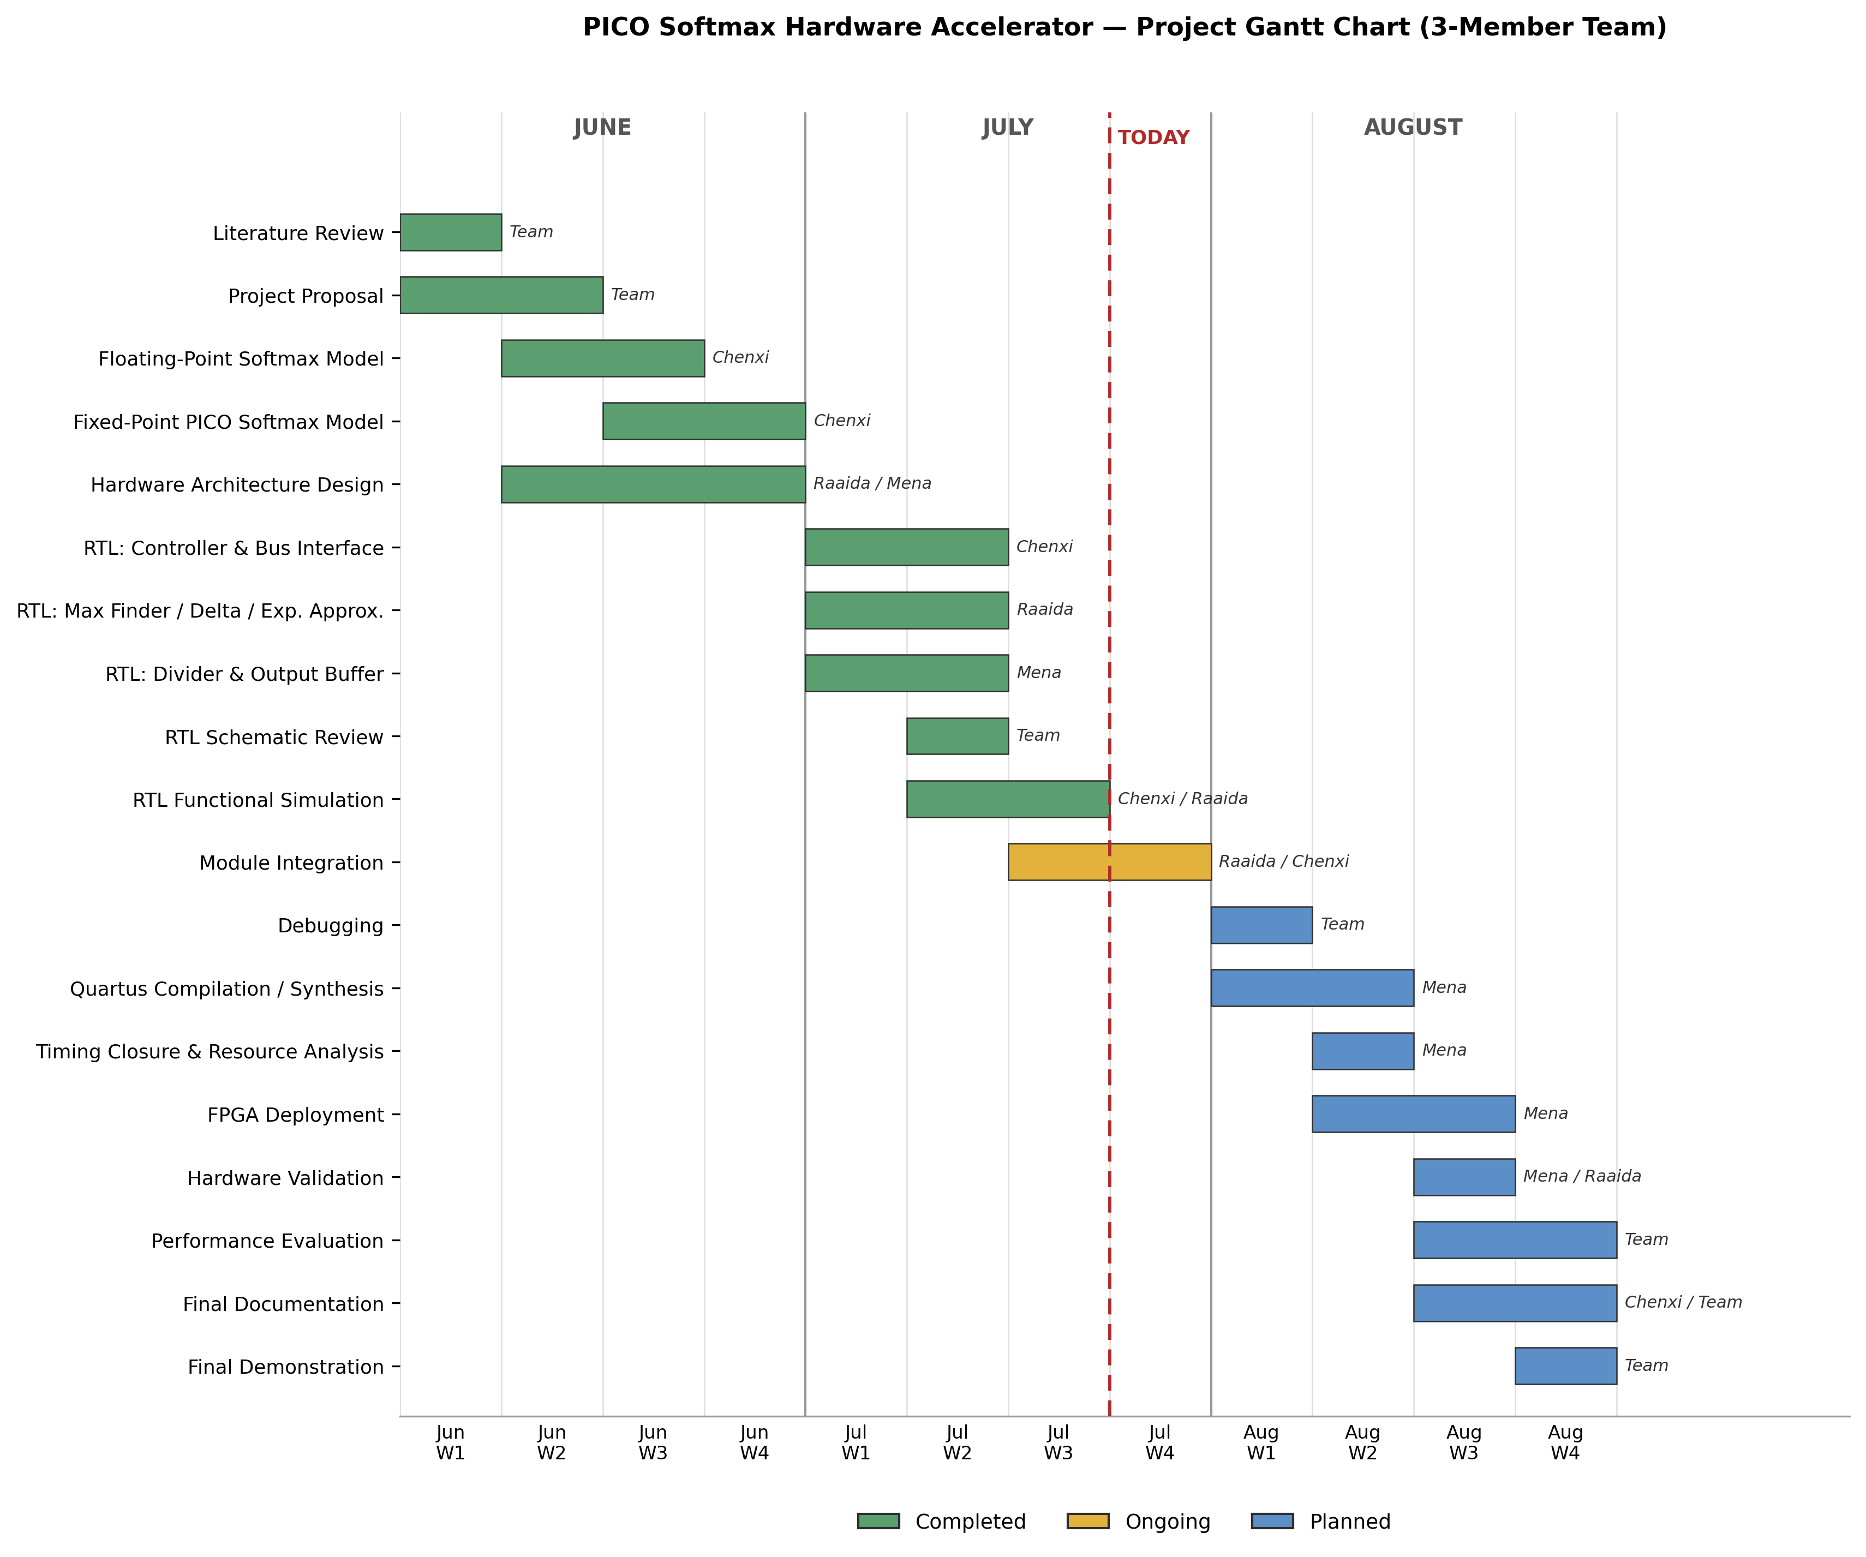

Fig. 1. Project Gantt chart for the PICO Softmax hardware accelerator, showing parallel task execution across the three-member team (Chenxi, Raaida, Mena) from June through August. Green denotes completed tasks, yellow denotes the task currently in progress, and blue denotes planned tasks; the dashed red line marks the current project date. With RTL functional simulation now complete, the remaining integration, synthesis, and validation tasks are distributed across concurrent, non-overlapping work streams that the three team members can execute in parallel, confirming the design goal is achievable with the currently available team.

This is a static picture for reference. To edit dates/status, use the 'Gantt Chart (Editable)' tab, which recolors automatically.

