Draw
Day 1 - Saturday |  |  |  |  |  |  |  | Pools

Round |  |  | Fields |  |  |  |  | X | Y
 | Start | End | 1 | 2 | 3 | 4 | Bye | Duff Punk | Real Mitchell
 |  |  |  |  |  |  |  | HOS White | Nova
1 | 9:30:00 | 10:50:00 | Duff Punk v HOS W | TownsV v Funny D | R Mitch v HOMAS | Nova v Wild Chilly | Karma, Ballarat | Townsvillains | Ballarat
 |  |  |  |  |  |  |  | Karma | HOMAS
2 | 11:10:00 | 12:30:00 | TownsV v HOS W | Karma v Funny D | Ballarat v HOMAS | R Mitch v Wild Chilly | Duff Punk, Nova | Funny Drakes | Wild Chilly

Lunch | 12:30:00 | 13:30:00

3 | 13:30:00 | 14:50:00 | Funny D v Duff Punk | Karma v TownsV | R Mitch v Nova | Ballarat v Wild Chilly | HOS W, HOMAS

4 | 15:10:00 | 16:30:00 | Karma v Duff Punk | Funny D v HOS W | HOMAS v Wild Chilly | Nova v Ballarat | TownsV, R Mitch

Day 2 - Sunday
 |  |  | Fields
 | Start | End | 1 | 2 | 3 | 4 | Bye

5 | 9:00:00 | 10:15:00 | TownsV v Duff Punk | Karma v HOS W | R Mitch v Ballarat | HOMAS v Nova | Funny D, Wild Chilly | Last pool games

6 | 10:25:00 | 11:40:00 | C1: X2 v Y3 | C2: Y2 v X3 | C3: X4 v Y5 | C4: Y4 v X5 | X1, Y1 | Pre-Semis (cross overs). Top of pools get a bye

7 | 23:50:00 | 13:05:00 | C5: X1 v WC2 | C6: Y1 v WC1 | C7: LC1 v WC4 | C8: LC2 v WC3 | LC3, LC4 | Semis

Lunch | 13:05:00 | 13:50:00

8 | 13:50:00 | 15:05:00 | LC5 v LC6 | WC7 v WC8 | LC7 v LC8 | LC3 v LC4 | WC5 v WC6 | Placings

9 (Final) | 15:15:00 | 16:30:00 | WC5 v WC6 |  |  |  |  | Final
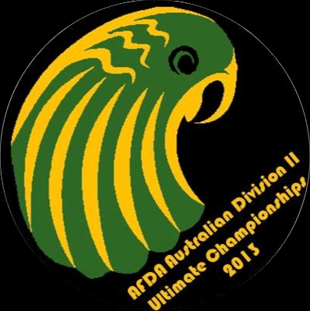

Tournament Rules:

Games: 80 mins on Saturday, 75 mins on Sunday, 2 points for a win, 0 for a loss
At timecap: Finish point, add one to highest score (or currently tied score) and play to that. No draws
Timeouts: 3 in total, 2 per half. No timeouts after time cap
If equal points after pool play, positions determined in order of: 1) Head to Head, 2) Goal difference
Top 3 teams in each pool after pool play have a chance to make the final

