G1 MT Reading Scoresheet
Department of Education
Comprehensive Rapid Literacy Assessment (CRLA) Scoresheet
ABC+ : Advancing Basic Education in the Philippines
CRLA3v3

GRADE 1 Mother Tongue Reading Assessment Scoresheet
ASSESSMENT TYPE
School ID: |  |  | Total Enrolment |  | 0 | Total Assessed : |  | 0
Schoo Name: |  |  | Male | Female | Assessment Part 1 (Letter Sounds, Rhyming Words and Sentences Reading) |  |  |  | RHYME SCORE 0 to 10 – Full Refresher 11 to 16 – Moderate Refresher SENTENCE SCORE 17 to 26 – Light Refresher 27 to 30 – Grade Ready | Asssessment Part 2 (Reading Fluency and Comprehension)
Teacher:
Grade: |  | Grade 1 | Total Words per Story |  | Task 1 – Write the number of letters sounded out correctly | Rhymes (Task 2) If task 1 score is 0 to 6 | Sentence (Task 2) If task 1 score is 7 to 10 Task 2L=10 | Total Score = Task 1 Score + Task 2L+Task 2H Score |  | Total Words Per Story | Story 1 |  | Story 2
Section: |  |  | Story 1 | Story 2 |  |  |  |  |  | Story Number 1 or 2 | Total Reading Miscues | Number of Words Read within 1 min | Total Time Used in Reading (Max : 1 Min) | Number of Words per Minute (WPM)
Language:
S/N | LRN | Name of Learner | Sex | Date of Asessment | Task 1 (10) | Task 2L Rymes (10) | Task 2H Sentences (10) | Total Score | Assessment Part 1 Reading Level | Story Number | Number of Miscue | Words Read | Total Mins Secs | WPM | % of Correct Words Read | Total Correct Answer | Leaner Experience (Rating 1-5) | Observation Level | LEARNER READING PROFILE | Remarks
1
2
3
4
5
6
7
8
9
10
11
12
13
14
15
16
17
18
19
20
21
22
23
24
25
26
27
28
29
30
31
32
33
34
35
36
37
38
39
40
41
42
43
44
45
46
47
48
49
50
51
52
53
54
55
56
57
58
59
60
61
62
63
64
65
66
67
68
69
70
71
72
73
74
75
76
77
78
79
80
81
82
83
84
85
86
87
88
89
90
91
92
93
94
95
96
97
98
99
100
This Scoresheet is made possible with the assistance of USAID through ABC+: Advancing Basic Education in the Philippines. ABC+ Project is an early grades education project of the Department of Education in partnership with USAID and implemented by RTI International together with The Asia Foundation, SIL LEAD, and Florida State University.

Class Record
School: |  | 0 |  | GRADE 1 Reading Assessment CLASS RECORD
Teacher: |  | 0 |  | MOTHER TONGUE()
Grade: |  | Grade 1 |  | Assessment Part 1 |  | Assessment Part 2 |  |  | READING PROFILE
S/N | LRN | Name of Learner | Sex | Assessment Part 1 Level | % of Total Score | Reading Fluency | Reading Comprehension | Average Word Per Minute |  | REMARKS
1
2
3
4
5
6
7
8
9
10
11
12
13
14
15
16
17
18
19
20
21
22
23
24
25
26
27
28
29
30
31
32
33
34
35
36
37
38
39
40
41
42
43
44
45
46
47
48
49
50
51
52
53
54
55
56
57
58
59
60
61
62
63
64
65
66
67
68
69
70
71
72
73
74
75
76
77
78
79
80
81
82
83
84
85
86
87
88
89
90
91
92
93
94
95
96
97
98
99
100
This Scoresheet is made possible with the assistance of USAID through ABC+: Advancing Basic Education in the Philippines. ABC+ Project is an early grades education project of the Department of Education in partnership with USAID and implemented by RTI International together with The Asia Foundation, SIL LEAD, and Florida State University.

Class Summary
CRLA3v1
GRADE 1 Assessment Scoresheet (CLASS SUMMARY)

SCHOOL ID : |  | 0
SCHOOL NAME: |  | 0
Grade |  |  | Language |  | Number of Learners Enrolled | Number of Learners Assessed | Assessment Part 1 Level |  |  |  | Assessment Part 2 Average Score |  |  | READING PROFILE
 | Section | Teacher |  | Sex |  |  | Full Refresher | Moderate Refresher | Light Refresher | Grade Ready | Reading Fluency | Reading Comprehension | Average Word Per Minute | Low Emerging Reader | High Emerging Reader | Developing Reader | Transitioning Reader | Reading At Grade Level
Grade 1 |  |  |  | Male | 0 | 0 | 0 | 0 | 0 | 0 |  |  |  | 0 | 0 | 0 | 0 | 0
Grade 1 |  |  |  | Female | 0 | 0 | 0 | 0 | 0 | 0 |  |  |  | 0 | 0 | 0 | 0 | 0

Grade 1 |  |  |  | Total | 0 | 0 | 0 | 0 | 0 | 0 |  |  |  | 0 | 0 | 0 | 0 | 0

Percent (%) of Learners
Language |  | Percent of Learners assessed | Assessment Part 1 Level |  |  |  | Reading Profile
 | Sex |  | Full Refresher | Moderate Refresher | Light Refresher | Grade Ready | Low Emerging Reader | High Emerging Reader | Developing Reader | Transitioning Reader | Reading At Grade Level
 | Male
 | Female
 | Total

% of Grade 1 Learners Assessed In Mother Tongue By Reading Profile
 | Low Emerging Reader | High Emerging Reader | Developing Reader | Transitioning Reader | Reading At Grade Level
Male | 0% | 0% | 0% | 0% | 0%
Female | 0% | 0% | 0% | 0% | 0%
Total | 0% | 0% | 0% | 0% | 0%
Reading Fluency and Comprehesion Average Percentage
 | Reading Fluency | Reading Comprehension
Male | 0.00% | 0.00%
Female | 0.00% | 0.00%
Total | 0.00% | 0.00%

% of Grade 1 Learners Assessed Part 1 Level
 | Full Refresher | Moderate Refresher | Light Refresher | Grade Ready
Male | 0% | 0% | 0% | 0%
Female | 0% | 0% | 0% | 0%
Total | 0% | 0% | 0% | 0%
Reading Fluency and Comprehesion Average Percentage
 | Average Word Per Minute
Male | 0.00
Female | 0.00
Total | 0.00

This Scoresheet is made possible with the assistance of USAID through ABC+: Advancing Basic Education in the Philippines. ABC+ Project is an early grades education project of the Department of Education in partnership with USAID and implemented by RTI International together with The Asia Foundation, SIL LEAD, and Florida State University.

Scoring Reference
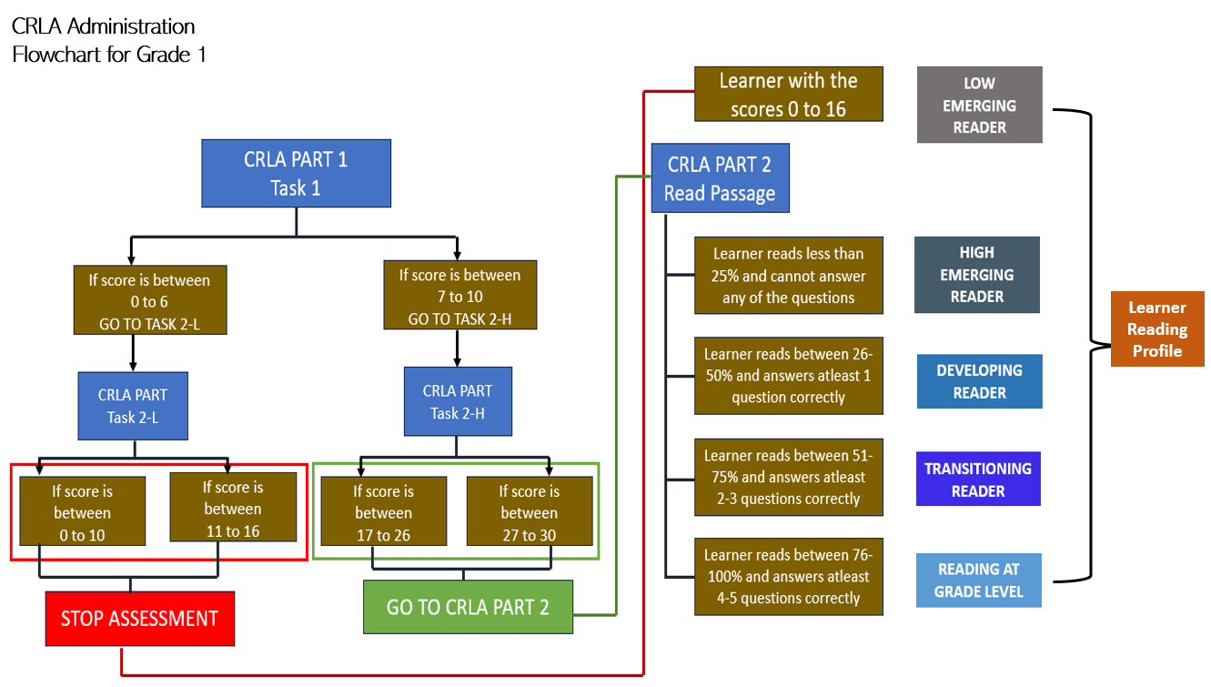
Reading Level | Criteria | Observations Level
Low Emerging Reader | Learner scores 0 to 16 in Assessment Part 1
High Emerging Reader | Learner reads less than 25% of the passage in 1minute and cannot answer any of the questions | Level 1 | Reads word by word
Developing Reader | Learner reads between 26% to 50% of passage accurately in 1 minute and answers 1 question correctly | Level 2 | Reads word in chunks
Transitioning Reader | Learner reads between 51% to 75% of passage accurately in 1 minute AND answers 2 to 3 questions correctly. | Level 3 | Reads fluently but not observing functuation marks
Reading At Grade Level | Learner reads between 76% to 100% of passage accurately in 1 minute AND answers 4 to 5 questions correctly. | Level 4 | Reads fluently with proper expression

