Product Vision
Product Vision
Vision Statement
Target group | Needs | Product | Value
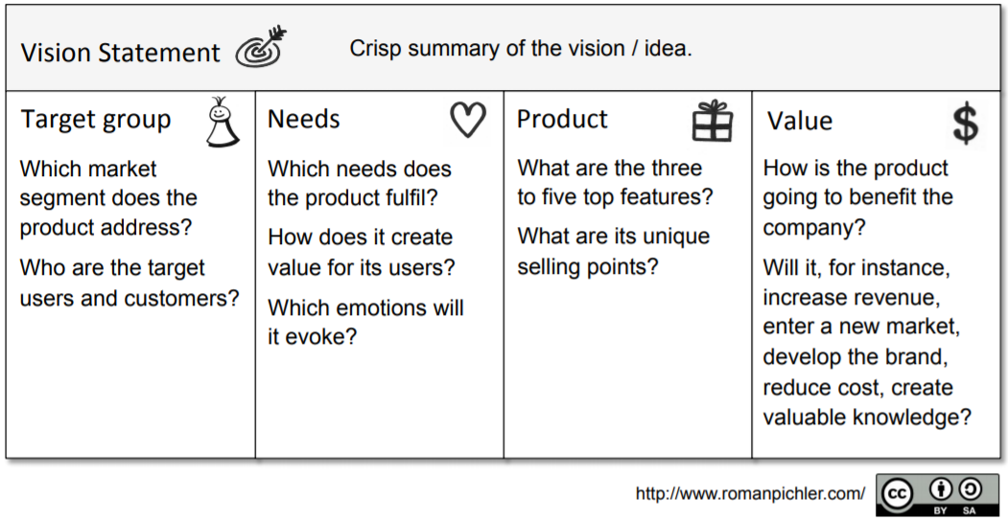
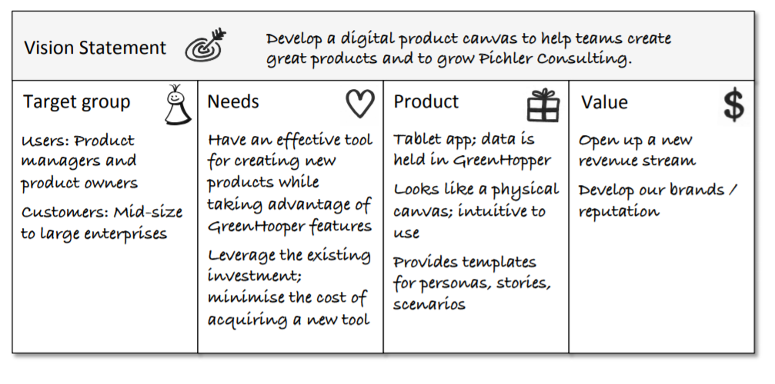
users: Faculty members and administrative staff customers: ? | Have an efficient tool for creating and updating course outline. The faculty members currently use an Excel file to create and update course outline and finally create a PDF file for publishing. It is hard to use this tool. | The tool is a web application that users can access it via internet. The features of the product include: maintain course outline, publish course outline as a PDF file, search existing course outlines, |  | 