Data
Screenshot of data accessed on 03/13/2022
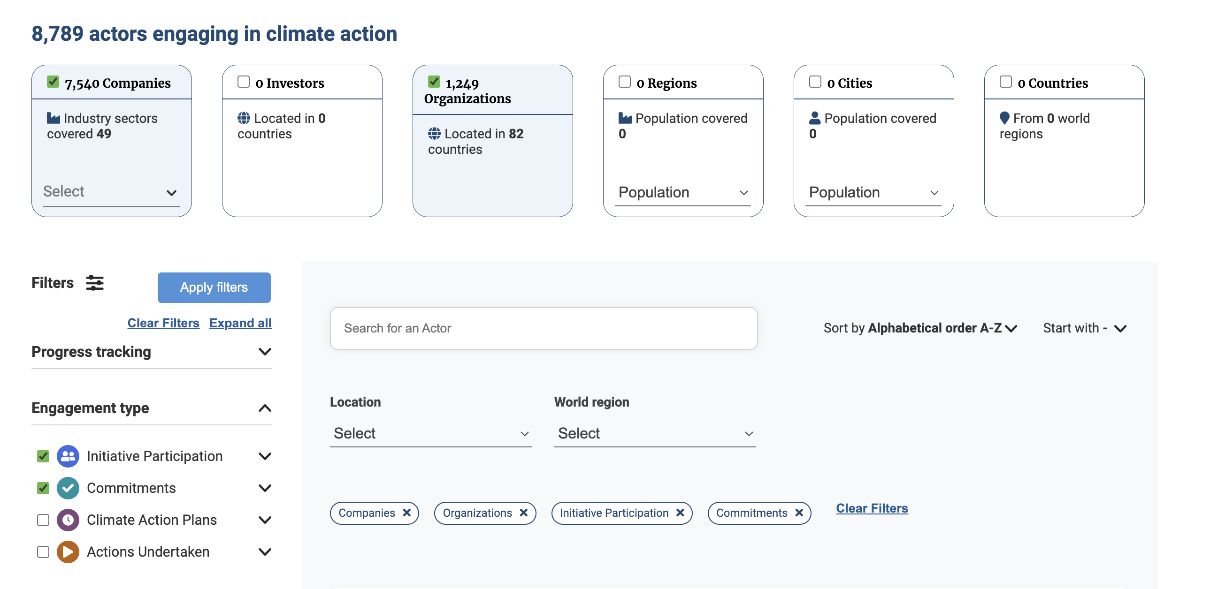

2021 | Companies | 7540
 | Organizations | 1249
 | Total | 8789

