Data
https://openknowledge.worldbank.org/bitstream/handle/10986/36508/Green-Public-Procurement-An-Overview-of-Green-Reforms-in-Country-Procurement-Systems.pdf?sequence=1&isAllowed=y
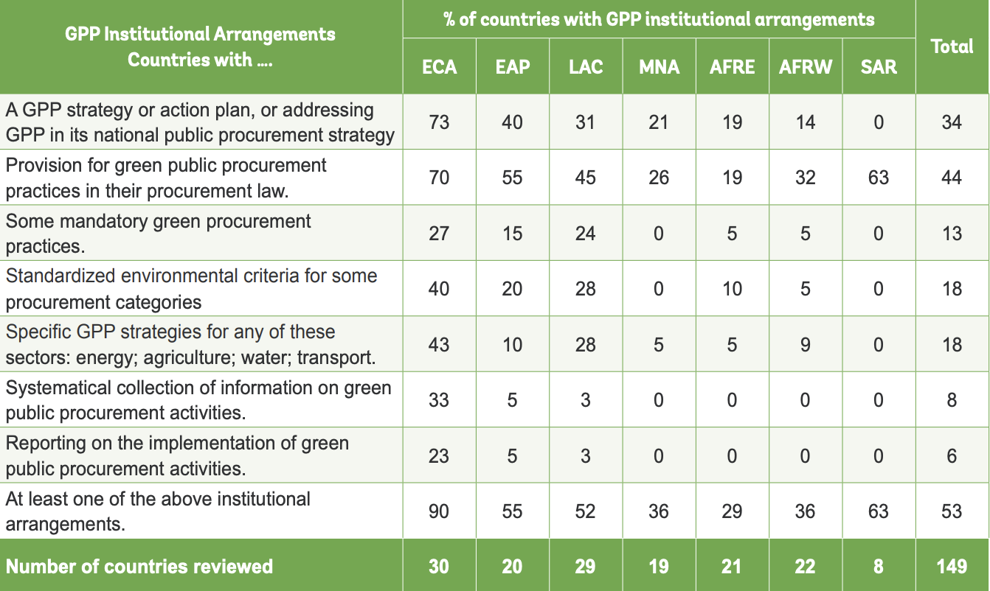

ECA Europe and Central Asia. EAP East Asia and Pacific. LAC Latin America and the Caribbean. MNA Middle East and North Africa. AFRE East Africa. AFRW West Africa. SAR South Asia.

