Data
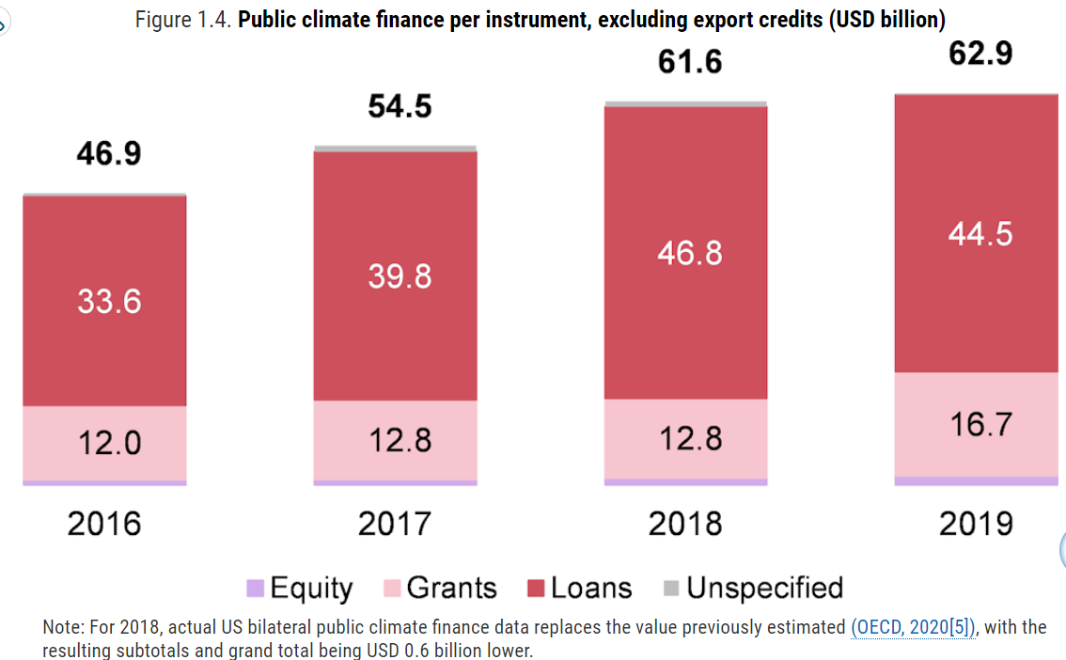
https://www.oecd-ilibrary.org/sites/03590fb7-en/1/3/1/index.html?itemId=/content/publication/03590fb7-en&_csp_=b6cad02d0eb457a81fa094a9ec2d21cc&itemIGO=oecd&itemContentType=book#figure-d1e923

