Data
https://cdn.cdp.net/cdp-production/cms/reports/documents/000/005/651/original/CDP_Global_Carbon_Price_report_2021.pdf?1618938446

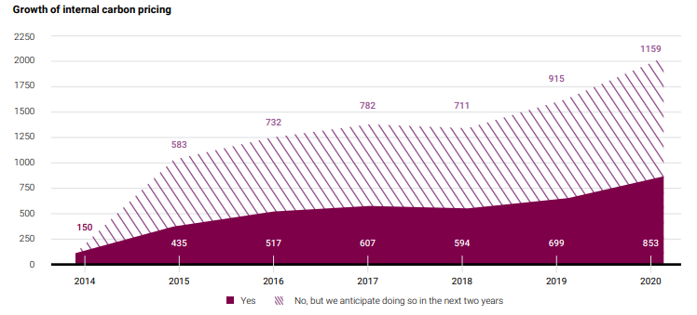
from chart: |  | from data sheet:
2014 | 150 | 2014 | 148
2015 | 435 | 2015 | 427
2016 | 517 | 2016 | 532
2017 | 607 | 2017 | 620
2018 | 594 | 2018 | 601
2019 | 699 | 2019 | 707
2020 | 853 | 2020 | 864

