Data
https://cdn.cdp.net/cdp-production/cms/reports/documents/000/005/651/original/CDP_Global_Carbon_Price_report_2021.pdf?1618938446

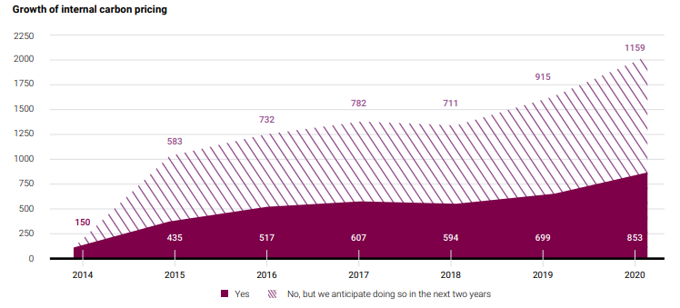
from chart: |  | from data sheet:
2014 | 0
2015 | 583 | 2015 | 586
2016 | 732 | 2016 | 733
2017 | 782 | 2017 | 789
2018 | 711 | 2018 | 707
2019 | 915 | 2019 | 917
2020 | 1159 | 2020 | 1161

