Worksheet
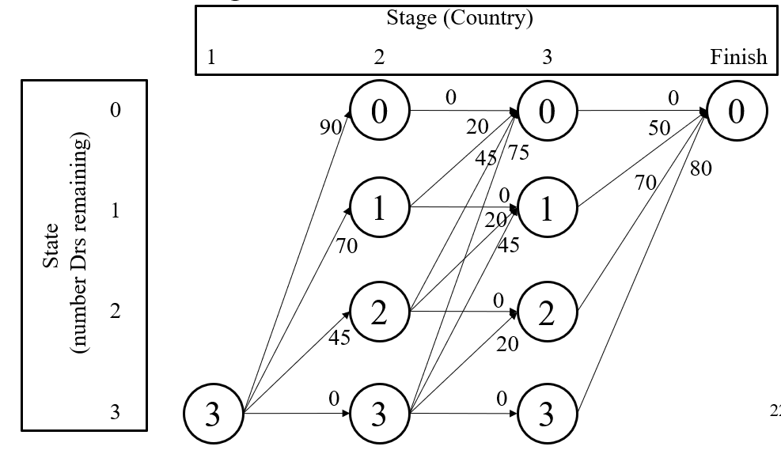
From | To
(State,Stage) | (State,Stage) | c(From,To) | f*(To) | f(From,To) | f*(From)
(0,3) | (0,Finish) | 0 | 0 | 0 | 0
(1,3) | (0,Finish) | 50 | 0 | 50 | 50
(2,3) | (0,Finish) | 70 | 0 | 70 | 70
(3,3) | (0,Finish) | 80 | 0 | 80 | 80
(0,2) | (0,3) | 0 | 0 | 0 | 0
(1,2) | (0,3) | 20 | 0 | 20 | 50
 | (1,3) | 0 | 50 | 50
(2,2) | (0,3) | 45 | 0 | 45 | 70
 | (1,3) | 20 | 50 | 70
 | (2,3) | 0 | 70 | 70
(3,2) | (0,3) | 75 | 0 | 75 | 95 | all 3 docs to country 2
 | (1,3) | 45 | 50 | 95
 | (2,3) | 20 | 70 | 90
 | (3,3) | 0 | 80 | 80
(3,1) | (0,2) | 90 | 0 | 90 | 120
 | (1,2) | 70 | 50 | 120
 | (2,2) | 45 | 70 | 115
 | (3,2) | 0 | 95 | 95

 |  | summarize: assign 2 doctors to country 1; assign 0 doctors to country 2; and assign 1 doc to country 3
 |  | life expectancy increase is expected to be 120 years.

Sheet1
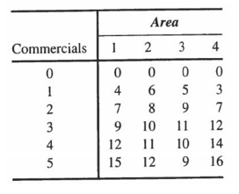
From | To
(State,Stage) | (State,Stage) | c(From,To) | f*(To) | f(From,To) | f*(From)
(0,3) | (0,Finish) | 0 | 0 | 0 | 0
(1,3) | (0,Finish) | 50 | 0 | 50 | 50
(2,3) | (0,Finish) | 70 | 0 | 70 | 70
(3,3) | (0,Finish) | 80 | 0 | 80 | 80
(0,2) | (0,3) | 0 | 0 | 0 | 0 | (5,1) (5,2) (4,3) (3,4) (0,finish)
(1,2) | (0,3) | 20 | 0 | 20 | 50
 | (1,3) | 0 | 50 | 50
(2,2) | (0,3) | 45 | 0 | 45 | 70
 | (1,3) | 20 | 50 | 70
 | (2,3) | 0 | 70 | 70
(3,2) | (0,3) | 75 | 0 | 75 | 95
 | (1,3) | 45 | 50 | 95
 | (2,3) | 20 | 70 | 90
 | (3,3) | 0 | 80 | 80
(3,1) | (0,2) | 90 | 0 | 90 | 120
 | (1,2) | 70 | 50 | 120
 | (2,2) | 45 | 70 | 115
 | (3,2) | 0 | 95 | 95

