Sheet5
Count of Department | Column Labels
Row Labels | Human Resources | Research & Development | Sales | Grand Total
No | 51 | 828 | 354 | 1233
Yes | 12 | 133 | 92 | 237
Grand Total | 63 | 961 | 446 | 1470

Sheet6
Count of Gender | Gender
Attrition | Female | Male
No | 501 | 732
Yes | 87 | 150

Sheet7
 | No | Yes
18 | 4 | 4
19 | 3 | 6
20 | 5 | 6
21 | 7 | 6
22 | 11 | 5
23 | 10 | 4
24 | 19 | 7
25 | 20 | 6
26 | 27 | 12
27 | 45 | 3
28 | 34 | 14
29 | 50 | 18
30 | 51 | 9
31 | 51 | 18
32 | 50 | 11
33 | 46 | 12
34 | 68 | 9
35 | 68 | 10
36 | 63 | 6
37 | 44 | 6
38 | 56 | 2
39 | 36 | 6
40 | 52 | 5
41 | 34 | 6
42 | 44 | 2
43 | 30 | 2
44 | 27 | 6
45 | 39 | 2
46 | 29 | 4
47 | 21 | 3
48 | 17 | 2
49 | 22 | 2
50 | 25 | 5
51 | 17 | 2
52 | 15 | 3
53 | 17 | 2
54 | 18
55 | 19 | 3
56 | 11 | 3
57 | 4
58 | 9 | 5
59 | 10
60 | 5
Count of Attrition | Column Labels
Row Labels | No | Yes | Grand Total
18 | 4 | 4 | 8
19 | 3 | 6 | 9
20 | 5 | 6 | 11
21 | 7 | 6 | 13
22 | 11 | 5 | 16
23 | 10 | 4 | 14
24 | 19 | 7 | 26
25 | 20 | 6 | 26
26 | 27 | 12 | 39
27 | 45 | 3 | 48
28 | 34 | 14 | 48
29 | 50 | 18 | 68
30 | 51 | 9 | 60
31 | 51 | 18 | 69
32 | 50 | 11 | 61
33 | 46 | 12 | 58
34 | 68 | 9 | 77
35 | 68 | 10 | 78
36 | 63 | 6 | 69
37 | 44 | 6 | 50
38 | 56 | 2 | 58
39 | 36 | 6 | 42
40 | 52 | 5 | 57
41 | 34 | 6 | 40
42 | 44 | 2 | 46
43 | 30 | 2 | 32
44 | 27 | 6 | 33
45 | 39 | 2 | 41
46 | 29 | 4 | 33
47 | 21 | 3 | 24
48 | 17 | 2 | 19
49 | 22 | 2 | 24
50 | 25 | 5 | 30
51 | 17 | 2 | 19
52 | 15 | 3 | 18
53 | 17 | 2 | 19
54 | 18 |  | 18
55 | 19 | 3 | 22
56 | 11 | 3 | 14
57 | 4 |  | 4
58 | 9 | 5 | 14
59 | 10 |  | 10
60 | 5 |  | 5
Grand Total | 1233 | 237 | 1470

Sheet8
Count of Attrition | Column Labels
Row Labels | Divorced | Married | Single | Grand Total
No | 294 | 589 | 350 | 1233
Yes | 33 | 84 | 120 | 237
Grand Total | 327 | 673 | 470 | 1470

Sheet10
Count of Attrition | Column Labels
Row Labels | Non-Travel | Travel_Frequently | Travel_Rarely | Grand Total
No | 138 | 208 | 887 | 1233
Yes | 12 | 69 | 156 | 237
Grand Total | 150 | 277 | 1043 | 1470

Sheet11
Work Life Balance
Row Labels | Count of Attrition
1 | 80
2 | 344
3 | 893
4 | 153
Work Life Balance
Grand Total | 1470

Dashboard
IBM HR Analytics Employee Attrition & Performance

 | Divorced | Married | Single
No | 294 | 589 | 350
Yes | 33 | 84 | 120
 | No | Yes
18 | 4 | 4
19 | 3 | 6
20 | 5 | 6
21 | 7 | 6
22 | 11 | 5
23 | 10 | 4
24 | 19 | 7
25 | 20 | 6
26 | 27 | 12
27 | 45 | 3
28 | 34 | 14
29 | 50 | 18
30 | 51 | 9
31 | 51 | 18
32 | 50 | 11
33 | 46 | 12
34 | 68 | 9
35 | 68 | 10
36 | 63 | 6
37 | 44 | 6
38 | 56 | 2
39 | 36 | 6
40 | 52 | 5
41 | 34 | 6
42 | 44 | 2
43 | 30 | 2
44 | 27 | 6
45 | 39 | 2
46 | 29 | 4
47 | 21 | 3
48 | 17 | 2
49 | 22 | 2
50 | 25 | 5
51 | 17 | 2
52 | 15 | 3
53 | 17 | 2
54 | 18
55 | 19 | 3
56 | 11 | 3
57 | 4
58 | 9 | 5
59 | 10
60 | 5
 | Female | Male
No | 501 | 732
Yes | 87 | 150

 | Human Resources | Research & Development | Sales
No | 51 | 828 | 354
Yes | 12 | 133 | 92
 | Non-Travel | Travel_Frequently | Travel_Rarely
No | 138 | 208 | 887
Yes | 12 | 69 | 156
Work Life Balance
 | Total
1 | 80
2 | 344
3 | 893
4 | 153
Work Life Balance
 | Total
1 | 80
2 | 344
3 | 893
4 | 153

EDA
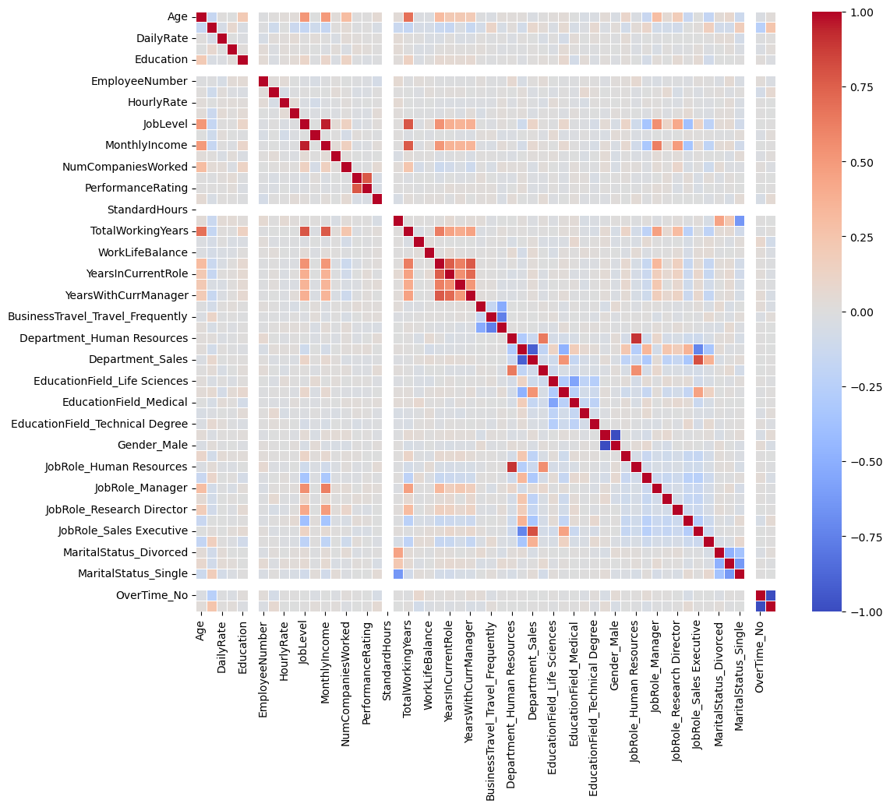

Sheet3
=> Attrition rate = (Number of Employees Who Left) / (Total Number of Employees) = 16.1%
=> According to correation matrix, JobLevel and YearsInCurrentRole have the most significant impact on attrition.

