Index
Power Query - Unpivot

go to sheet
go to query
go to sheet
go to query
 | Unpivot
 | 1. Straightforward Unpviot
 | 2. Multi-column Data Types
go to sheet
go to query
 | 3. Nested Column Headers
go to sheet
go to query
 | 4. Repeating Rows/Stacked Data

go to sheet
 | More Resources
 | Where to learn Power Query
 | Support Forum | https://www.myonlinetraininghub.com/excel-forum
 | Contact | website@myonlinetraininghub.com

Straightforward Unpivot
Straightforward Unpivot
In this example we want to unpivot columns B:D and remove the Grand Total column (E).
4. Rename Columns
Double click the Attribute column header and enter a new name; Year:
go to index
Salesperson | 2013 | 2014 | 2015 | Grand Total
Bromley | 32,310.84 | 44,050.64 | 10,995.71 | 87,357.19
Callahan | 49,400.07 | 43,263.95 | 18,059.50 | 110,723.52
go to query
Coghill | 124,655.56 | 51,163.01 | 49,945.11 | 225,763.68
Farnham | 103,719.07 | 79,253.24 | 18,223.96 | 201,196.27
1. Load the data
Power Query/Data tab > From Table. This will open the Query Editor window.
Finchley | 95,850.36 | 55,787.97 | 30,861.76 | 182,500.09
Fuller | 71,168.14 | 73,524.18 | 17,811.46 | 162,503.78
Gillingham | 40,826.37 | 17,181.58 | 14,519.68 | 72,527.63
Gloucester | 31,433.16 | 19,691.89 | 17,667.20 | 68,792.25
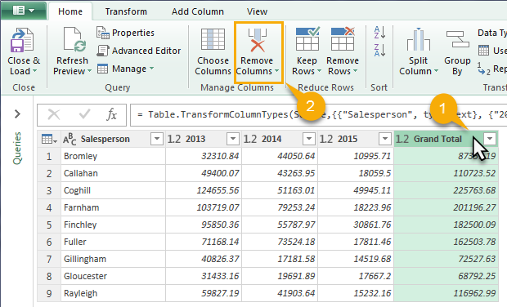
2. Remove the Grand Total column.
Left click to select it and press the Delete key, or go to the Home tab > Remove Columns, as shown below.
Rayleigh | 59,827.19 | 41,903.64 | 15,232.16 | 116,962.99

Tip: Format the data in an Excel Table first and give it a useful name.

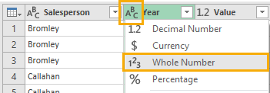
5. Change Type for Year column
Click the ABC icon in the Year column header > select 'Whole Number':

6. Close & Load
Now you're ready to load the data back into the Excel worksheet. Click the 'Close & Load' button on the Home tab:

3. Unpivot the year columns
Select the Salesperson column > right-click > Unpivot Other Columns:

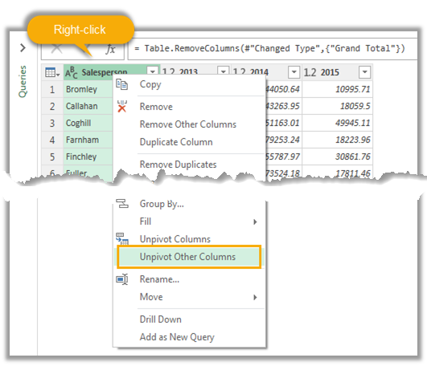

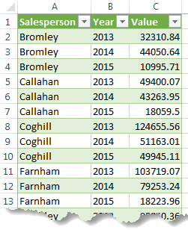
7. Voila!
Now you can create your PivotTable reports using data correctly formatted in a Tabular layout:

go to query

Multi-column Data Types
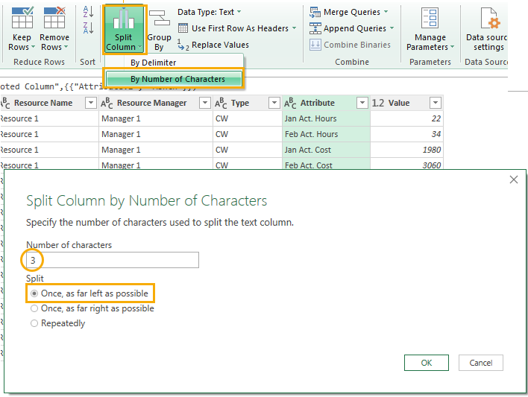
go to index
Project Code | Project Name | Task Name | Resource Name | Resource Manager | Type | Jan Act. Hours | Feb Act. Hours | Jan Act. Cost | Feb Act. Cost
TC00001234 | Project One | Task One | Resource 1 | Manager 1 | CW | 22 | 34 | 1980 | 3060
TC00001234 | Project One | Task One | Resource 2 | Manager 2 | CW | 12 | 9 | 1056 | 792
go to query
TC00001234 | Project One | Task Two | Resource 2 | Manager 2 | CW | 0 | 4 | 0 | 352
TC00001234 | Project One | Task Three | Resource 3 | Manager 3 | FTE | 4.5 | 0 | 418.5 | 0

Unpivot Multi-Column Data Types
In this example we want to unpivot columns G &H (hours) and I & J (Cost) separately.
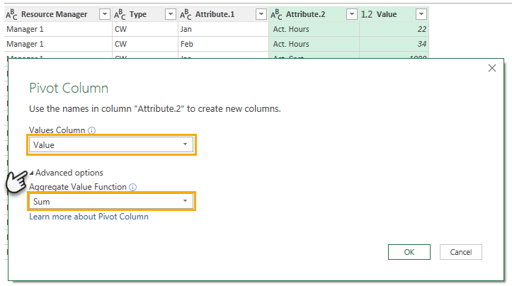
4. Pivot the Attribute.2 and Value Columns
This will put the Hours and Costs values into separate columns.
Tip: Select the Attribute.2 column first, then select the Value column > Transform tab > Pivot:

1. Load the data
Power Query/Data tab > From Table. This will open the Query Editor window.

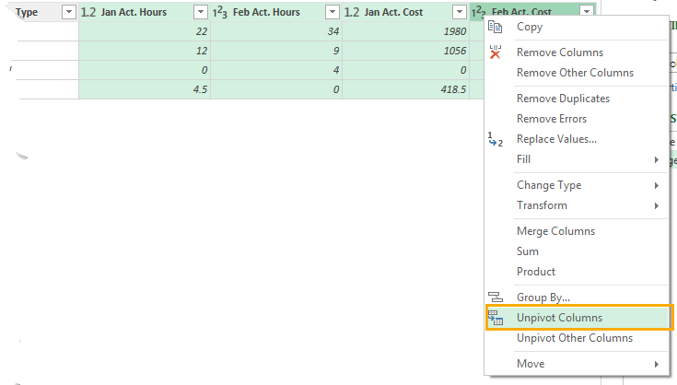
2. Unpivot the Values Columns
Select the 4 columns containing values > rignt-click the column header > Unpivot:

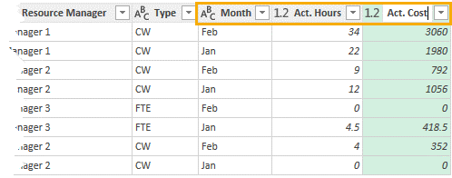
5. Rename Columns
Double click the column headers and rename as required:
go to query

3. Split Attribute Column by Number of Characters
Select the Attribute > Home tab > Split Column > by Number of Characters.
In the dialog box enter 3 (this will split after the month name) > Split; Once, as far left as possible:

Nested Column Headers
Data before loading to Power Query
go to index
 |  |  |  |  |  | Jan |  | Feb
Project Code | Project Name | Task Name | Resource Name | Resource Manager | Type | Act Hours | Act $ | Act Hours | Act $
TC00001234 | Project One | Task One | Resource 1 | Manager 1 | CW | 22 | 1980 | 34 | 3060
Data formatted as Table ready for loading to Power Query. Note: 'My table has headers' is not selected:
TC00001234 | Project One | Task One | Resource 2 | Manager 2 | CW | 12 | 1056 | 9 | 792
go to query
TC00001234 | Project One | Task Two | Resource 2 | Manager 2 | CW | 0 | 0 | 4 | 352
TC00001234 | Project One | Task Three | Resource 3 | Manager 3 | FTE | 4.5 | 418.5 | 0 | 0

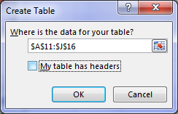

Column1 | Column2 | Column3 | Column4 | Column5 | Column6 | Column7 | Column8 | Column9 | Column10
 |  |  |  |  |  | Jan |  | Feb
Project Code | Project Name | Task Name | Resource Name | Resource Manager | Type | Act Hours | Act $ | Act Hours | Act $
TC00001234 | Project One | Task One | Resource 1 | Manager 1 | CW | 22 | 1980 | 34 | 3060
TC00001234 | Project One | Task One | Resource 2 | Manager 2 | CW | 12 | 1056 | 9 | 792
TC00001234 | Project One | Task Two | Resource 2 | Manager 2 | CW | 0 | 0 | 4 | 352
TC00001234 | Project One | Task Three | Resource 3 | Manager 3 | FTE | 4.5 | 418.5 | 0 | 0
Unpivot Data with Nested Headers
In this example we want to unpivot columns G to J but the headers are split over rows 1 and 2.
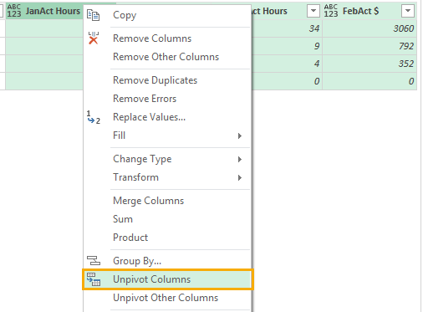
8. Unpivot the Values Columns
Select the 4 columns containing values > right-click the column header > Unpivot:

1. Format in Excel Table
Select the data including the headers > CTRL+T to format as an Excel Table. Uncheck 'My Table has headers'.

2. Load the data
Power Query/Data tab > From Table. This will open the Query Editor window.

3. Transpose Nested Header Columns
Transform tab > Transpose:

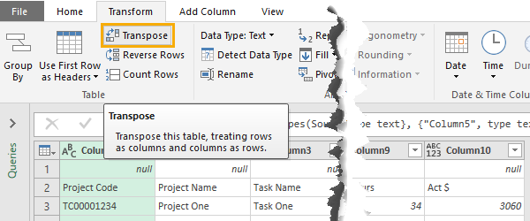

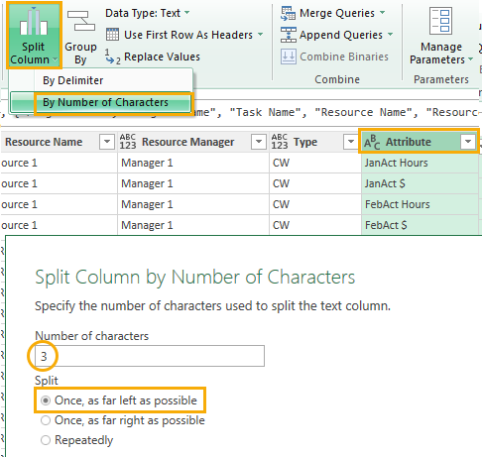
9. Split Attribute Column by Number of Characters
Select the Attribute > Home tab > Split Column > by Number of Characters.
In the dialog box enter 3 (this will split after the month name) > Split; Once, as far left as possible:

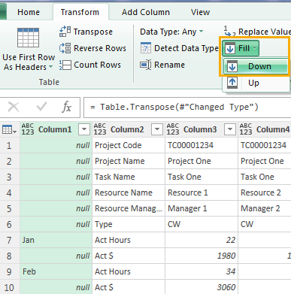
4. Fill Down Month Labels
Select Column1 > Transform tab > Fill Down.
This will repeat the month names on each
row where relevant:

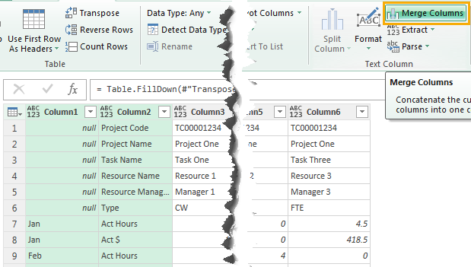
5. Merge Columns
Merge Columns 1 and 2. I won't use a delimiter because the month values in Column1 are all 3 characters long, so I can easily split the column by length later on.
10. Pivot the Attribute.2 and Value Columns
This will put the Hours and Costs values into separate columns.
Tip: Select the Attribute.2 column first, then select the Value column > Transform tab > Pivot:

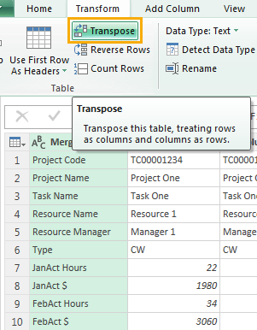
6. Transpose
Transpose the table back to its
original layout:

11. Rename Columns
Double click the column headers and rename as required:
go to query

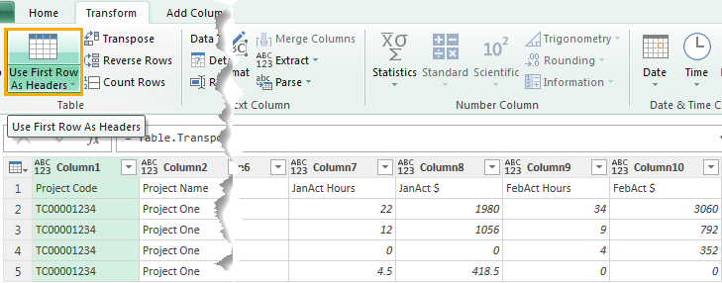
7. Promote First Row to Headers
Now that the column labels are in one row we can promote them to the header.
Transform tab > Use First Row as Headers:

Repeating Rows
Unpivot Data with Repeating Rows
The data in columns B and C follows a pattern of repeating rows. We can use Pivot to help convert it to a tabular layout.
go to index
Entitlements | Value
Name | Bale, Brenda
D.O.B. | 1970-02-27
go to query
Hourly Rate | $23.25
Holiday Leave Hours | 9.97
Holiday Leave Accrual | $231.80
1. Load the data
Power Query/Data tab > From Table. This will open the Query Editor window.
Total: | $231.80

2. Remove rows
Remove rows we don't need:
Select the Entitlements column >
Filter > uncheck '(null)' and 'Total':
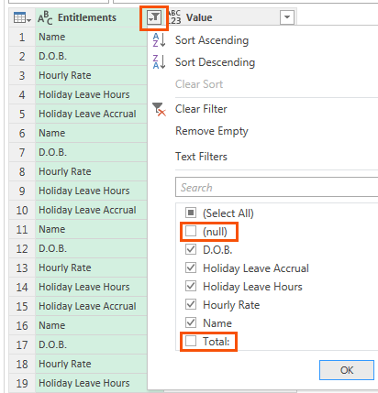
Name | Billing, Brian
D.O.B. | 1952-06-02
Hourly Rate | $27.50
Holiday Leave Hours | 57.44
Holiday Leave Accrual | $1,579.52

Total: | $1,579.52

Name | Brown, Bob
D.O.B. | 1976-02-09
Hourly Rate | $30.00
Holiday Leave Hours | 101.96
Holiday Leave Accrual | $3,058.90

Total: | $3,058.90

Name | Callahan, Craig
D.O.B. | 1968-04-28
Hourly Rate | $25.00
Holiday Leave Hours | 175.92
Holiday Leave Accrual | $4,398.00

Total: | $4,398.00
3. Add an Index Column
Add Column > Index Column; From 0 or From 1, it doesn't really matter:
Tip: the reason we add an index column is so that when we Pivot the data in the next step we don't get the Expression Error bellow. This error is typically caused when there are duplicate values in the column being Pivoted.
Name | Carlile, Cameron
D.O.B. | 1982-07-14
Hourly Rate | $35.75
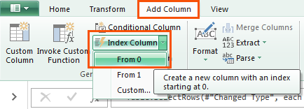
Holiday Leave Hours | 19.51
Holiday Leave Accrual | $697.48

Total: | $697.48

Name | Davis, David
D.O.B. | 1978-01-19
Hourly Rate | $60.00
Holiday Leave Hours | 5.83
Holiday Leave Accrual | $349.70

Total: | $349.70

Name | Edmondson, Edward
D.O.B. | 1963-05-27
Hourly Rate | $42.00
Holiday Leave Hours | 102.32
Holiday Leave Accrual | $4,297.30

4. Pivot the Value column
Select the Entitlements column > Transform tab > Pivot Column:
In the Pivot Column dialog box under 'Advanced Options' select 'Don't Aggregate':
Total: | $4,297.30

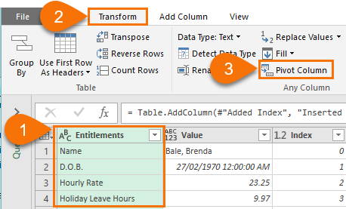
Name | Franklin,Frank
D.O.B. | 1977-06-30
Hourly Rate | $37.00
Holiday Leave Hours | 109.54
Holiday Leave Accrual | $4,052.97

Total: | $4,052.97

Name | Harrison, Harry
D.O.B. | 1964-12-11
Hourly Rate | $49.00
Holiday Leave Hours | 101.46
Holiday Leave Accrual | $4,971.30

Total: | $4,971.30

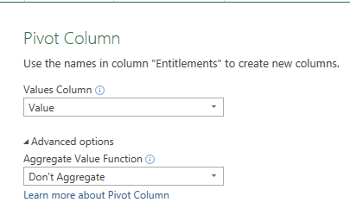
Name | Jameson, James
D.O.B. | 1965-03-15
Hourly Rate | $23.00
Holiday Leave Hours | 141.66
Holiday Leave Accrual | $3,258.10

Total: | $3,258.10

Name | Johnson, John
D.O.B. | 1989-10-28
Hourly Rate | $26.75
Holiday Leave Hours | 19.79
Holiday Leave Accrual | $529.38

Total: | $529.38
5. Fill Up
Select the D.O.B. through to Holiday Leave Accrual columns > Transform tab > Fill Up:
Name | Jones, Jim
D.O.B. | 1975-03-31
Hourly Rate | $27.00
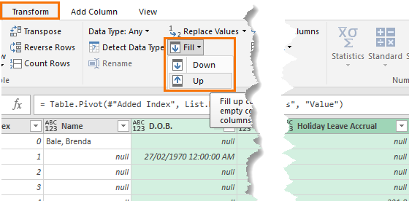
Holiday Leave Hours | 17.39
Holiday Leave Accrual | $469.40

Total: | $469.40

Name | Kyle, Kylie
D.O.B. | 1972-12-25
Hourly Rate | $43.00
Holiday Leave Hours | 119.33
Holiday Leave Accrual | $5,131.30

Total: | $5,131.30

6. Filter Name Column
Remove the null rows. This will remove all of the rows that we don't need, leaving us with just one row per person.
Name | Lane, Laura
D.O.B. | 1970-09-06
Hourly Rate | $47.00
Holiday Leave Hours | 32.76
Holiday Leave Accrual | $1,539.70

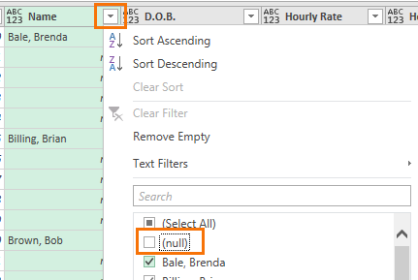
Total: | $1,539.70

Name | Lewis, Larry
D.O.B. | 1971-10-04
Hourly Rate | $62.00
Holiday Leave Hours | 91.79
Holiday Leave Accrual | $5,691.20

Total: | $5,691.20

Name | Lozern, Lilly
D.O.B. | 1983-05-13
Hourly Rate | $26.45
Holiday Leave Hours | 101.52
Holiday Leave Accrual | $2,685.20

7. Delete Index Column
We don't need the Index column anymore. Select the headers and press the Delete key.
Total: | $2,685.20

go to query
Name | Lucas, Luke
D.O.B. | 1987-08-17
Hourly Rate | $24.00
Holiday Leave Hours | 124.31
Holiday Leave Accrual | $2,983.40

Total: | $2,983.40

Name | Mattias, Matthew
D.O.B. | 1978-03-15
Hourly Rate | $36.00
Holiday Leave Hours | 101.98
Holiday Leave Accrual | $3,671.20

Total: | $3,671.20

Name | Moore, Marley
D.O.B. | 1972-09-26
Hourly Rate | $39.00
Holiday Leave Hours | 63.37
Holiday Leave Accrual | $2,471.40

Total: | $2,471.40

Name | Morris, Morton
D.O.B. | 1969-07-29
Hourly Rate | $51.00
Holiday Leave Hours | 8.40
Holiday Leave Accrual | $428.30

Total: | $428.30

Name | Smith, Sam
D.O.B. | 1981-03-22
Hourly Rate | $28.70
Holiday Leave Hours | 43.12
Holiday Leave Accrual | $1,237.50

Total: | $1,237.50

Name | Thompson, Tom
D.O.B. | 1980-04-29
Hourly Rate | $26.50
Holiday Leave Hours | 284.39
Holiday Leave Accrual | $7,536.41

Total: | $7,536.41

BasicUnpivot Query
go to index
Salesperson | Year | Value
Bromley | 2013 | 32310.84
Bromley | 2014 | 44050.64
Bromley | 2015 | 10995.71
Callahan | 2013 | 49400.07
Callahan | 2014 | 43263.95
Callahan | 2015 | 18059.5
Coghill | 2013 | 124655.56
Coghill | 2014 | 51163.01
Coghill | 2015 | 49945.11
Farnham | 2013 | 103719.07
Farnham | 2014 | 79253.24
Farnham | 2015 | 18223.96
Finchley | 2013 | 95850.36
Finchley | 2014 | 55787.97
Finchley | 2015 | 30861.76
Fuller | 2013 | 71168.14
Fuller | 2014 | 73524.18
Fuller | 2015 | 17811.46
Gillingham | 2013 | 40826.37
Gillingham | 2014 | 17181.58
Gillingham | 2015 | 14519.68
Gloucester | 2013 | 31433.16
Gloucester | 2014 | 19691.89
Gloucester | 2015 | 17667.2
Rayleigh | 2013 | 59827.19
Rayleigh | 2014 | 41903.64
Rayleigh | 2015 | 15232.16

MultiColumnsUnpivot Query
go to index
Project Code | Project Name | Task Name | Resource Name | Resource Manager | Type | Month | Act. Hours | Act. Cost
TC00001234 | Project One | Task One | Resource 1 | Manager 1 | CW | Feb | 34 | 3060
TC00001234 | Project One | Task One | Resource 1 | Manager 1 | CW | Jan | 22 | 1980
TC00001234 | Project One | Task One | Resource 2 | Manager 2 | CW | Feb | 9 | 792
TC00001234 | Project One | Task One | Resource 2 | Manager 2 | CW | Jan | 12 | 1056
TC00001234 | Project One | Task Three | Resource 3 | Manager 3 | FTE | Feb | 0 | 0
TC00001234 | Project One | Task Three | Resource 3 | Manager 3 | FTE | Jan | 4.5 | 418.5
TC00001234 | Project One | Task Two | Resource 2 | Manager 2 | CW | Feb | 4 | 352
TC00001234 | Project One | Task Two | Resource 2 | Manager 2 | CW | Jan | 0 | 0

NestedHeadersUnpivot Query
go to index
Project Code | Project Name | Task Name | Resource Name | Resource Manager | Type | Month | Act Hours | Act $
TC00001234 | Project One | Task One | Resource 1 | Manager 1 | CW | Feb | 34 | 3060
TC00001234 | Project One | Task One | Resource 1 | Manager 1 | CW | Jan | 22 | 1980
TC00001234 | Project One | Task One | Resource 2 | Manager 2 | CW | Feb | 9 | 792
TC00001234 | Project One | Task One | Resource 2 | Manager 2 | CW | Jan | 12 | 1056
TC00001234 | Project One | Task Three | Resource 3 | Manager 3 | FTE | Feb | 0 | 0
TC00001234 | Project One | Task Three | Resource 3 | Manager 3 | FTE | Jan | 4.5 | 418.5
TC00001234 | Project One | Task Two | Resource 2 | Manager 2 | CW | Feb | 4 | 352
TC00001234 | Project One | Task Two | Resource 2 | Manager 2 | CW | Jan | 0 | 0

RepeatingRowsUnpivot Query
go to index
Name | D.O.B. | Hourly Rate | Holiday Leave Hours | Holiday Leave Accrual
Bale, Brenda | 25626 | 23.25 | 9.97 | 231.8
Billing, Brian | 19147 | 27.5 | 57.44 | 1579.52
Brown, Bob | 27799 | 30 | 101.96 | 3058.9
Callahan, Craig | 24956 | 25 | 175.92 | 4398
Carlile, Cameron | 30146 | 35.75 | 19.51 | 697.48
Davis, David | 28509 | 60 | 5.83 | 349.7
Edmondson, Edward | 23158 | 42 | 102.32 | 4297.3
Franklin,Frank | 28306 | 37 | 109.54 | 4052.97
Harrison, Harry | 23722 | 49 | 101.46 | 4971.3
Jameson, James | 23816 | 23 | 141.66 | 3258.1
Johnson, John | 32809 | 26.75 | 19.79 | 529.38
Jones, Jim | 27484 | 27 | 17.39 | 469.4
Kyle, Kylie | 26658 | 43 | 119.33 | 5131.3
Lane, Laura | 25817 | 47 | 32.76 | 1539.7
Lewis, Larry | 26210 | 62 | 91.79 | 5691.2
Lozern, Lilly | 30449 | 26.45 | 101.52 | 2685.2
Lucas, Luke | 32006 | 24 | 124.31 | 2983.4
Mattias, Matthew | 28564 | 36 | 101.98 | 3671.2
Moore, Marley | 26568 | 39 | 63.37 | 2471.4
Morris, Morton | 25413 | 51 | 8.4 | 428.3
Smith, Sam | 29667 | 28.7 | 43.12 | 1237.5
Thompson, Tom | 29340 | 26.5 | 284.39 | 7536.41

More Resources
go to index
Where to Learn Power Query


Mynda’s Online Course
http://www.myonlinetraininghub.com/
excel-power-query-course

