HTML
<link rel="stylesheet" herf="kitchen.css" type="text/css">
<img src="foods.png" alt="foot illustration">測試餐廳
<small> | </small>

<meta charset="UTF-8">
<meta name="description" content="這是上課練習網頁">
<meta name="keywords" content="HTML, CSS, JavaScript, 學習, 網頁">
<meta name="author" content="Maple Hua">
<meta name="viewport" content="width=device-width, initial-scale=1.0">

<ul><li></li></ul>

<ol><li></li></ol>

<dl><dt></dt><dd></dd></dl>

<blockquote> |  | </blockquote>

<pre> | </pre>

<figure> | 圖片說明 | </figure>
<code> | </code>

<figure style="border:1px solid #ff0000">
<img src="blackgoose.png" alt="logo">
<pre>
<code>
body {
background-color: #000;
color: red;
}
</code>
</pre>
<figcaption> figcaption _ An elephant at sunset</figcaption>
</figure>

<header> | </header>
<article> | </article>
<section> | </section>
<footer> | </footer>
<time datetime="11:00"> |  |  | </time>

<div> | </div>
width block 元素
width 預設和父元素一樣寬 auto
height default : auto 預設和父元素一樣寬 auto
 | 但父容器基本是 0 , 要用內容推開
 | 基本上不會設定父容器高度
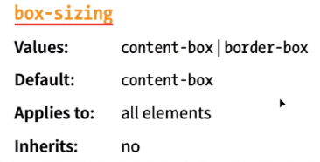
所以要特別注意 box-sizing

<em> | </em>
<span> | </span>

