parameters
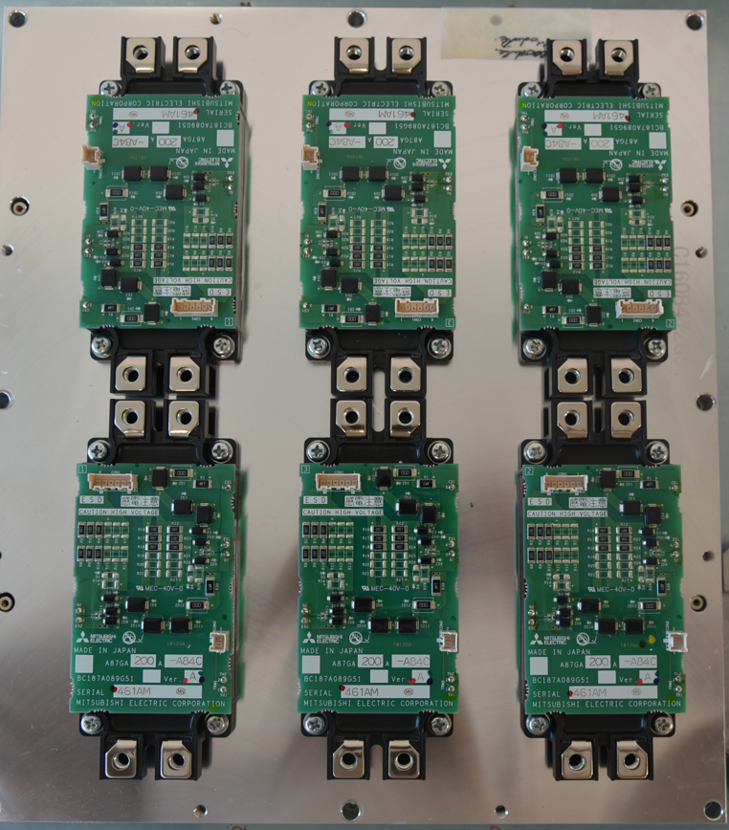
General parameters
S_rated | 250000 | Rated apparent power
PN | 200000 | Nominal active power
Vin | 230
Vout_rms | 170 | # for Mi ~ 0.7
PF | 0.87 | # phy=30°
Ir_out | 363 | rated CDM output current, RMS value (normal duty)
Udc | 540 | CDM DC link voltage
fsw | 2000 | power > 90kW
Imotor_cable | 10 | Motor cable current, relevant for increased switching losses
fout_nom | 50 | electric motor frequency (at m=1; control V/F = cste)

Topology
nb_parallel_sw | 2

IGBT parameters |  | Device (losses) parameters: diodes+IGBTs of CM600
T_k11 | 4.839E-05 | IGBT Ic-Vcesat datasheet fitting parameter |  | IGBT (Transistor) conduction "power" model | adapted from page Use_loss_FR-A840_inve_standrds of Usage_model(004)
T_k12 | 1.675E-02 | IGBT datasheet fitting parameter
T_k21 | 1.676E-04 | IGBT datasheet fitting parameter
T_k22 | 6.088E-01 | IGBT datasheet fitting parameter
T_k31 | -1.646E-03 | IGBT datasheet fitting parameter
T_k32 | 6.485E-01 | IGBT datasheet fitting parameter
D_k11 | 4.810E-05 | Diode Ie-Vec datasheet fitting parameter |  | Diode conduction "power" model
D_k12 | 1.602E-02 | Diode Ie-Vec datasheet fitting parameter
D_k21 | -1.320E-04 | Diode Ie-Vec datasheet fitting parameter
D_k22 | 6.256E-01 | Diode Ie-Vec datasheet fitting parameter
D_k31 | -1.590E-03 | Diode Ie-Vec datasheet fitting parameter
D_k32 | 7.218E-01 | Diode Ie-Vec datasheet fitting parameter
EON_0 | 7.744E+00 | EON switching energy parameter | in mJ | IGBT
ICON_1 | 3.724E-02 | EON switching energy parameter
ICON_2 | 6.607E-05 | EON switching energy parameter
TCON | 6.005E-04 | EON switching energy parameter
VCON | 1.300E+00 | EON switching energy parameter
RgCON | 5.529E-01 | EON switching energy parameter
EOFF_0 | 1.052E+01 | EOFF switching energy parameter | in mJ
ICOFF_1 | 7.543E-02 | EOFF switching energy parameter
ICOFF_2 | 2.105E-05 | EOFF switching energy parameter
TCOFF | 7.246E-03 | EOFF switching energy parameter
VCOFF | 1.300E+00 | EOFF switching energy parameter
RgOFF | 3.567E-02 | EOFF switching energy parameter
ERR_0 | 1.903E+01 | ERR switching energy parameter |  | Diode
ICRR_1 | 7.120E-02 | ERR switching energy parameter
ICRR_2 | -3.545E-05 | ERR switching energy parameter
TCRR | 7.944E-03 | ERR switching energy parameter
VCRR | 6.000E-01 | ERR switching energy parameter
RgCRR | -9.304E-02 | ERR switching energy parameter
Tj_ref | 1.500E+02 | datasheet reference temperature where model is fitted
Rg_ref | 1.000E+00 | datasheet reference external resistance where model is fitted
Vbus_ref | 6.000E+02 | datasheet reference bus voltage where model is fitted

V_OC | 1.096E+00 | conduction loss param - diode linear model (used?)
Kv | -7.461E-04
RON_OC | 8.171E-04
KROhm | 1.056E-06
Rterminal | 2.288E-05
Krterminal | 3.521E-06

T_V_OC | 1.025E+00 | igbt conduction - linear model
T_Kv | -1.015E-03
T_Ron_OC | 7.141E-04
T_KROhm | 4.930E-06

Rg | 6.67 | gate driver resistance

thermal parameters
Rth_jc_Q | 48 | K/KW
Rth_jc_D | 76 | K/KW
foster_order | 4 | to modify to interpret following data as table
Rth_die_to_case | 0.0457 | 0.2737 | 0.3178 | 0.3628
tau_die_to_case | 3.55E-04 | 1.03E-02 | 7.30E-02 | 7.30E-02
Rth_heatsink | 0.2085 | K/W (calculated in Manufacturing_Usage_LCA_GPI)

cost parameters
man_hour_rate | 100 | euros
mounting_time | 65 | mn
dismounting_time | 52 | mn
HB_module_cost | 311.461 | euros

