Note
卖家精灵官网：https://www.sellersprite.com
客服电话：139-8227-0926(谭先生)
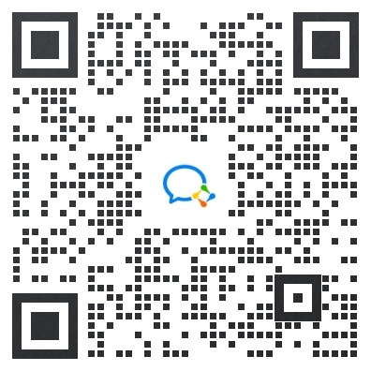 微信客服
插件使用指南：https://www.sellersprite.com/cn/help/chrome-guide
插件视频教程：https://www.sellersprite.com/cn/help/tour-of-sellersprite-extension
备注： BSR/评分数/评分/问答/变体数/卖家数 等数据，都是取的"最近更新"当日的数字
选 词 选 品 选 市 场，就 上 卖 家 精 灵

