Sheet1
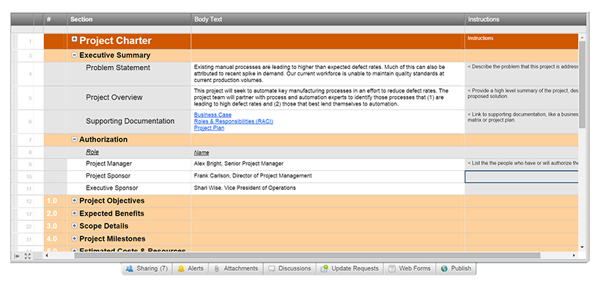
Agile Project Charter

General Project Information
Project Name
Project Champion
Project Sponsor
Project Manager
Stakeholders
Expected Start Date
Expected Completion Date

Project Details
Mission

Vision

Scope

Success Metrics

Date: | Date:

Create an Agile Project Charter in Smartsheet

