Sheet1
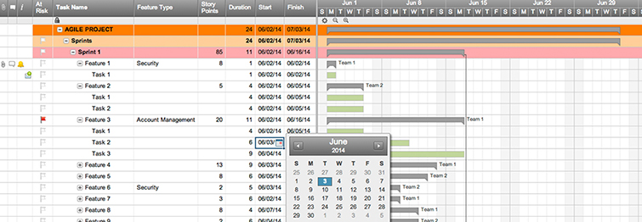
Agile Release Plan

Sprint | Task | Start | End | Duration | Status | Release Date | Goal
1 | Task 1 | 2016-02-05 | 2016-02-08 | 3 | Planned | 2016-02-12
1 | Task 2 | 2016-02-12 | 2016-02-20 | 8 | Released | 2016-02-24
1 | Task 3 | 2016-02-19 | 2016-02-26 | 7 | Ongoing | 2016-03-01
1 | Task 4 | 2016-02-22 | 2016-02-29 | 7 | Planned | 2016-03-08
 |  |  |  | 0
 |  |  |  | 0
 |  |  |  | 0
 |  |  |  | 0
 |  |  |  | 0
 |  |  |  | 0
 |  |  |  | 0
 |  |  |  | 0
 |  |  |  | 0
 |  |  |  | 0
 |  |  |  | 0
 |  |  |  | 0
 |  |  |  | 0
 |  |  |  | 0
 |  |  |  | 0

Create an Agile Release Plan in Smartsheet

