States
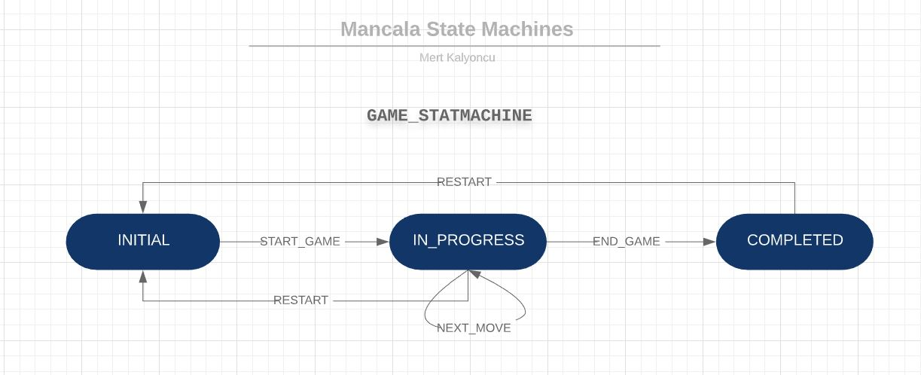
GAME STATES

 | INITIAL | IN_PROGRESS | COMPLETED
INITIAL | N/A | START_GAME | N/A
IN_PROGRESS | REPLAY | NEXT_MOVE | END_GAME
COMPLETED | REPLAY | N/A | N/A

PIT STATES

 | INITIAL | EMPTY | ONE_ITEM | MANY_ITEMS
INITIAL | N/A | N/A | N/A | START_GAME
EMPTY | N/A | N/A | DEPOSIT() | REPLAY
ONE_ITEM | N/A | WITHDRAW | N/A | DEPOSIT REPLAY
MANY_ITEMS | N/A | WITHDRAW | N/A | DEPOSIT REPLAY

STORE STATES

 | INITIAL | EMPTY | ONE_ITEM | MANY_ITEMS
INITIAL | N/A | START_GAME | N/A | N/A
EMPTY | N/A | REPLAY | DEPOSIT | DEPOSIT_TO_STORE
ONE_ITEM | N/A | REPLAY | N/A | DEPOSIT DEPOSIT_TO_STORE
MANY_ITEMS | N/A | REPLAY | N/A | DEPOSIT DEPOSIT_TO_STORE

UML DIAGRAM
