MaintenanceType
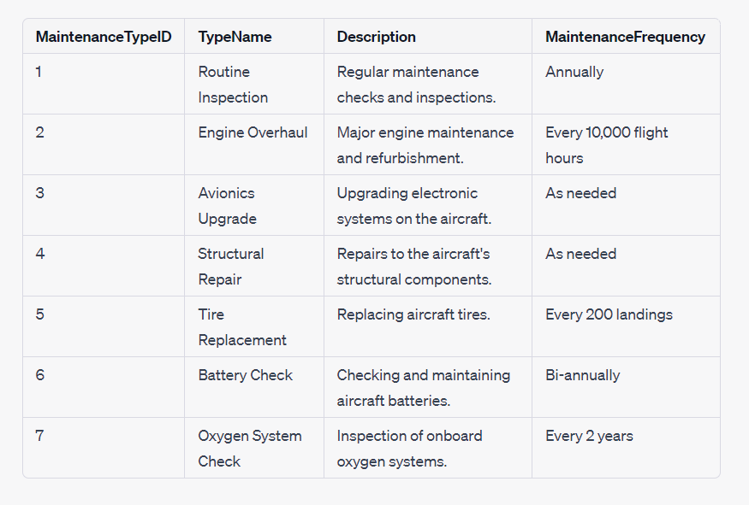
Column Name | Data Type | Description
MaintenanceTypeID | INT | Unique identifier for each maintenance type.
TypeName | VARCHAR(50) | The name or description of the maintenance type.
Description | TEXT | A detailed description of the maintenance type.
MaintenanceFrequency | VARCHAR(50) | How often the maintenance should be performed (e.g., "Annually," "Every 5,000 flight hours," "As needed").

