Q1
1.1) | CUSIP 91282CLF6:
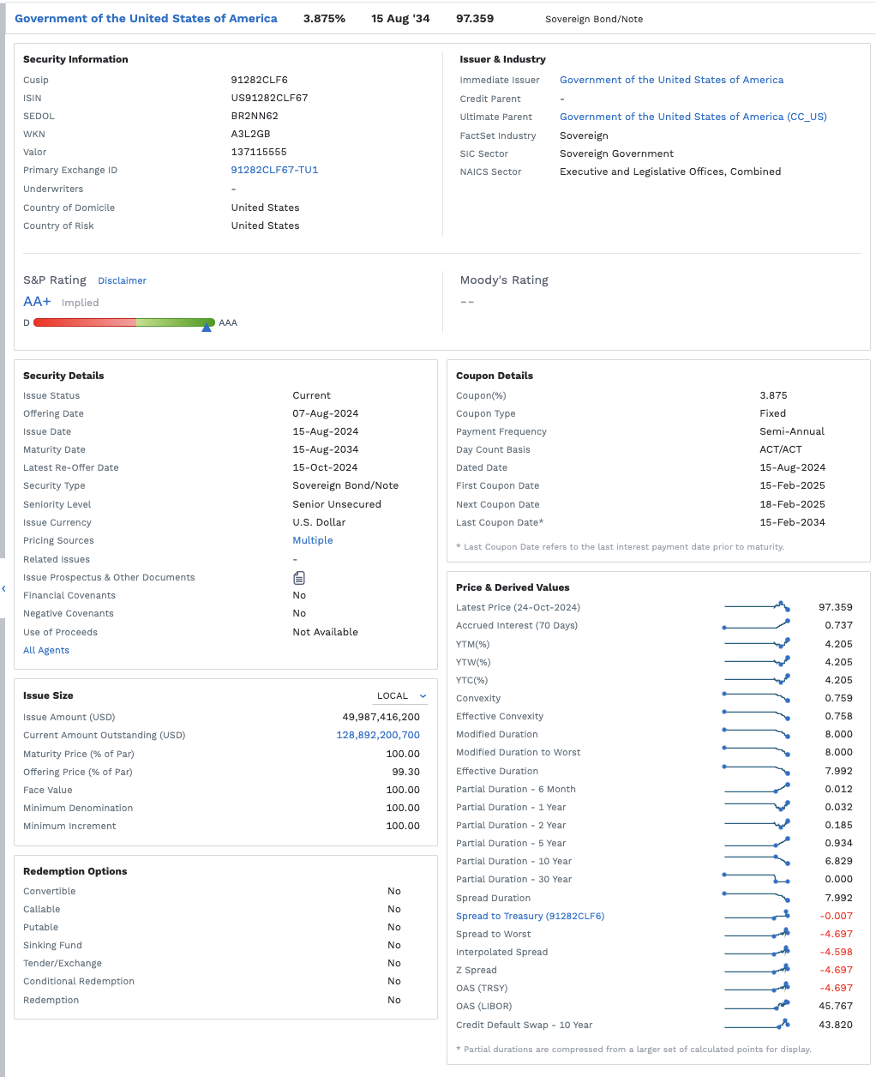
 |  |  |  |  |  |  |  |  | Price | 97.359
 |  |  |  |  |  |  |  |  | Yield | 4.205%
 |  |  |  |  |  |  |  |  | Maturity Date | 2034-08-15
 |  |  |  |  |  |  |  |  | Coupon Rate | 3.875%
 |  |  |  |  |  |  |  |  | Face | 100

 |  |  |  |  |  |  |  |  | 10 Year Yield Curve:

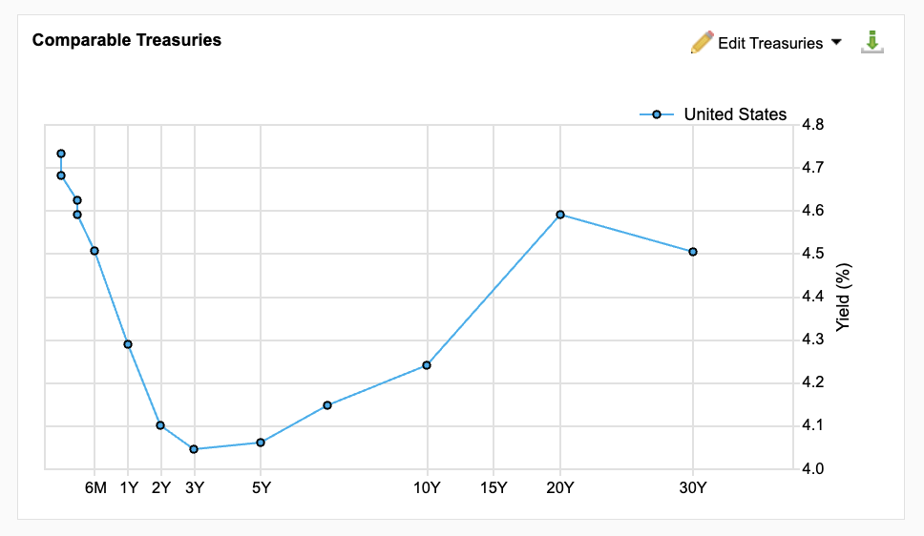

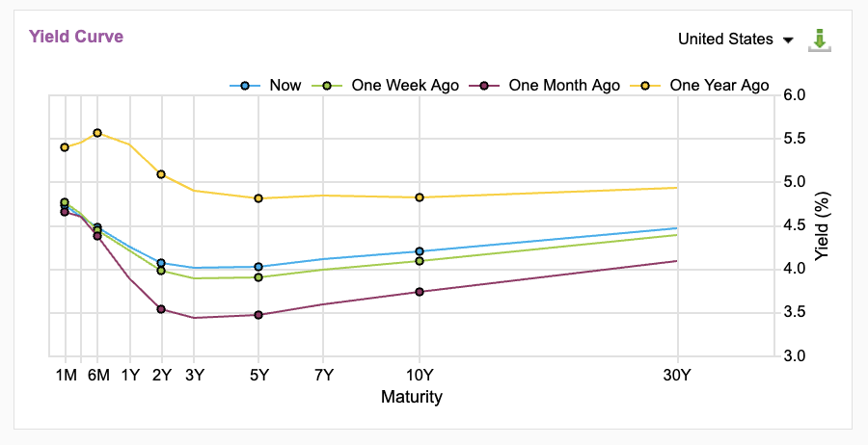

 | Intermediate Rate Estimates: |  |  |  |  | 1.2)
 | Months | Years | Yield |  |  | Pricing Bond Using Zero Coupon Rates:
 | 1 | 0.08 | 4.730% |  |  | Maturity (YRS) | Coupon PMT | Zero Rate | PV
 | 3 | 0.25 | 4.642% |  |  | 0.5 | 1.9375 | 4.510% | $1.90
 | 6 | 0.50 | 4.510% |  |  | 1 | 1.9375 | 4.280% | $1.86
 | 12 | 1.00 | 4.280% |  |  | 1.5 | 1.9375 | 4.190% | $1.82
 | 18 | 1.50 | 4.190% |  |  | 2 | 1.9375 | 4.100% | $1.79
 | 24 | 2.00 | 4.100% |  |  | 2.5 | 1.9375 | 4.070% | $1.75
 | 30 | 2.50 | 4.070% |  |  | 3 | 1.9375 | 4.040% | $1.72
 | 36 | 3.00 | 4.040% |  |  | 3.5 | 1.9375 | 4.045% | $1.69
 | 42 | 3.50 | 4.045% |  |  | 4 | 1.9375 | 4.050% | $1.65
 | 48 | 4.00 | 4.050% |  |  | 4.5 | 1.9375 | 4.055% | $1.62
 | 54 | 4.50 | 4.055% |  |  | 5 | 1.9375 | 4.060% | $1.59
 | 60 | 5.00 | 4.060% |  |  | 5.5 | 1.9375 | 4.080% | $1.55
 | 66 | 5.50 | 4.080% |  |  | 6 | 1.9375 | 4.100% | $1.52
 | 72 | 6.00 | 4.100% |  |  | 6.5 | 1.9375 | 4.125% | $1.49
 | 78 | 6.50 | 4.125% |  |  | 7 | 1.9375 | 4.150% | $1.46
 | 84 | 7.00 | 4.150% |  |  | 7.5 | 1.9375 | 4.165% | $1.43
 | 90 | 7.50 | 4.165% |  |  | 8 | 1.9375 | 4.180% | $1.40
 | 96 | 8.00 | 4.180% |  |  | 8.5 | 1.9375 | 4.195% | $1.37
 | 102 | 8.50 | 4.195% |  |  | 9 | 1.9375 | 4.210% | $1.34
 | 108 | 9.00 | 4.210% |  |  | 9.5 | 1.9375 | 4.225% | $1.31
 | 114 | 9.50 | 4.225% |  |  | 10 | 1.9375 | 4.240% | $1.28
 | 120 | 10.00 | 4.240% |  |  | 10 | 100 | 4.240% | $66.02
 | 240 | 20.00 | 4.590%
 | 360 | 30.00 | 4.500% |  |  |  |  | PRICE | $97.54

 |  |  |  |  |  | 1.3) | Fact Set Price | $97.36
 |  |  |  |  |  |  | Zero-Coupon Price | $97.54

 |  |  |  |  |  | The zero-coupon bond price is higher than the FactSet bond price. The discrepency in prices might have been caused by the estimation of zero-coupon rates using the interpolation method. This method creates room for error because the yield data points are not 100% accurate, and may not fully capture the shape of the yield curve accurately. The differences in zero-rate estimates and the real-time market rates impact the differences in price.

 |  |  |  | Questions:

 |  |  |  | 1) | Why are bond prices quoted in percentages instead of actual currency amounts? What does this imply about the bond’s value?

 |  |  |  |  | Bond prices are quoted in precentages rather than actual currency amounts to create a standardized way to express bond value. Using a percentage simplifies comparing bonds with different face values, maturities, and coupons. It also allows investors to determine if the bond is trading at a discount or a premium.

 |  |  |  | 2) | How do zero rates differ from coupon rates, and why do they matter when pricing bonds?

 |  |  |  |  | Zero rates are yields on zero-coupon bonds that do not pay periodic interest, and return their entire value at maturity. Coupon-rates are the stated rates paid by bonds with periodic coupon payments. Zero-rates ensure bond prices reflect the true time value of money and market conditions, resulting in more accurate valuations.

 |  |  |  | 3) | When interpolating rates from the yield curve, what assumptions do you make, and why is interpolation necessary for bond pricing?

 |  |  |  |  | When interpolating rates assumptions include the rates change smoothly between observed points, market conditions are relatively stable, credit and default risk are consistent between observed points, and the best method is used to capture the true shape of the yield between points. Interpolation is necessary for bond pricing by tailoring discount rates to the exact maturity, give a complete view of the term structure, and accounts for short term fluctuations in the market.

 |  |  |  | 4) | Why might there be a difference between the price you calculated using zero rates and the market price retrieved from FactSet? Discuss potential reasons for these discrepancies.
 |  |  |  |  | The zero-rate calculations provide a good estimate of theoretical price. However, real-world factors like credit risk, liquidity, economic expectations, yield curve nuances, market sentiment, bond features, and transaction costs all contribute to discrepancies between the zero-rate calculated and actual market prices.

 |  |  |  | 5) | How do changing interest rates influence the price of Treasury bonds, particularly in relation to the zero rate?

 |  |  |  |  | Changing interest rates influence Treasury bond prices through shifts in the yield curve, which directly impact the zero rates used to discount future cash flows. Higher interest rates increase zero rates, leading to lower Treasury bond prices, while lower rates decrease zero rates, raising bond prices. Treasury bonds are highly sensitive to interest rate movements and yield curve changes.

Q2
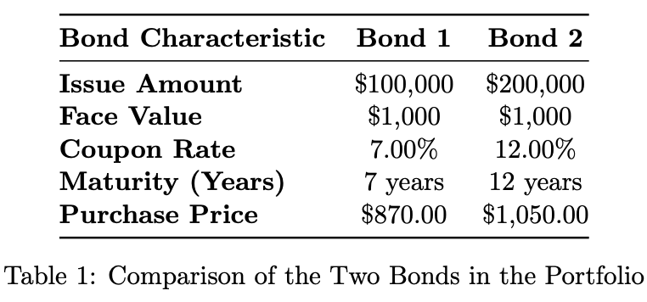
 |  |  |  |  |  | YR 5 | YR 0
 |  |  |  |  |  | Bond 1 | Bond 2
 |  |  |  |  | Issue | $100,000.00 | $200,000.00
 |  |  |  |  | Face Value | $1,000.00 | $1,000.00
 |  |  |  |  | Coupon | 7% | 12%
 |  |  |  |  | Maturity (yrs) | 7.00 | 12.00
 |  |  |  |  | Price | $870.00 | $1,050.00
 |  |  |  |  | IRR | 9.59% | 11.23%
 |  |  |  |  | Weights | 29.29% | 70.71%

Year | 0 | 0.5 | 1 | 1.5 | 2 | 2.5 | 3 | 3.5 | 4 | 4.5 | 5 | 5.5 | 6 | 6.5 | 7 | 7.5 | 8 | 8.5 | 9 | 9.5 | 10 | 10.5 | 11 | 11.5 | 12
Period | 0 | 1 | 2 | 3 | 4 | 5 | 6 | 7 | 8 | 9 | 10 | 11 | 12 | 13 | 14 | 15 | 16 | 17 | 18 | 19 | 20 | 21 | 22 | 23 | 24

Bond 1
Price |  |  |  |  |  |  |  |  |  |  | $(87,000.00)
Coupon |  |  |  |  |  |  |  |  |  |  |  | $3,500.00 | $3,500.00 | $3,500.00 | $3,500.00 | $3,500.00 | $3,500.00 | $3,500.00 | $3,500.00 | $3,500.00 | $3,500.00 | $3,500.00 | $3,500.00 | $3,500.00 | $3,500.00
Principal |  |  |  |  |  |  |  |  |  |  |  |  |  |  |  |  |  |  |  |  |  |  |  |  | $100,000.00
CF | $- | $- | $- | $- | $- | $- | $- | $- | $- | $- | $(87,000.00) | $3,500.00 | $3,500.00 | $3,500.00 | $3,500.00 | $3,500.00 | $3,500.00 | $3,500.00 | $3,500.00 | $3,500.00 | $3,500.00 | $3,500.00 | $3,500.00 | $3,500.00 | $103,500.00
 |  |  |  |  |  |  |  |  |  |  |  |  |  |  |  |  |  |  |  |  |  |  |  |  | CF
 |  |  |  |  |  |  |  |  |  |  |  |  |  |  |  |  |  |  |  |  |  |  |  |  | $149,000.00
Bond 2
Price | $(210,000.00)
Coupon |  | $12,000.00 | $12,000.00 | $12,000.00 | $12,000.00 | $12,000.00 | $12,000.00 | $12,000.00 | $12,000.00 | $12,000.00 | $12,000.00 | $12,000.00 | $12,000.00 | $12,000.00 | $12,000.00 | $12,000.00 | $12,000.00 | $12,000.00 | $12,000.00 | $12,000.00 | $12,000.00 | $12,000.00 | $12,000.00 | $12,000.00 | $12,000.00
Principal |  |  |  |  |  |  |  |  |  |  |  |  |  |  |  |  |  |  |  |  |  |  |  |  | $200,000.00
CF | $(210,000.00) | $12,000.00 | $12,000.00 | $12,000.00 | $12,000.00 | $12,000.00 | $12,000.00 | $12,000.00 | $12,000.00 | $12,000.00 | $12,000.00 | $12,000.00 | $12,000.00 | $12,000.00 | $12,000.00 | $12,000.00 | $12,000.00 | $12,000.00 | $12,000.00 | $12,000.00 | $12,000.00 | $12,000.00 | $12,000.00 | $12,000.00 | $212,000.00
 |  |  |  |  |  |  |  |  |  |  |  |  |  |  |  |  |  |  |  |  |  |  |  |  | CF
 |  |  |  |  |  |  |  |  |  |  |  |  |  |  |  |  |  |  |  |  |  |  |  |  | $488,000.00

Total CFs (1+2) | $(210,000.00) | $12,000.00 | $12,000.00 | $12,000.00 | $12,000.00 | $12,000.00 | $12,000.00 | $12,000.00 | $12,000.00 | $12,000.00 | $(75,000.00) | $15,500.00 | $15,500.00 | $15,500.00 | $15,500.00 | $15,500.00 | $15,500.00 | $15,500.00 | $15,500.00 | $15,500.00 | $15,500.00 | $15,500.00 | $15,500.00 | $15,500.00 | $315,500.00
 |  |  |  |  |  |  |  |  |  |  |  |  |  |  |  |  |  |  |  |  |  |  |  |  | Cumulative CF
 |  |  |  |  |  |  |  |  |  |  |  |  |  |  |  |  |  |  |  |  |  |  |  |  | $637,000.00
 | SEMI | ANNUAL |  |  |  |  |  |  |  |  |  |  |  |  |  |  |  |  |  |  |  |  |  |  | $337,000.00
IRR | 5.486% | 10.971%
NPV | ($0.00)
Yield | 5.486% | 10.971%

 | 1) | What are the individual and combined cash flows of the two bonds over the 24 periods? How do the cash flows differ between the two bonds?

 |  | Individual CFs:
 |  | Bond 1 | $149,000.00 | Smaller coupons, starting later in the timeline at Yr 5.
 |  | Bond 2 | $488,000.00 | Larger coupons, starting at period 1.

 |  | Combined CFs | $637,000.00

 | 2) | What is the internal rate of return (IRR) of the portfolio? How does it compare to the simple interest of the portfolio?

 |  | Portfolio IRR | 5.486% | Semi-annually |  | IRR is higher than simple interest as Bond 1 was bought at a discount.
 |  |  | 10.971% | Annually

 |  | Simple Interest | 8.046% | 11.43%
 |  |  | 100000 | 200000

 |  |  | 5.15% | Semi-annual

 | 3) | Calculate the weights of Bond 1 and Bond 2 in the portfolio based on the investment amounts. How do the weights impact the overall return of the portfolio?

 |  |  |  |  | Bond 2 has a larger weight, a higher coupon, and IRR, resulting in an overall larger return than if it were flipped to Bond 1 having a larger weight.
 |  | Bond 1 | 29.29%
 |  | Bond 2 | 70.71%

 | 4) | How does the timing of purchasing Bond 2 (at Period 14) impact the overall portfolio performance?

 |  | Purchasing Bond 2 at period 14 would likely reduce overall portfolio performance. This is because the bond would need to be bought at a higher price relative to the remaining cash flows, as these cash flows are now lower risk and therefore require a lower yield to appeal to investors in the open market

 | 5) | Using Goal Seek, adjust the portfolio’s yield so that the NPV equals zero. How does this yield compare to the IRR you calculated? What insights do you gain from the comparison?

 |  | The adjusted yield so that NPV = 0 is 5.49%, which is the same as the IRR calculated. This yield represents the discount rate for all future bond cash flows to their present value, determining the equivalent price. If investors have differing views on this rate, arbitrage opportunities may emerge.

Q 3
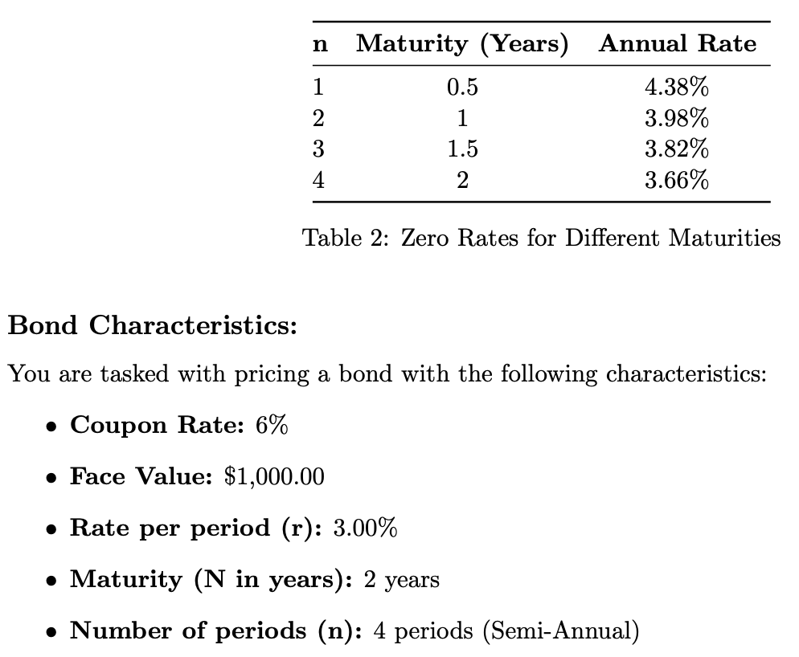
 |  |  |  | Economic:
 |  |  |  | N | Maturity (yrs) | Annual rate
 |  |  |  | 1 | 0.5 | 4.38%
 |  |  |  | 2 | 1 | 3.98%
 |  |  |  | 3 | 1.5 | 3.82%
 |  |  |  | 4 | 2 | 3.66%

 |  |  |  | Bond:
 |  |  |  | Coupon | 6%
 |  |  |  | Face | $1,000.00
 |  |  |  | Rate | 3%
 |  |  |  | Maturity | 2
 |  |  |  | Periods | 4%

Year | 0 | 0.5 | 1 | 1.5 | 2
Period | 0 | 1 | 2 | 3 | 4
Rate |  | 4.38% | 3.98% | 3.82% | 3.66%
Semi Rate |  | 2.19% | 1.99% | 1.91% | 1.83%

CF1 |  | $30.00
CF2 |  |  | $30.00
CF3 |  |  |  | $30.00
CF4 |  |  |  |  | $30.00
CF5 |  |  |  |  | $1,000.00

Price Zero Coupon |  | $29.36 | $28.84 | $28.34 | $957.93

Bond Price | $1,044.47

1) | Calculate the present value of each zero-coupon bond in the portfolio and the overall price of the bond.

 | The PVs of each zero-coupon bond are $29.36, $28.84, $28.34, $957.93
 | The overall price of the bond is $1044.47.

2) | If the bond’s market price is $1,010, describe the arbitrage strategy you would employ. What would the cash flows look like for this strategy?

 | I would buy the bond at the market price of $1010, sell each zero-coupon bond with PVs summing to $1044.47, and profit $34.47.

3) | If the bond’s market price is $1,150, describe the arbitrage strategy you would employ. What would the cash flows look like for this strategy?

 | I would sell a bond at the current market price of $1150, use the cash flow to buy bonds back at a price of $1044.47, and profit $105.53.

4) | Explain why the arbitrage strategy works in both scenarios and how it would result in a non-risk-free environment. What factors could lead to uncertainty or risk?

 | In scenario 1, the bond’s market price is below its intrinsic value, buying the bond and selling its individual cash flows results in a profit. In scenario 2, selling the bond at the higher market price and replicating it by buying the individual zero-coupon bonds at a lower cost provides a risk-free profit. The total cost of replicating the bond’s cash flows is less than the proceeds from selling the bond at the inflated market price. Factors including transaction fees, market liquidity, execution risk, and interest rate and credit risk can lead to uncertainty.

