Problem #1
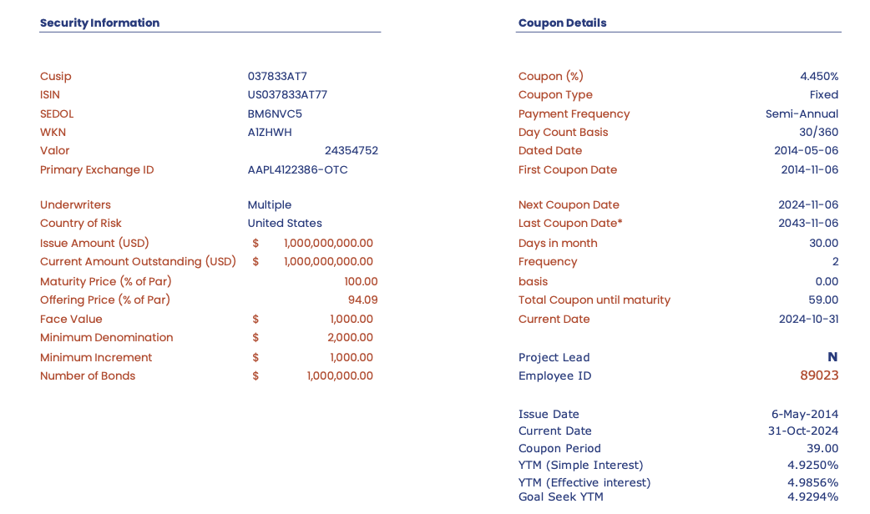

1) | CUSIP: 037833AT7
 | Issue Amt | $1,000,000,000.00
 | Face Value | $1,000.00
 | Maturity Date | 2043-11-06
 | Coupon Type | Fixed
 | Periods | 39
 | Price | $940,900,000.00
 | Coupon | 4.450%

2) | Period | 0 | 1 | 2 | 3 | 4 | 5 | 6 | 7 | 8 | 9 | 10 | 11 | 12 | 13 | 14 | 15 | 16 | 17 | 18 | 19 | 20 | 21 | 22 | 23 | 24 | 25 | 26 | 27 | 28 | 29 | 30 | 31 | 32 | 33 | 34 | 35 | 36 | 37 | 38 | 39
 | CF | $(940,900,000.00) | $22,250,000.00 | $22,250,000.00 | $22,250,000.00 | $22,250,000.00 | $22,250,000.00 | $22,250,000.00 | $22,250,000.00 | $22,250,000.00 | $22,250,000.00 | $22,250,000.00 | $22,250,000.00 | $22,250,000.00 | $22,250,000.00 | $22,250,000.00 | $22,250,000.00 | $22,250,000.00 | $22,250,000.00 | $22,250,000.00 | $22,250,000.00 | $22,250,000.00 | $22,250,000.00 | $22,250,000.00 | $22,250,000.00 | $22,250,000.00 | $22,250,000.00 | $22,250,000.00 | $22,250,000.00 | $22,250,000.00 | $22,250,000.00 | $22,250,000.00 | $22,250,000.00 | $22,250,000.00 | $22,250,000.00 | $22,250,000.00 | $22,250,000.00 | $22,250,000.00 | $22,250,000.00 | $22,250,000.00 | $1,022,250,000.00

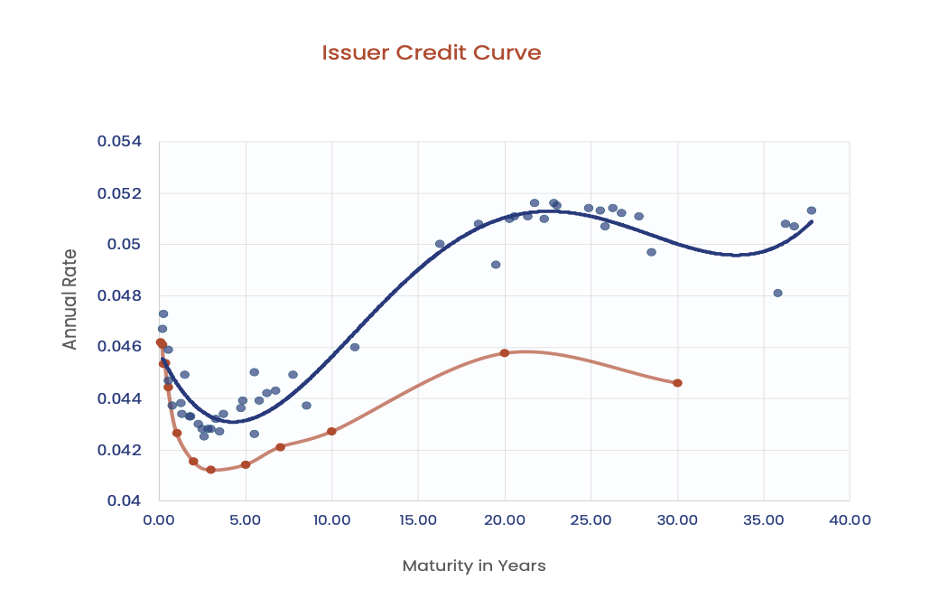

3)
 | Issuer Credit Curve
 | ID | Name | Currency | Maturity | Years to Maturity | Yield to Maturity |  | 4)
 | 037833DF4 | Apple Inc. 2.75% 13-JAN-2025 | USD | 13 Jan '25 | 0.15 | 4.61%
 | 037833AZ3 | Apple Inc. 2.5% 09-FEB-2025 | USD | 09 Feb '25 | 0.22 | 4.78%
 | 037833DT4 | Apple Inc. 1.125% 11-MAY-2025 | USD | 11 May '25 | 0.47 | 4.51%
 | 037833BG4 | Apple Inc. 3.2% 13-MAY-2025 | USD | 13 May '25 | 0.47 | 4.50%
 | 037833DX5 | Apple Inc. 0.55% 20-AUG-2025 | USD | 20 Aug '25 | 0.75 | 4.53%
 | 037833EB2 | Apple Inc. 0.7% 08-FEB-2026 | USD | 08 Feb '26 | 1.22 | 4.48%
 | 037833BY5 | Apple Inc. 3.25% 23-FEB-2026 | USD | 23 Feb '26 | 1.26 | 4.48%
 | 037833ES5 | Apple Inc. 4.421% 08-MAY-2026 | USD | 08 May '26 | 1.46 | 4.73%
 | 037833BZ2 | Apple Inc. 2.45% 04-AUG-2026 | USD | 04 Aug '26 | 1.7 | 4.49%
 | 037833DN7 | Apple Inc. 2.05% 11-SEP-2026 | USD | 11 Sep '26 | 1.81 | 4.49%
 | 037833CJ7 | Apple Inc. 3.35% 09-FEB-2027 | USD | 09 Feb '27 | 2.22 | 4.45%
 | 037833CR9 | Apple Inc. 3.2% 11-MAY-2027 | USD | 11 May '27 | 2.47 | 4.44%
 | 037833CX6 | Apple Inc. 3.0% 20-JUN-2027 | USD | 20 Jun '27 | 2.58 | 4.42%
 | 037833DB3 | Apple Inc. 2.9% 12-SEP-2027 | USD | 12 Sep '27 | 2.81 | 4.42%
 | 037833DK3 | Apple Inc. 3.0% 13-NOV-2027 | USD | 13 Nov '27 | 2.98 | 4.37%
 | 037833EC0 | Apple Inc. 1.2% 08-FEB-2028 | USD | 08 Feb '28 | 3.22 | 4.46%
 | 037833ET3 | Apple Inc. 4.0% 10-MAY-2028 | USD | 10 May '28 | 3.47 | 4.41%
 | 037833EH9 | Apple Inc. 1.4% 05-AUG-2028 | USD | 05 Aug '28 | 3.71 | 4.46%
 | 037833EN6 | Apple Inc. 3.25% 08-AUG-2029 | USD | 08 Aug '29 | 4.72 | 4.47%
 | 037833DP2 | Apple Inc. 2.2% 11-SEP-2029 | USD | 11 Sep '29 | 4.81 | 4.51%
 | 037833EU0 | Apple Inc. 4.15% 10-MAY-2030 | USD | 10 May '30 | 5.47 | 4.32%
 | 037833DU1 | Apple Inc. 1.65% 11-MAY-2030 | USD | 11 May '30 | 5.47 | 4.57%
 | 037833DY3 | Apple Inc. 1.25% 20-AUG-2030 | USD | 20 Aug '30 | 5.75 | 4.47%
 | 037833ED8 | Apple Inc. 1.65% 08-FEB-2031 | USD | 08 Feb '31 | 6.22 | 4.56%
 | 037833EJ5 | Apple Inc. 1.7% 05-AUG-2031 | USD | 05 Aug '31 | 6.71 | 4.58%
 | 037833EP1 | Apple Inc. 3.35% 08-AUG-2032 | USD | 08 Aug '32 | 7.72 | 4.55%
 | 037833EV8 | Apple Inc. 4.3% 10-MAY-2033 | USD | 10 May '33 | 8.47 | 4.52%
 | 037833BW9 | Apple Inc. 4.5% 23-FEB-2036 | USD | 23 Feb '36 | 11.26 | 4.67%
 | 037833EE6 | Apple Inc. 2.375% 08-FEB-2041 | USD | 08 Feb '41 | 16.23 | 5.08%
 | 037833AL4 | Apple Inc. 3.85% 04-MAY-2043 | USD | 04 May '43 | 18.46 | 5.17%
 | 037833AT7 | Apple Inc. 4.45% 06-MAY-2044 | USD | 06 May '44 | 19.47 | 5.03%
 | 037833BA7 | Apple Inc. 3.45% 09-FEB-2045 | USD | 09 Feb '45 | 20.23 | 5.19%
 | 037833BH2 | Apple Inc. 4.375% 13-MAY-2045 | USD | 13 May '45 | 20.49 | 5.20%
 | 037833BX7 | Apple Inc. 4.65% 23-FEB-2046 | USD | 23 Feb '46 | 21.27 | 5.20%
 | 037833CD0 | Apple Inc. 3.85% 04-AUG-2046 | USD | 04 Aug '46 | 21.72 | 5.23%
 | 037833CH1 | Apple Inc. 4.25% 09-FEB-2047 | USD | 09 Feb '47 | 22.23 | 5.18%
 | 037833DD9 | Apple Inc. 3.75% 12-SEP-2047 | USD | 12 Sep '47 | 22.82 | 5.27%
 | 037833DG2 | Apple Inc. 3.75% 13-NOV-2047 | USD | 13 Nov '47 | 22.99 | 5.25%
 | 037833DQ0 | Apple Inc. 2.95% 11-SEP-2049 | USD | 11 Sep '49 | 24.82 | 5.23%
 | 037833DW7 | Apple Inc. 2.65% 11-MAY-2050 | USD | 11 May '50 | 25.48 | 5.23%
 | 037833DZ0 | Apple Inc. 2.4% 20-AUG-2050 | USD | 20 Aug '50 | 25.76 | 5.21%
 | 037833EF3 | Apple Inc. 2.65% 08-FEB-2051 | USD | 08 Feb '51 | 26.23 | 5.25%
 | 037833EK2 | Apple Inc. 2.7% 05-AUG-2051 | USD | 05 Aug '51 | 26.72 | 5.25%
 | 037833EQ9 | Apple Inc. 3.95% 08-AUG-2052 | USD | 08 Aug '52 | 27.73 | 5.24%
 | 037833EW6 | Apple Inc. 4.85% 10-MAY-2053 | USD | 10 May '53 | 28.48 | 5.06%
 | 037833EA4 | Apple Inc. 2.55% 20-AUG-2060 | USD | 20 Aug '60 | 35.77 | 4.96%
 | 037833EG1 | Apple Inc. 2.8% 08-FEB-2061 | USD | 08 Feb '61 | 36.24 | 5.22%
 | 037833EL0 | Apple Inc. 2.85% 05-AUG-2061 | USD | 05 Aug '61 | 36.73 | 5.19%
 | 037833ER7 | Apple Inc. 4.1% 08-AUG-2062 | USD | 08 Aug '62 | 37.74 | 5.25%
 | Source: FactSet DCS

Yield Spread
5) | Period | AAPL Yield | Treasury Yield | Spread
 | 0.5 | 4.53% | 4.48% | 0.05%
 | 1 | 4.48% | 4.39% | 0.09%
 | 1.5 | 4.43% | 4.31% | 0.12%
 | 2 | 4.39% | 4.25% | 0.14%
 | 2.5 | 4.36% | 4.21% | 0.15%
 | 3 | 4.34% | 4.18% | 0.16%
 | 3.5 | 4.32% | 4.16% | 0.16%
 | 4 | 4.31% | 4.15% | 0.16%
 | 4.5 | 4.30% | 4.15% | 0.15%
 | 5 | 4.30% | 4.16% | 0.14%
 | 5.5 | 4.31% | 4.17% | 0.13%
 | 6 | 4.32% | 4.20% | 0.12%
 | 6.5 | 4.33% | 4.22% | 0.11%
 | 7 | 4.35% | 4.26% | 0.09%
 | 7.5 | 4.37% | 4.29% | 0.07%
 | 8 | 4.39% | 4.33% | 0.06%
 | 8.5 | 4.41% | 4.37% | 0.04%
 | 9 | 4.44% | 4.41% | 0.03%
 | 9.5 | 4.47% | 4.45% | 0.02%
 | 10 | 4.50% | 4.49% | 0.01%
 | 10.5 | 4.53% | 4.53% | 0.00%
 | 11 | 4.56% | 4.57% | -0.01%
 | 11.5 | 4.59% | 4.60% | -0.01%
 | 12 | 4.62% | 4.64% | -0.01%
 | 12.5 | 4.65% | 4.67% | -0.01%
 | 13 | 4.68% | 4.69% | -0.01%
 | 13.5 | 4.72% | 4.72% | 0.00%
 | 14 | 4.75% | 4.73% | 0.01%
 | 14.5 | 4.77% | 4.75% | 0.03%
 | 15 | 4.80% | 4.76% | 0.04%
 | 15.5 | 4.83% | 4.76% | 0.07%
 | 16 | 4.86% | 4.76% | 0.09%
 | 16.5 | 4.88% | 4.76% | 0.12%
 | 17 | 4.90% | 4.75% | 0.15%
 | 17.5 | 4.92% | 4.73% | 0.19%
 | 18 | 4.94% | 4.72% | 0.23%
 | 18.5 | 4.96% | 4.69% | 0.27%
 | 19 | 4.97% | 4.66% | 0.31%
 | 19.5 | 4.99% | 4.63% | 0.36%

 | Interpretation: Apple's minimal yield spread over Treasury yields in the short term reflects strong market confidence in its ability to meet obligations. The spread widens as the term lengthens, reflecting the market pricing in future uncertainties. A 0.5% premium over the U.S. government highlights Apple's financial stability and reliability.

6) | CUSIP: 037833AT7
 | Issue Amt | $1,000,000,000.00 |  | 10-year Treasury | 4.296%
 | Face Value | $1,000.00 |  | YTM | 4.865%
 | Maturity Date | 2043-11-06
 | Coupon Type | Fixed |  | Market Price | $940,900,000.00
 | Periods | 39 |  | PV Price | $611,394,755.15
 | Price | $940,900,000.00
 | Coupon | 4.450% |  | Interpretation:

 | Period | 0 | 1 | 2 | 3 | 4 | 5 | 6 | 7 | 8 | 9 | 10 | 11 | 12 | 13 | 14 | 15 | 16 | 17 | 18 | 19 | 20 | 21 | 22 | 23 | 24 | 25 | 26 | 27 | 28 | 29 | 30 | 31 | 32 | 33 | 34 | 35 | 36 | 37 | 38 | 39
 | CF | $(940,900,000.00) | $22,250,000.000 | $22,250,000.000 | $22,250,000.000 | $22,250,000.000 | $22,250,000.000 | $22,250,000.000 | $22,250,000.000 | $22,250,000.000 | $22,250,000.000 | $22,250,000.000 | $22,250,000.000 | $22,250,000.000 | $22,250,000.000 | $22,250,000.000 | $22,250,000.000 | $22,250,000.000 | $22,250,000.000 | $22,250,000.000 | $22,250,000.000 | $22,250,000.000 | $22,250,000.000 | $22,250,000.000 | $22,250,000.000 | $22,250,000.000 | $22,250,000.000 | $22,250,000.000 | $22,250,000.000 | $22,250,000.000 | $22,250,000.000 | $22,250,000.000 | $22,250,000.000 | $22,250,000.000 | $22,250,000.000 | $22,250,000.000 | $22,250,000.000 | $22,250,000.000 | $22,250,000.000 | $22,250,000.000 | $1,022,250,000.000
 | PV of CF | $(940,900,000.00) | $21,333,512.31 | $20,454,775.17 | $19,612,233.61 | $18,804,396.73 | $18,029,835.02 | $17,287,177.86 | $16,575,111.08 | $15,892,374.67 | $15,237,760.48 | $14,610,110.15 | $14,008,313.02 | $13,431,304.19 | $12,878,062.62 | $12,347,609.32 | $11,839,005.64 | $11,351,351.58 | $10,883,784.21 | $10,435,476.15 | $10,005,634.11 | $9,593,497.46 | $9,198,336.91 | $8,819,453.20 | $8,456,175.88 | $8,107,862.13 | $7,773,895.57 | $7,453,685.25 | $7,146,664.54 | $6,852,290.16 | $6,570,041.19 | $6,299,418.18 | $6,039,942.26 | $5,791,154.28 | $5,552,613.98 | $5,323,899.27 | $5,104,605.42 | $4,894,344.38 | $4,692,744.10 | $4,499,447.82 | $198,206,855.23
 |  |  |  |  |  |  |  |  |  |  |  |  |  |  |  |  |  |  |  |  |  |  |  |  |  |  |  |  |  |  |  |  |  |  |  |  |  |  |  | Price | $611,394,755.15

7) | Period | 0 | 1 | 2 | 3 | 4 | 5 | 6 | 7 | 8 | 9 | 10 | 11 | 12 | 13 | 14 | 15 | 16 | 17 | 18 | 19 | 20 | 21 | 22 | 23 | 24 | 25 | 26 | 27 | 28 | 29 | 30 | 31 | 32 | 33 | 34 | 35 | 36 | 37 | 38 | 39
 | CF | $940,900,000.00 | $22,250,000.000 | $22,250,000.000 | $22,250,000.000 | $22,250,000.000 | $22,250,000.000 | $22,250,000.000 | $22,250,000.000 | $22,250,000.000 | $22,250,000.000 | $22,250,000.000 | $22,250,000.000 | $22,250,000.000 | $22,250,000.000 | $22,250,000.000 | $22,250,000.000 | $22,250,000.000 | $22,250,000.000 | $22,250,000.000 | $22,250,000.000 | $22,250,000.000 | $22,250,000.000 | $22,250,000.000 | $22,250,000.000 | $22,250,000.000 | $22,250,000.000 | $22,250,000.000 | $22,250,000.000 | $22,250,000.000 | $22,250,000.000 | $22,250,000.000 | $22,250,000.000 | $22,250,000.000 | $22,250,000.000 | $22,250,000.000 | $22,250,000.000 | $22,250,000.000 | $22,250,000.000 | $22,250,000.000 | $1,022,250,000.000
 | PV of CF | $940,900,000.00 | $21,333,512.31 | $20,454,775.17 | $19,612,233.61 | $18,804,396.73 | $18,029,835.02 | $17,287,177.86 | $16,575,111.08 | $15,892,374.67 | $15,237,760.48 | $14,610,110.15 | $14,008,313.02 | $13,431,304.19 | $12,878,062.62 | $12,347,609.32 | $11,839,005.64 | $11,351,351.58 | $10,883,784.21 | $10,435,476.15 | $10,005,634.11 | $9,593,497.46 | $9,198,336.91 | $8,819,453.20 | $8,456,175.88 | $8,107,862.13 | $7,773,895.57 | $7,453,685.25 | $7,146,664.54 | $6,852,290.16 | $6,570,041.19 | $6,299,418.18 | $6,039,942.26 | $5,791,154.28 | $5,552,613.98 | $5,323,899.27 | $5,104,605.42 | $4,894,344.38 | $4,692,744.10 | $4,499,447.82 | $198,206,855.23
 | Macaulay Duration | $- | $21,333,512.31 | $40,909,550.34 | $58,836,700.84 | $75,217,586.92 | $90,149,175.09 | $103,723,067.14 | $116,025,777.59 | $127,138,997.35 | $137,139,844.31 | $146,101,101.47 | $154,091,443.22 | $161,175,650.30 | $167,414,814.08 | $172,866,530.55 | $177,585,084.64 | $181,621,625.26 | $185,024,331.55 | $187,838,570.76 | $190,107,048.13 | $191,869,949.22 | $193,165,075.06 | $194,027,970.36 | $194,492,045.29 | $194,588,691.01 | $194,347,389.29 | $193,795,816.58 | $192,959,942.70 | $191,864,124.45 | $190,531,194.50 | $188,982,545.53 | $187,238,210.20 | $185,316,936.86 | $183,236,261.35 | $181,012,575.10 | $178,661,189.66 | $176,196,397.83 | $173,631,531.62 | $170,979,017.14 | $7,730,067,353.87
 |  |  |  |  |  |  |  |  |  |  |  |  |  |  |  |  |  |  |  |  |  |  |  |  |  |  |  |  |  |  |  |  |  |  |  |  |  |  |  | Macaulay Duration Semi- Annual | 14.65
 |  |  |  |  |  |  |  |  |  |  |  |  |  |  |  |  |  |  |  |  |  |  |  |  |  |  |  |  |  |  |  |  |  |  |  |  |  |  |  | Annual | 7.32
 | Modified Duration--> |  |  |  |  |  |  |  |  |  |  |  |  |  |  |  |  |  |  |  |  |  |  |  |  |  |  |  |  |  |  |  |  |  |  |  |  |  |  | Modified Duration Semi-Annual | 14.30
 |  |  |  |  |  |  |  |  |  |  |  |  |  |  |  |  |  |  |  |  |  |  |  |  |  |  |  |  |  |  |  |  |  |  |  |  |  |  |  | Annual | 7.15

 | Convexity | $- | $44,500,000.00 | $133,500,000.00 | $267,000,000.00 | $445,000,000.00 | $667,500,000.00 | $934,500,000.00 | $1,246,000,000.00 | $1,602,000,000.00 | $2,002,500,000.00 | $2,447,500,000.00 | $2,937,000,000.00 | $3,471,000,000.00 | $4,049,500,000.00 | $4,672,500,000.00 | $5,340,000,000.00 | $6,052,000,000.00 | $6,808,500,000.00 | $7,609,500,000.00 | $8,455,000,000.00 | $9,345,000,000.00 | $10,279,500,000.00 | $11,258,500,000.00 | $12,282,000,000.00 | $13,350,000,000.00 | $14,462,500,000.00 | $15,619,500,000.00 | $16,821,000,000.00 | $18,067,000,000.00 | $19,357,500,000.00 | $20,692,500,000.00 | $22,072,000,000.00 | $23,496,000,000.00 | $24,964,500,000.00 | $26,477,500,000.00 | $28,035,000,000.00 | $29,637,000,000.00 | $31,283,500,000.00 | $32,974,500,000.00 | $1,594,710,000,000.00
 |  |  |  |  |  |  |  |  |  |  |  |  |  |  |  |  |  |  |  |  |  |  |  |  |  |  |  |  |  |  |  |  |  |  |  |  |  |  |  | Convexity | 2,162.15
 |  |  |  |  |  |  |  |  |  |  |  |  |  |  |  |  |  |  |  |  |  |  |  |  |  |  |  |  |  |  |  |  |  |  |  |  |  |  |  | Annual | 540.54

8) | Annual Yield | Price | Duration | Modified Duration |  | Slope (dp/dy) |  | ΔY | Current Yield | New Yield | Old Price | New Price | New Price w/ Convexity
 |  | $940,900,000.00 | 7.323 | 7.15 |  | $(13,453,996,172.58) |  | -10.00% | 4.865% | -5.135% | $940,900,000.00 | $1,613,599,808.63 | $4,156,562,308.63
 | 0% | $867,751,000.00 | 7.323 | 7.32 |  | $(6,726,998,086.29) |  | -9.00% | 4.865% | -4.135% | $940,900,000.00 | $1,546,329,827.77 | $3,606,129,452.77
 | 1% | $715,628,162.07 | 7.323 | 7.25 |  | $508,592,500,000.00 |  | -8.00% | 4.865% | -3.135% | $940,900,000.00 | $1,479,059,846.90 | $3,106,555,846.90
 | 2% | $598,583,063.32 | 7.323 | 7.18 |  |  |  | -7.00% | 4.865% | -2.135% | $940,900,000.00 | $1,411,789,866.04 | $2,657,841,491.04
 | 3% | $507,483,102.47 | 7.323 | 7.11 |  |  |  | -6.00% | 4.865% | -1.135% | $940,900,000.00 | $1,344,519,885.18 | $2,259,986,385.18
 | 4% | $435,755,004.28 | 7.323 | 7.04 |  |  |  | -5.00% | 4.865% | -0.135% | $940,900,000.00 | $1,277,249,904.31 | $1,912,990,529.31
 | 5% | $378,629,304.09 | 7.323 | 6.97 |  |  |  | -4.00% | 4.865% | 0.865% | $940,900,000.00 | $1,209,979,923.45 | $1,616,853,923.45
 | 6% | $332,617,014.77 | 7.323 | 6.91 |  |  |  | -3.00% | 4.865% | 1.865% | $940,900,000.00 | $1,142,709,942.59 | $1,371,576,567.59
 | 7% | $295,144,729.73 | 7.323 | 6.84 |  |  |  | -2.00% | 4.865% | 2.865% | $940,900,000.00 | $1,075,439,961.73 | $1,177,158,461.73
 | 8% | $264,298,508.12 | 7.323 | 6.78 |  |  |  | -1.00% | 4.865% | 3.865% | $940,900,000.00 | $1,008,169,980.86 | $1,033,599,605.86
 | 9% | $238,642,912.84 | 7.323 | 6.72 |  |  |  | 0.00% | 4.865% | 4.865% | $940,900,000.00 | $940,900,000.00 | $940,900,000.00
 | 10% | $217,092,290.64 | 7.323 | 6.66 |  |  |  | 1.00% | 4.865% | 5.865% | $940,900,000.00 | $873,630,019.14 | $899,059,644.14
 | 11% | $198,818,594.63 | 7.323 | 6.60 |  |  |  | 2.00% | 4.865% | 6.865% | $940,900,000.00 | $806,360,038.27 | $908,078,538.27
 | 12% | $183,184,926.95 | 7.323 | 6.54 |  |  |  | 3.00% | 4.865% | 7.865% | $940,900,000.00 | $739,090,057.41 | $967,956,682.41
 | 13% | $169,697,298.06 | 7.323 | 6.48 |  |  |  | 4.00% | 4.865% | 8.865% | $940,900,000.00 | $671,820,076.55 | $1,078,694,076.55
 | 14% | $157,969,369.50 | 7.323 | 6.42 |  |  |  | 5.00% | 4.865% | 9.865% | $940,900,000.00 | $604,550,095.69 | $1,240,290,720.69
 | 15% | $147,696,508.41 | 7.323 | 6.37 |  |  |  | 6.00% | 4.865% | 10.865% | $940,900,000.00 | $537,280,114.82 | $1,452,746,614.82
 | 16% | $138,636,563.04 | 7.323 | 6.31 |  |  |  | 7.00% | 4.865% | 11.865% | $940,900,000.00 | $470,010,133.96 | $1,716,061,758.96
 | 17% | $130,595,519.91 | 7.323 | 6.26 |  |  |  | 8.00% | 4.865% | 12.865% | $940,900,000.00 | $402,740,153.10 | $2,030,236,153.10
 | 18% | $123,416,729.26 | 7.323 | 6.21 |  |  |  | 9.00% | 4.865% | 13.865% | $940,900,000.00 | $335,470,172.23 | $2,395,269,797.23
 | 19% | $116,972,755.43 | 7.323 | 6.15 |  |  |  | 10.00% | 4.865% | 14.865% | $940,900,000.00 | $268,200,191.37 | $2,811,162,691.37
 | 20% | $111,159,170.38 | 7.323 | 6.10
 | 21% | $105,889,794.95 | 7.323 | 6.05
Price-Yield Relationship
 | 22% | $101,093,025.56 | 7.323 | 6.00
 | 23% | $96,708,979.67 | 7.323 | 5.95
 | 24% | $92,687,263.15 | 7.323 | 5.91
 | 25% | $88,985,212.50 | 7.323 | 5.86

9) | This bond's high convexity protects against interest rate changes by minimizing price declines when yields rise and enhancing gains when yields fall. This reduces interest rate risk more effectively than bonds with lower convexity, making them more attractive to risk-averse investors.

 | The required yield of 4.865% shows the credit and liquidity risk premiums over Treasury securities. This spread compensates for the added risk of corporate bonds, reflecting the issuer's creditworthiness and marketability. Bonds with higher credit spreads appeal to risk-seeking investors but typically signal greater default risk and lower repayment ability compared to those with narrower spreads.

Question Responses

 | 1) | Yes, the credit spread changes with maturity, typically widening for longer maturities due to increased uncertainty and risk. For Apple, the spread between its yield curve and the Treasury yield curve grows as maturity lengthens because longer-term bonds carry greater credit risk, as future financial health and market competitiveness become harder to predict. Additionally, interest rate and liquidity risks increase over time, and external factors like inflation, regulatory changes, or economic downturns further amplify the uncertainty. These risks collectively lead investors to demand higher compensation for holding Apple’s longer-term bonds compared to risk-free Treasuries.

 | 2) | The theoretical price of a bond, calculated based on its expected cash flows discounted at the appropriate yield, may differ from its current market price due to various factors. These discrepancies can arise from changes in market conditions, such as shifts in interest rates, credit spreads, or liquidity conditions, which the theoretical model may not fully capture. The theoretical price of the bond is $611,394,755.15, which is significantly lower than the current market price of $940,900,000.00. This discrepancy suggests that market factors, such as strong demand or a favorable perception of the bond's issuer, are driving the market price above its theoretical valuation. Additionally, the market price may reflect investor expectations of lower credit risk, improved economic conditions, or a decline in interest rates, which aren't fully captured in the calculated theoretical price.

 | 3) | Using zero rates to price this bond is not inherently incorrect but can be misleading. Zero rates discount cash flows using risk-free rates, which is useful for theoretical pricing. However, they ignore market factors like credit risk, liquidity premiums, and investor sentiment reflected in market-based yield curves. These factors are crucial for accurate pricing, as shown by the significant gap between the theoretical and market price. Zero rates are suitable for baseline valuations but may not fully capture real-world market dynamics.

 | 4)
 |  | At the current yield to maturity of 4.865%, the bond's duration of 7.32 indicates that its price is expected to change by approximately 7.3% for a 1% change in yield. This measure highlights the bond's sensitivity to interest rate movements, providing traders and investors with a key indicator of potential price volatility in response to rate fluctuations.The convexity of 540.54 reflects significant curvature in the bond's price-yield relationship, providing additional protection against large interest rate fluctuations. This means the bond's price will decrease less dramatically when yields rise and increase more significantly when yields fall. The combination of high duration and convexity suggests that while the bond is sensitive to interest rate changes, its high convexity helps mitigate extreme price volatility, making it an appealing option for investors seeking a balance between yield and risk management in a fluctuating interest rate environment.

Problem #2
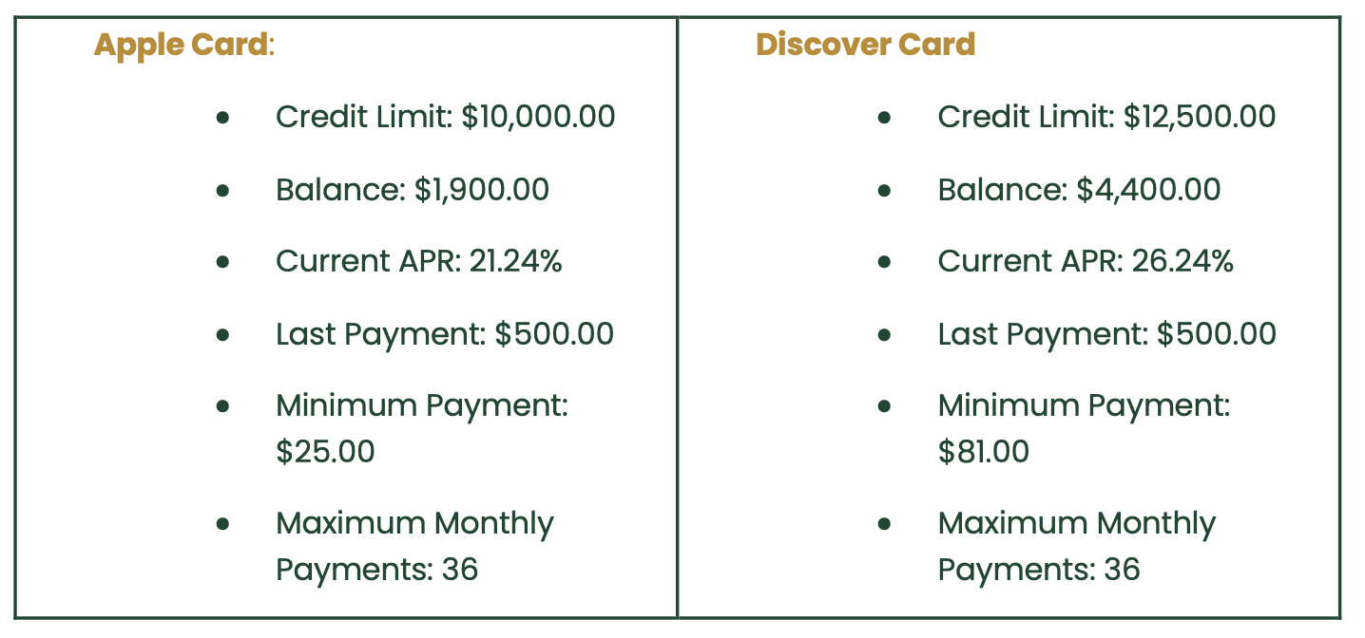

Amortization = 3 year period

2) |  |  |  |  |  | 3) | Treasury Yields Curve |  |  |  |  | 4)
 | PRIME Rate | 1-Yr Treasury Rate | Prime Spread | Credit Card Interest Rate | APR Margin
2020-01-01 | 4.75% | 1.53% | 3.22% | 14.87% | 10.12%
2020-02-01 | 4.25% | 1.41% | 2.84% | 15.09% | 10.84%
2020-03-01 | 3.25% | 0.33% | 2.92% | 15.09% | 11.84% |  |  |  |  |  |  |  | APR | 21.24% |  |  |  |  |  |  | APR | 26.24%
2020-04-01 | 3.25% | 0.18% | 3.07% | 15.09% | 11.84%
2020-05-01 | 3.25% | 0.16% | 3.09% | 14.52% | 11.27% |  |  |  |  |  |  |  | Apple Card Amortization Schedule |  |  |  |  |  |  |  |  | Discover Card Amortization Schedule
2020-06-01 | 3.25% | 0.18% | 3.07% | 14.52% | 11.27%
2020-07-01 | 3.25% | 0.15% | 3.10% | 14.52% | 11.27% |  |  |  |  |  |  |  | Month | Beginning Balance | Minimum Payment | Early Payment | Total Payment | Principal | Interest | Ending Balance |  | Month | Beginning Balance | Minimum Payment | Early Payment | Total Payment | Principal | Interest | Ending Balance
2020-08-01 | 3.25% | 0.13% | 3.12% | 14.58% | 11.33% |  |  |  |  |  |  |  | 1 | $1,900 | $25 |  | $25 | $1,875 | $33.19 | $1,908.19 |  | 1 | $4,400 | $81 |  | $81 | $4,319 | $94.44 | $4,413.44
2020-09-01 | 3.25% | 0.13% | 3.12% | 14.58% | 11.33% |  |  |  |  |  |  |  | 2 | $1,908.19 | $25 | $- | $25 | $1,883 | $33.33 | $1,916.52 |  | 2 | $4,413 | $81 | $- | $81 | $4,332 | $94.74 | $4,427.18
2020-10-01 | 3.25% | 0.13% | 3.12% | 14.58% | 11.33% |  |  |  |  |  |  |  | 3 | $1,916.52 | $25 | $- | $25 | $1,892 | $33.48 | $1,925.00 |  | 3 | $4,427 | $81 | $- | $81 | $4,346 | $95.04 | $4,441.21
2020-11-01 | 3.25% | 0.12% | 3.13% | 14.65% | 11.40% |  |  |  |  |  |  |  | 4 | $1,925.00 | $25 | $- | $25 | $1,900 | $33.63 | $1,933.63 |  | 4 | $4,441 | $81 | $- | $81 | $4,360 | $95.34 | $4,455.56
2020-12-01 | 3.25% | 0.10% | 3.15% | 14.65% | 11.40% |  |  |  |  |  |  |  | 5 | $1,933.63 | $25 | $- | $25 | $1,909 | $33.78 | $1,942.41 |  | 5 | $4,456 | $81 | $- | $81 | $4,375 | $95.66 | $4,470.21
2021-01-01 | 3.25% | 0.10% | 3.15% | 14.65% | 11.40% |  |  |  |  |  |  |  | 6 | $1,942.41 | $25 | $- | $25 | $1,917 | $33.94 | $1,951.35 |  | 6 | $4,470 | $81 | $- | $81 | $4,389 | $95.98 | $4,485.19
2021-02-01 | 3.25% | 0.07% | 3.18% | 14.75% | 11.50% |  |  |  |  |  |  |  | 7 | $1,951.35 | $25 | $- | $25 | $1,926 | $34.10 | $1,960.45 |  | 7 | $4,485 | $81 | $- | $81 | $4,404 | $96.31 | $4,500.50
2021-03-01 | 3.25% | 0.08% | 3.17% | 14.75% | 11.50% |  |  |  |  |  |  |  | 8 | $1,960.45 | $25 | $- | $25 | $1,935 | $34.26 | $1,969.70 |  | 8 | $4,500 | $81 | $100.00 | $181 | $4,319 | $94.45 | $4,413.95
2021-04-01 | 3.25% | 0.06% | 3.19% | 14.75% | 11.50% |  |  |  |  |  |  |  | 9 | $1,969.70 | $25 | $- | $25 | $1,945 | $34.42 | $1,979.13 |  | 9 | $4,414 | $81 | $- | $81 | $4,333 | $94.75 | $4,427.70
2021-05-01 | 3.25% | 0.05% | 3.20% | 14.61% | 11.36% |  |  |  |  |  |  |  | 10 | $1,979.13 | $25 | $- | $25 | $1,954 | $34.59 | $1,988.71 |  | 10 | $4,428 | $81 | $- | $81 | $4,347 | $95.05 | $4,441.75
2021-06-01 | 3.25% | 0.07% | 3.18% | 14.61% | 11.36% |  |  |  |  |  |  |  | 11 | $1,988.71 | $25 | $- | $25 | $1,964 | $34.76 | $1,998.47 |  | 11 | $4,442 | $81 | $- | $81 | $4,361 | $95.35 | $4,456.10
2021-07-01 | 3.25% | 0.08% | 3.17% | 14.61% | 11.36% |  |  |  |  |  |  |  | 12 | $1,998.47 | $25 | $- | $25 | $1,973 | $34.93 | $2,008.40 |  | 12 | $4,456 | $81 | $- | $81 | $4,375 | $95.67 | $4,470.77
2021-08-01 | 3.25% | 0.07% | 3.18% | 14.54% | 11.29% |  |  |  |  |  |  |  | 13 | $2,008.40 | $25 | $- | $25 | $1,983 | $35.11 | $2,018.51 |  | 13 | $4,471 | $81 | $- | $81 | $4,390 | $95.99 | $4,485.76
2021-09-01 | 3.25% | 0.08% | 3.17% | 14.54% | 11.29% |  |  |  |  |  |  |  | 14 | $2,018.51 | $25 | $- | $25 | $1,994 | $35.29 | $2,028.79 |  | 14 | $4,486 | $81 | $- | $81 | $4,405 | $96.32 | $4,501.08
2021-10-01 | 3.25% | 0.11% | 3.14% | 14.54% | 11.29% |  |  |  |  |  |  |  | 15 | $2,028.79 | $25 | $200.00 | $225 | $1,804 | $31.93 | $1,835.72 |  | 15 | $4,501 | $81 | $- | $81 | $4,420 | $96.65 | $4,516.73
2021-11-01 | 3.25% | 0.18% | 3.07% | 14.51% | 11.26% |  | 1-Year Treasury Yield (Y(1)) |  |  | 4.41% |  |  | 16 | $1,835.72 | $25 | $- | $25 | $1,811 | $32.05 | $1,842.77 |  | 16 | $4,517 | $81 | $- | $81 | $4,436 | $96.99 | $4,532.72
2021-12-01 | 3.25% | 0.30% | 2.95% | 14.51% | 11.26% |  | 2-Year Treasury Yield (Y(2)) |  |  | 4.37% |  |  | 17 | $1,842.77 | $25 | $- | $25 | $1,818 | $32.17 | $1,849.94 |  | 17 | $4,533 | $81 | $- | $81 | $4,452 | $97.34 | $4,549.07
2022-01-01 | 3.25% | 0.55% | 2.70% | 14.51% | 11.26% |  | 3-Year Treasury Yield (Y(3)) |  |  | 4.31% |  |  | 18 | $1,849.94 | $25 | $- | $25 | $1,825 | $32.30 | $1,857.25 |  | 18 | $4,549 | $81 | $- | $81 | $4,468 | $97.70 | $4,565.77
2022-02-01 | 3.25% | 1.00% | 2.25% | 14.56% | 11.31% |  |  |  |  |  |  |  | 19 | $1,857.25 | $25 | $- | $25 | $1,832 | $32.43 | $1,864.68 |  | 19 | $4,566 | $81 | $- | $81 | $4,485 | $98.07 | $4,582.84
2022-03-01 | 3.50% | 1.34% | 2.16% | 14.56% | 11.06% |  |  |  |  |  |  |  | 20 | $1,864.68 | $25 | $- | $25 | $1,840 | $32.56 | $1,872.24 |  | 20 | $4,583 | $81 | $- | $81 | $4,502 | $98.44 | $4,600.28
2022-04-01 | 3.50% | 1.89% | 1.61% | 14.56% | 11.06% |  | 1-Year Forward Rate One Year From Now: |  |  | 1.0433001532 | 4.330% |  | 21 | $1,872.24 | $25 | $- | $25 | $1,847 | $32.70 | $1,879.94 |  | 21 | $4,600 | $81 | $- | $81 | $4,519 | $98.82 | $4,618.10
2022-05-01 | 4.00% | 2.06% | 1.94% | 15.13% | 11.13% |  | 1-Year Forward Rate Two Years From Now: |  |  | 1.0419010346 | 4.190% |  | 22 | $1,879.94 | $25 | $- | $25 | $1,855 | $32.83 | $1,887.77 |  | 22 | $4,618 | $81 | $- | $81 | $4,537 | $99.21 | $4,636.31
2022-06-01 | 4.75% | 2.65% | 2.10% | 15.13% | 10.38% |  |  |  |  |  |  |  | 23 | $1,887.77 | $25 | $- | $25 | $1,863 | $32.97 | $1,895.74 |  | 23 | $4,636 | $81 | $- | $81 | $4,555 | $99.61 | $4,654.92
2022-07-01 | 5.50% | 3.02% | 2.48% | 15.13% | 9.63% |  | Prime Loan Rate | 8.00% |  |  |  |  | 24 | $1,895.74 | $25 | $- | $25 | $1,871 | $33.11 | $1,903.85 |  | 24 | $4,655 | $81 | $- | $81 | $4,574 | $100.02 | $4,673.93
2022-08-01 | 5.50% | 3.28% | 2.22% | 16.27% | 10.77% |  | Apple APR | 21.24% |  |  |  |  | 25 | $1,903.85 | $25 | $- | $25 | $1,879 | $33.26 | $1,912.11 |  | 25 | $4,674 | $81 | $- | $81 | $4,593 | $100.43 | $4,693.37
2022-09-01 | 6.25% | 3.89% | 2.36% | 16.27% | 10.02% |  | Discover APR | 26.24% |  |  |  |  | 26 | $1,912.11 | $25 | $- | $25 | $1,887 | $33.40 | $1,920.51 |  | 26 | $4,693 | $81 | $- | $81 | $4,612 | $100.86 | $4,713.22
2022-10-01 | 6.25% | 4.43% | 1.82% | 16.27% | 10.02% |  |  |  |  |  |  |  | 27 | $1,920.51 | $25 | $- | $25 | $1,896 | $33.55 | $1,929.06 |  | 27 | $4,713 | $81 | $- | $81 | $4,632 | $101.29 | $4,733.52
2022-11-01 | 7.00% | 4.73% | 2.27% | 19.07% | 12.07% |  | Apple Future APR |  | Discover Future APR |  |  |  | 28 | $1,929.06 | $25 | $- | $25 | $1,904 | $33.70 | $1,937.76 |  | 28 | $4,734 | $81 | $- | $81 | $4,653 | $101.74 | $4,754.25
2022-12-01 | 7.50% | 4.68% | 2.82% | 19.07% | 11.57% |  | Prime Spread | 3.59% |  |  |  |  | 29 | $1,937.76 | $25 | $- | $25 | $1,913 | $33.86 | $1,946.62 |  | 29 | $4,754 | $81 | $- | $81 | $4,673 | $102.19 | $4,775.44
2023-01-01 | 7.50% | 4.69% | 2.81% | 19.07% | 11.57% |  | APR Margin | 13.24% | APR Margin | 18.24% |  |  | 30 | $1,946.62 | $25 | $- | $25 | $1,922 | $34.01 | $1,955.63 |  | 30 | $4,775 | $81 | $- | $81 | $4,694 | $102.65 | $4,797.09
2023-02-01 | 7.75% | 4.93% | 2.82% | 20.09% | 12.34% |  |  |  |  |  |  |  | 31 | $1,955.63 | $25 | $- | $25 | $1,931 | $34.17 | $1,964.80 |  | 31 | $4,797 | $81 | $- | $81 | $4,716 | $103.13 | $4,819.22
2023-03-01 | 8.00% | 4.68% | 3.32% | 20.09% | 12.09% |  | 1-Year Forward (1 year from now): | 21.160% |  | 26.160% |  |  | 32 | $1,964.80 | $25 | $- | $25 | $1,940 | $34.33 | $1,974.14 |  | 32 | $4,819 | $81 | $- | $81 | $4,738 | $103.61 | $4,841.82
2023-04-01 | 8.00% | 4.68% | 3.32% | 20.09% | 12.09% |  | 2-Year Forward (2 years from now): | 21.020% |  | 26.020% |  |  | 33 | $1,974.14 | $25 | $- | $25 | $1,949 | $34.50 | $1,983.64 |  | 33 | $4,842 | $81 | $- | $81 | $4,761 | $104.10 | $4,864.93
2023-05-01 | 8.25% | 4.91% | 3.34% | 20.84% | 12.59% |  |  |  |  |  |  |  | 34 | $1,983.64 | $25 | $- | $25 | $1,959 | $34.67 | $1,993.30 |  | 34 | $4,865 | $81 | $- | $81 | $4,784 | $104.61 | $4,888.54
2023-06-01 | 8.25% | 5.24% | 3.01% | 20.84% | 12.59% |  |  |  |  |  |  |  | 35 | $1,993.30 | $25 | $- | $25 | $1,968 | $34.84 | $2,003.14 |  | 35 | $4,889 | $81 | $- | $81 | $4,808 | $105.12 | $4,912.66
2023-07-01 | 8.50% | 5.37% | 3.13% | 20.84% | 12.34% |  |  |  |  |  |  |  | 36 | $2,003.14 | $25 | $475.00 | $500 | $1,503 | $26.61 | $1,529.75 |  | 36 | $4,913 | $81 | $419.00 | $500 | $4,413 | $96.49 | $4,509.15
2023-08-01 | 8.50% | 5.37% | 3.13% | 21.19% | 12.69%
2023-09-01 | 8.50% | 5.44% | 3.06% | 21.19% | 12.69%
2023-10-01 | 8.50% | 5.42% | 3.08% | 21.19% | 12.69%
2023-11-01 | 8.50% | 5.28% | 3.22% | 21.47% | 12.97%
2023-12-01 | 8.50% | 4.96% | 3.54% | 21.47% | 12.97%
2024-01-01 | 8.50% | 4.79% | 3.71% | 21.47% | 12.97%
2024-02-01 | 8.50% | 4.92% | 3.58% | 21.59% | 13.09%
2024-03-01 | 8.50% | 4.99% | 3.51% | 21.59% | 13.09%
2024-04-01 | 8.50% | 5.14% | 3.36% | 21.59% | 13.09%
2024-05-01 | 8.50% | 5.16% | 3.34% | 21.51% | 13.01%
2024-06-01 | 8.50% | 5.11% | 3.39% | 21.51% | 13.01%
2024-07-01 | 8.50% | 4.90% | 3.60% | 21.51% | 13.01%
2024-08-01 | 8.50% | 4.43% | 4.07% | 21.76% | 13.26%
2024-09-01 | 8.00% | 4.03% | 3.97% | 21.76% | 13.76%
2024-10-01 | 8.00% | 4.20% | 3.80% | 21.76% | 13.76%
2024-11-01 | 8.00% | 4.20% | 3.80% | 21.76% | 13.76%

Question Responses

1) | The Treasury rate influences the prime rate, which is the interest rate banks charge their most creditworthy borrowers. Credit card APRs are calculated as the prime rate plus a fixed margin based on the borrower’s credit risk. When Treasury rates rise, the cost of borrowing for banks increases, leading to a higher prime rate and, consequently, higher credit card APRs. This means consumers pay more in interest on outstanding balances. Conversely, when Treasury rates fall, the prime rate decreases, lowering APRs and reducing borrowing costs. Variable-rate credit cards are particularly sensitive to these fluctuations, as their APR adjusts with changes in the prime rate. Fixed-rate cards remain stable but may when renewed.

 | First I found the 1 year forward treasury rate one year from now by dividing ( 1+2 yr treasury)^2/(1+1 yr treasury). Then I calculated the Prime spread by doing the prime loan rate - 1 yr treasury yield, and the APR Margin by taking the company's APR - prime loan rate. To find the 1 yr forward APR I summed the APR margin + prime spread + 1 yr treasury forward 1 yr from now. To find the 2 yr forward APR I summed the APR margin + Prime Spread + 1 yr forward 2 yrs from now treasury. I use Treasury forward rates to estimate future prime rates by adding the 3.59% prime spread, added the credit risk margin 13% to the prime spread and estimated treasury forward rate to calculate the future APR. I repeated for 2 years from now to project changes in APR using the 1 yr forward treasury rate 2 yrs from now.
2)

3) | A higher APR increases the interest portion of monthly payments, reducing the amount applied to the principal. This slows the repayment process, resulting in a longer repayment duration and higher total interest costs. Conversely, a lower APR reduces interest charges, allowing more of each payment to go toward the principal, which shortens the repayment period and decreases total interest paid.The Discover card's higher APR of 26.24% compared to the Apple card's 21.24% leads to different outcomes in their amortization schedules. With the higher APR, Discover accrues more interest on its balance, meaning a larger portion of each payment goes toward interest rather than the principal. This slows down the repayment process, resulting in higher total interest paid and a longer repayment period.

4) | Early repayment impacts the amortization schedule by reducing the principal balance quicker, which decreases the amount of interest accrued over time. Since interest is calculated based on the remaining balance, reducing the principal early leads to lower total interest costs. Early payments also shorten the repayment period, as the debt is paid off faster. This is particularly beneficial for high-APR credit cards, where interest can accumulate very quickly.

