Historical Trend
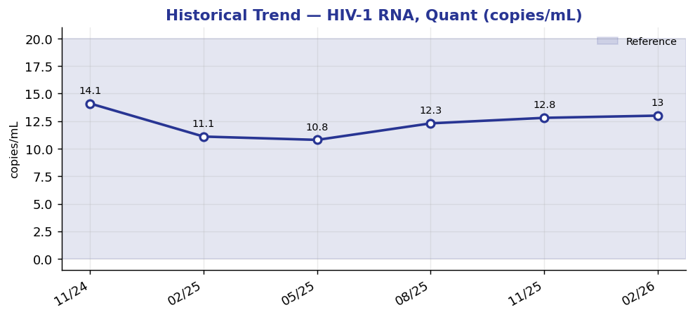
Historical Trend — HIV-1 RNA, Quant

HIV-1 RNA, Quant (copies/mL) — last 6 results
Date | Result | Ref Low | Ref High
2024-11-23 | 14.1 | 0 | 20
2025-02-21 | 11.1 | 0 | 20
2025-05-22 | 10.8 | 0 | 20
2025-08-20 | 12.3 | 0 | 20
2025-11-18 | 12.8 | 0 | 20
2026-02-16 | 13 | 0 | 20

Result Visualization
Result Visualization

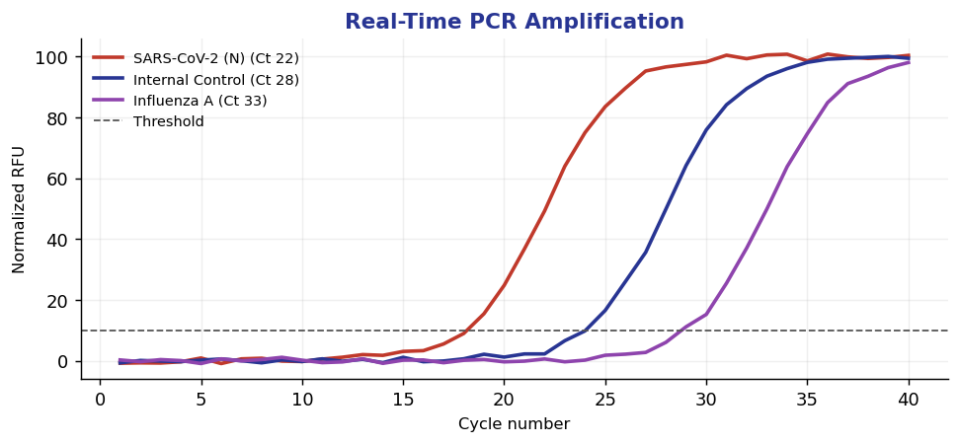
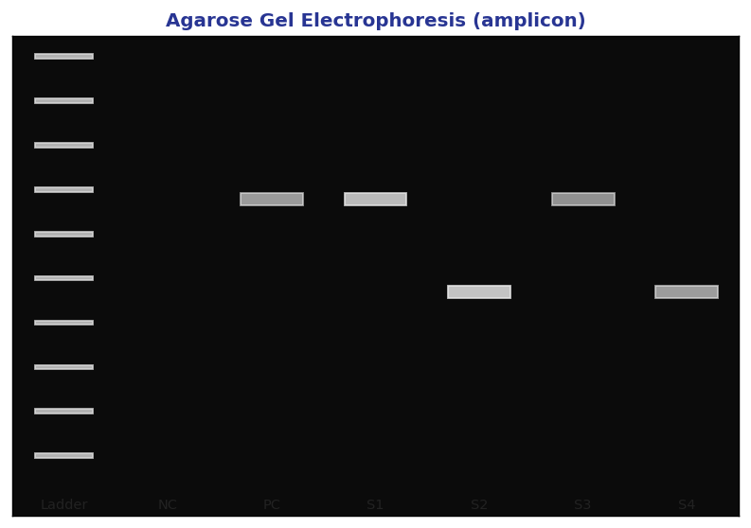

Result vs Upper Reference Limit
Analyte | Result | Ref High
HIV-1 RNA, Quant | 13 | 20
HCV RNA, Quant | 9 | 15
HBV DNA, Quant | 6 | 10

