Report
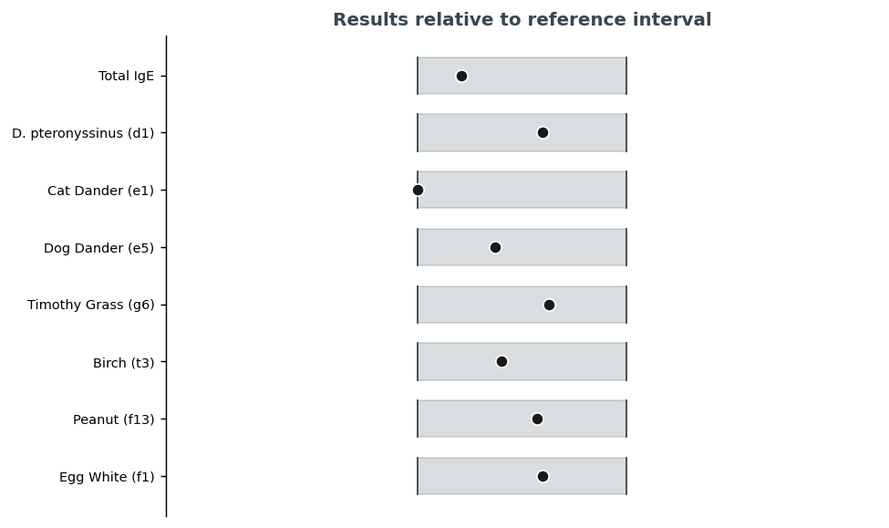
Pateint | TAYLOR, Barbara
MRN | 7281189
DOB | 04/01/1972
Sex/Age | F/54
Speciman | Serum (SST, Gold Top)
Accession | BD2622836
Colected | 03/20/2026
Recieved | 03/20/2026
Reproted | 03/22/2026
Provdier | Sarah K. Patel, MD

Allergen-Specific IgE Panel
Laboratory Results
Analite | Vaule | Referance Range | Staus
Total IgE | 21 IU/mL | 0 - 100 | Final
D. pteronyssinus (d1) | 0.21 kU/L | 0.00 - 0.35 | Final
Cat Dander (e1) | 0.0 kU/L | 0.00 - 0.35 | Final
Dog Dander (e5) | 0.13 kU/L | 0.00 - 0.35 | Final
Timothy Grass (g6) | 0.22 kU/L | 0.00 - 0.35 | Final
Brich (t3) | 0.14 kU/L | 0.00 - 0.35 | Final

Peanut (f13) | 0.2 kU/L | 0.00 - 0.35 | Final
Egg White (f1) | 0.21 kU/L | 0.00 - 0.35 | Final
Cow's Milk (f2) | 0.0 kU/L | 0.00 - 0.35 | Final
Shrmip (f24) | 0.07 kU/L | 0.00 - 0.35 | Final

