Historical Trend
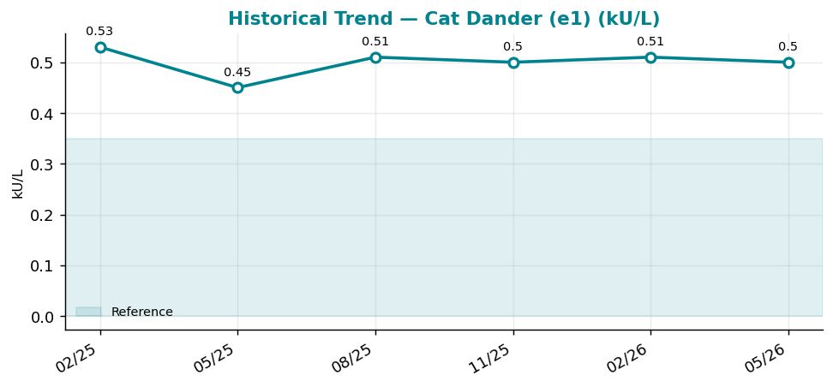
Historical Trend — Cat Dander (e1)

Cat Dander (e1) (kU/L) — last 6 results
Date | Result | Ref Low | Ref High
2025-02-07 | 0.53 | 0 | 0.35
2025-05-08 | 0.45 | 0 | 0.35
2025-08-06 | 0.51 | 0 | 0.35
2025-11-04 | 0.5 | 0 | 0.35
2026-02-02 | 0.51 | 0 | 0.35
2026-05-03 | 0.5 | 0 | 0.35

Result Visualization
Result Visualization

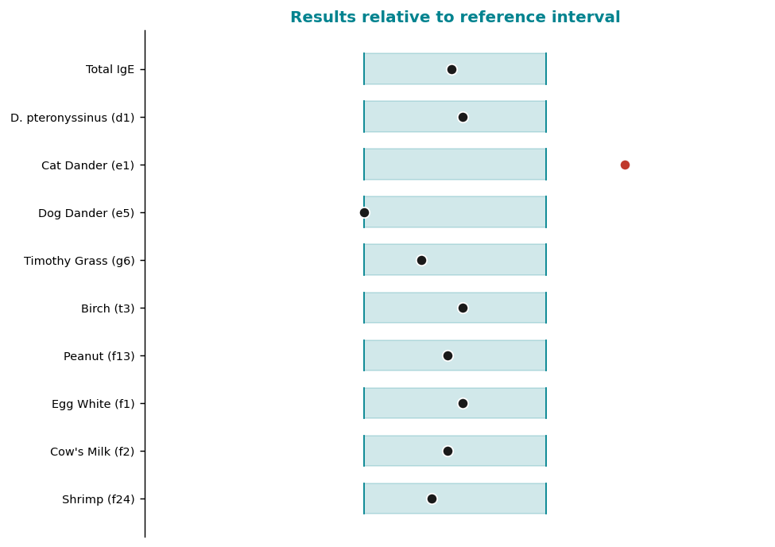

Result vs Upper Reference Limit
Analyte | Result | Ref High
Total IgE | 48 | 100
D. pteronyssinus (d1) | 0.19 | 0.35
Cat Dander (e1) | 0.5 | 0.35
Dog Dander (e5) | 0 | 0.35
Timothy Grass (g6) | 0.11 | 0.35
Birch (t3) | 0.19 | 0.35
Peanut (f13) | 0.16 | 0.35
Egg White (f1) | 0.19 | 0.35

