Historical Trend
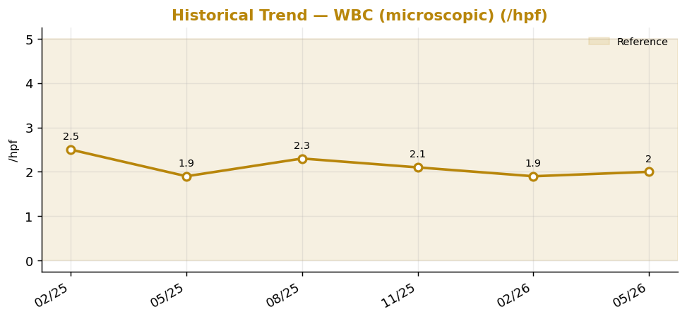
Historical Trend — WBC (microscopic)

WBC (microscopic) (/hpf) — last 6 results
Date | Result | Ref Low | Ref High
2025-02-12 | 2.5 | 0 | 5
2025-05-13 | 1.9 | 0 | 5
2025-08-11 | 2.3 | 0 | 5
2025-11-09 | 2.1 | 0 | 5
2026-02-07 | 1.9 | 0 | 5
2026-05-08 | 2 | 0 | 5

Result Visualization
Result Visualization

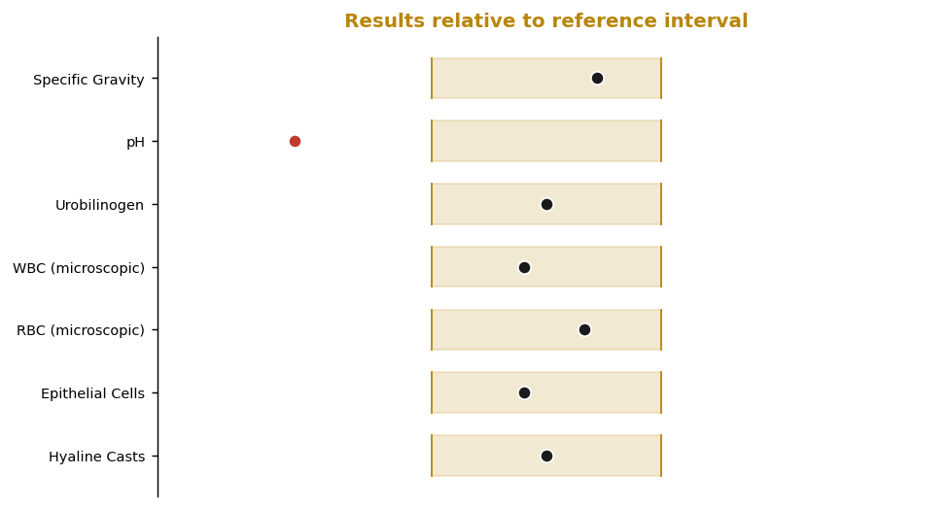

Result vs Upper Reference Limit
Analyte | Result | Ref High
Specific Gravity | 1.023 | 1.03
pH | 2.4 | 8
Urobilinogen | 0.6 | 1
WBC (microscopic) | 2 | 5
RBC (microscopic) | 2 | 3
Epithelial Cells | 2 | 5
Hyaline Casts | 1 | 2

