HR Results
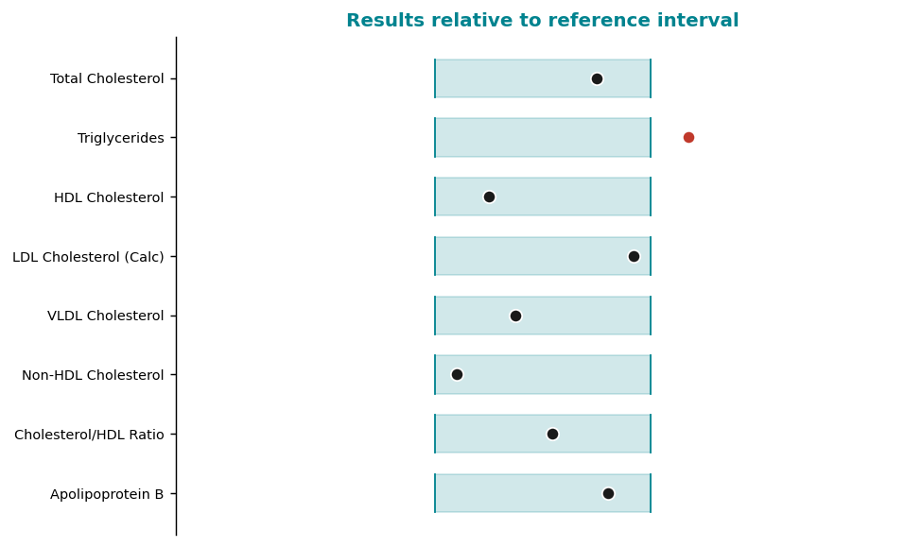
Pateint | WILSON, David
MRN | 8571640
DOB | 05/09/1981
Sex/Age | M/45
Speciman | Serum (SST, Gold Top), Fasting 12h
Accession | HR2636444
Colected | 02/21/2026
Received | 02/21/2026
Reproted | 02/22/2026
Provdier | Laura B. Osei, MD

Lipid Panel with Cardiac Risk Markres
Tset | Reuslt | Methd
Total Cholesterol | 181 mg/dL (125 - 200) | Enzymatic (CHOD-PAP)
Triglicerides | 169 mg/dL (40 - 150) | Enzymatic (GPO-PAP)
HDL Cholesterol | 50 mg/dL (40 - 80) | Direct (accelerator)
LDL Cholesterol (Calc) | 96 mg/dL (50 - 100) | Friedewald
VLDL Cholesterol | 18 mg/dL (5 - 40) | Calculated
Non-HDL Cholesterol | 58 mg/dL (50 - 130) | Calculated
Cholesterol/HDL Ratio | 3.4 ratio (1.5 - 5.0) | Calculated
Apolipoprotein B | 91 mg/dL (55 - 100) | Immunoturbidimetric
Lipoprotein(a) | 96 nmol/L (10 - 75) | Immunoturbidimetric
hs-CRP | 1.8 mg/L (0.1 - 3.0) | Immunoturbidimetric

