Historical Trend
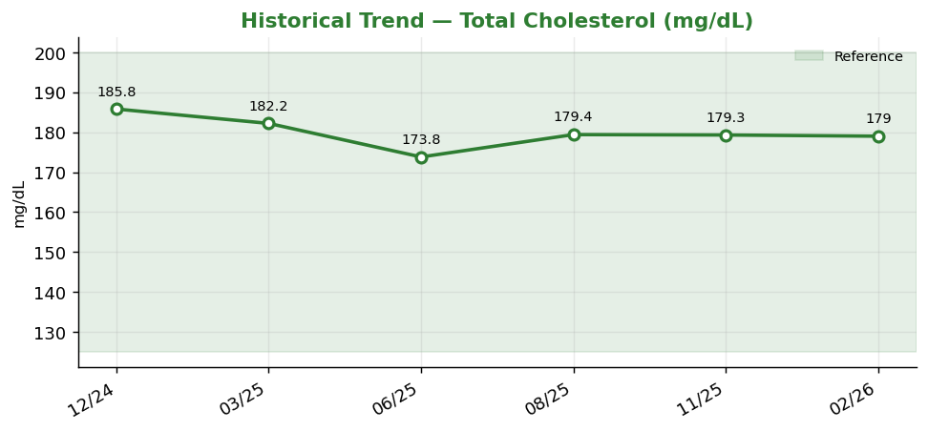
Historical Trend — Total Cholesterol

Total Cholesterol (mg/dL) — last 6 results
Date | Result | Ref Low | Ref High
2024-12-03 | 185.8 | 125 | 200
2025-03-03 | 182.2 | 125 | 200
2025-06-01 | 173.8 | 125 | 200
2025-08-30 | 179.4 | 125 | 200
2025-11-28 | 179.3 | 125 | 200
2026-02-26 | 179 | 125 | 200

Result Visualization
Result Visualization

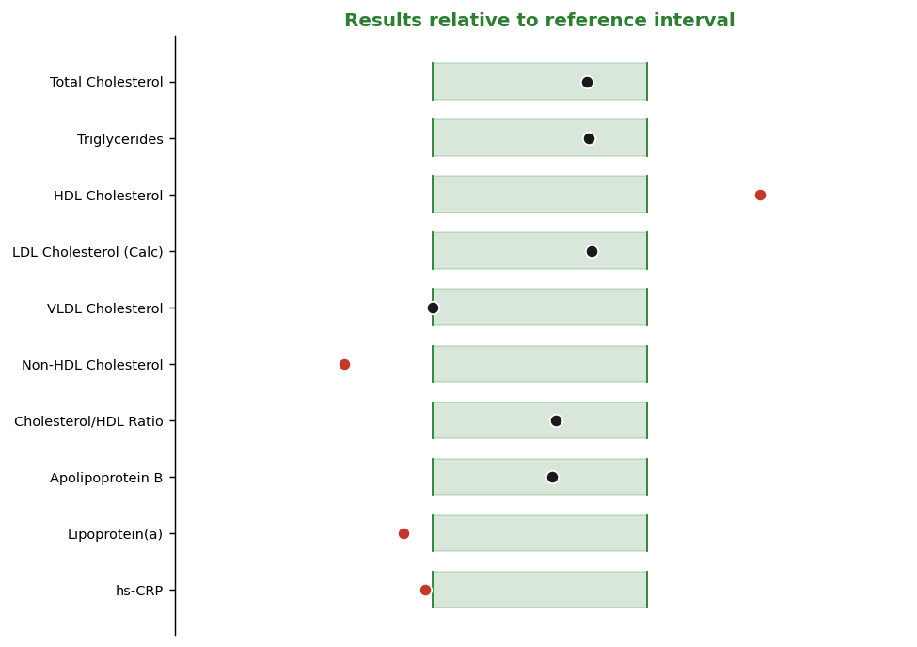

Result vs Upper Reference Limit
Analyte | Result | Ref High
Total Cholesterol | 179 | 200
Triglycerides | 120 | 150
HDL Cholesterol | 101 | 80
LDL Cholesterol (Calc) | 87 | 100
VLDL Cholesterol | 5 | 40
Non-HDL Cholesterol | 17 | 130
Cholesterol/HDL Ratio | 3.5 | 5
Apolipoprotein B | 80 | 100

