Sheet1
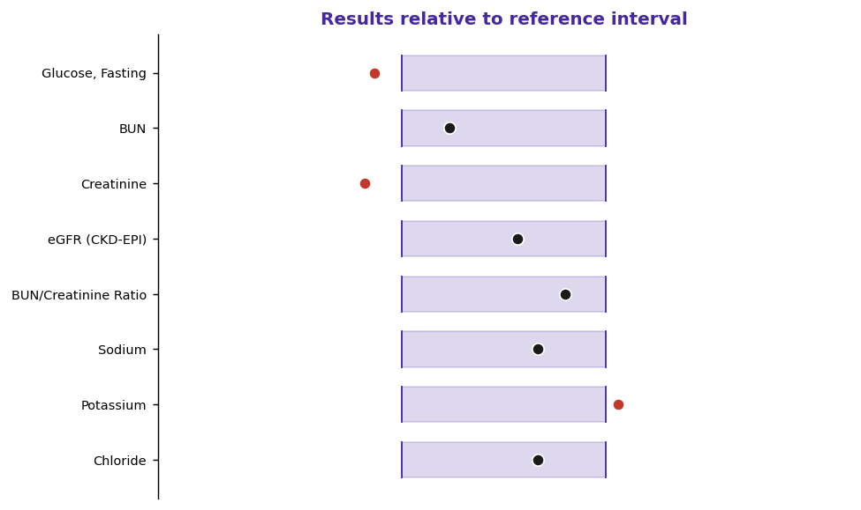
Patient | JOHNSON, Daniel |  |  | MRN | 1238776
DOB | 03/25/1957 |  |  |  |  | Sex/Age | M/69
Speciman |  | Serum (SST, Gold Top) |  |  | Accession | MD2663923
Colected | 01/04/2026 |  | Recieved | 01/04/2026
Reproted | 01/07/2026 |  |  |  | Provdier |  | Laura B. Osei, MD

Comprehensive Metabolic Panel
Tset | Reuslt | Unts | Flg | Refrence Intervl | Methd | LONIC
Glucos,e Fasting | 66 | mg/dL | A | 70 - 99 | Hexokinase | 1558-6
BUN | 10 | mg/dL | N | 7 - 20 | Urease/UV | 3094-0
Creatinin | 0,59 | mg/dL | A | 0.70 - 1.30 | Enzymatic (IDMS) | 2160-0
eGFR (CKD-EPI) | 94 | mL/min/1.73 | N | 60 - 120 | Calculated | 98979-8
BUN/Creatinin eRatio | 18 | ratio | N | 10 - 20 | Calculated | 3097-3
Sdoium | 142 | mmol/L | N | 136 - 145 | ISE | 2951-2
Potasium | 5,2 | mmol/L | A | 3.5 - 5.1 | ISE | 2823-3
Choride | 104 | mmol/L | N | 98 - 107 | ISE | 2075-0
CO2 (Bicarbonate) | 25 | mmol/L | N | 22 - 29 | Enzymatic | 2028-9
Anion Gap | 11 | mmol/L | N | 7 - 16 | Calculated | 33037-3
Calcuim | 8,8 | mg/dL | N | 8.6 - 10.2 | Arsenazo III | 17861-6
Total Protein | 7,5 | g/dL | N | 6.3 - 8.2 | Biuret | 2885-2
Albumn | 5,5 | g/dL | A | 3.5 - 5.0 | BCG | 1751-7
Globulin | 1,3 | g/dL | A | 2.0 - 3.5 | Calculated | 10834-0
A/G Ratio | 2,1 | ratio | N | 1.1 - 2.5 | Calculated | 1759-0
Total Bilirubin | 1,4 | mg/dL | A | 0.2 - 1.2 | Diazo | 1975-2
Alkaline Phosphatase | 65 | U/L | N | 40 - 129 | IFCC / p-NPP | 6768-6
AST (SGOT) | 16 | U/L | N | 10 - 40 | IFCC (no P-5-P) | 1920-8
ALT (SGPT) | 21 | U/L | N | 7 - 56 | IFCC (no P-5-P) | 1742-6

